C1QTNF3 _multivariate
Reported by Tex Li-Hsing Chi. tex@gate.sinica.edu.tw 2019-08-21

Table 2. The clinicopathological features of HNSCC cohort and C1QTNF3 expression. (Chi square test)
Cutoff at -0.228 (49.8%)
 |  | C1QTNF3 expression |  | C1QTNF3 expression |  | (Optimised)
 | Features | Low | (%) | High | (%) | Case no | P-value | Remark | Matthews
Gender | Female | 147 | 35.4 | 159 | 38.3 | 415 | 0.2523 | 0 | 0
2 | Male | 60 | 14.5 | 49 | 11.8
Age at diagnosis | <=65y | 137 | 33 | 137 | 33 | 415 | 1 | 0 | 0
4 | >65y | 70 | 16.9 | 71 | 17.1
Clinical T Status | T1+T2 | 67 | 16.1 | 82 | 19.8 | 415 | 0.1628 | 0 | 0
6 | T3+T4 | 140 | 33.7 | 126 | 30.4
Clinical N Status | N0 | 107 | 25.8 | 109 | 26.3 | 415 | 0.9624 | 0 | 0
8 | N1-3 | 100 | 24.1 | 99 | 23.9
Clinical M Status | M0 | 205 | 49.4 | 207 | 49.9 | 415 | 0.6232 | 0 | 0
10 | M1 | 2 | 0.5 | 1 | 0.2
Clinical Stage | Stage I+II | 49 | 11.8 | 53 | 12.8 | 415 | 0.7535 | 0 | 0
12 | Stage III+IV | 158 | 38.1 | 155 | 37.3
Surgical Margin status | Negative | 161 | 38.8 | 157 | 37.8 | 415 | 0.6429 | 0 | 0
14 | Positive | 46 | 11.1 | 51 | 12.3
Tobacco Exposure | Low | 85 | 20.5 | 76 | 18.3 | 415 | 0.3655 | 0 | 0
16 | High | 122 | 29.4 | 132 | 31.8

Table 3. Univariate/Multivariate Cox's proportional hazards regression analyses on OS time of C1QTNF3 gene expression in HNSCC

 |  | Univariate |  |  |  | Multivariate
 | Features | HR | CI95%(L) | CI95%(H) | P-value | HR | CI95%(L) | CI95%(H) | P-value
1 | Female | 1 |  |  |  | 1
Gender | Male | 1.157 | 0.843 | 1.587 | 0.367 | 1.196 | 0.855 | 1.673 | 0.295
11 | <=65y | 1 |  |  |  | 1
Age at diagnosis | >65y | 1.329 | 0.99 | 1.784 | 0.058 | 1.392 | 1.024 | 1.892 | 0.035
12 | T1+T2 | 1 |  |  |  | 1
Clinical T Status | T3+T4 | 1.409 | 1.028 | 1.931 | 0.033 | 2.179 | 1.151 | 4.124 | 0.017
13 | N0 | 1 |  |  |  | 1
Clinical N Status | N1-3 | 1.185 | 0.89 | 1.577 | 0.246 | 1.244 | 0.872 | 1.775 | 0.229
14 | M0 | 1 |  |  |  | 1
Clinical M Status | M1 | 4.097 | 1.009 | 16.644 | 0.049 | 9.234 | 2.012 | 42.376 | 0.004
15 | Stage I+II | 1 |  |  |  | 1
Clinical Stage | Stage III+IV | 1.245 | 0.882 | 1.759 | 0.213 | 0.507 | 0.236 | 1.088 | 0.081
16 | Negative | 1 |  |  |  | 1
Surgical Margin status | Positive | 1.591 | 1.155 | 2.191 | 0.004 | 1.676 | 1.213 | 2.315 | 0.002
17 | Low | 1 |  |  |  | 1
Tobacco Exposure | High | 1.364 | 1.008 | 1.844 | 0.044 | 1.46 | 1.059 | 2.014 | 0.021
18 | Low | 1 |  |  |  | 1
RNAseq(z-score) | High | 0.909 | 0.683 | 1.211 | 0.515 | 0.917 | 0.688 | 1.224 | 0.558

Table 4. Univariate/Multivariate Cox's proportional hazards regression analyses on RFS time of C1QTNF3 gene expression in HNSCC

 |  | Univariate |  |  |  | Multivariate
 | Features | HR | CI95%(L) | CI95%(H) | P-value | HR | CI95%(L) | CI95%(H) | P-value
1 | Female | 1 |  |  |  | 1
Gender | Male | 1.157 | 0.843 | 1.587 | 0.367 | 1.196 | 0.855 | 1.673 | 0.295
11 | <=65y | 1 |  |  |  | 1
Age at diagnosis | >65y | 1.329 | 0.99 | 1.784 | 0.058 | 1.392 | 1.024 | 1.892 | 0.035
12 | T1+T2 | 1 |  |  |  | 1
Clinical T Status | T3+T4 | 1.409 | 1.028 | 1.931 | 0.033 | 2.179 | 1.151 | 4.124 | 0.017
13 | N0 | 1 |  |  |  | 1
Clinical N Status | N1-3 | 1.185 | 0.89 | 1.577 | 0.246 | 1.244 | 0.872 | 1.775 | 0.229
14 | M0 | 1 |  |  |  | 1
Clinical M Status | M1 | 4.097 | 1.009 | 16.644 | 0.049 | 9.234 | 2.012 | 42.376 | 0.004
15 | Stage I+II | 1 |  |  |  | 1
Clinical Stage | Stage III+IV | 1.245 | 0.882 | 1.759 | 0.213 | 0.507 | 0.236 | 1.088 | 0.081
16 | Negative | 1 |  |  |  | 1
Surgical Margin status | Positive | 1.591 | 1.155 | 2.191 | 0.004 | 1.676 | 1.213 | 2.315 | 0.002
17 | Low | 1 |  |  |  | 1
Tobacco Exposure | High | 1.364 | 1.008 | 1.844 | 0.044 | 1.46 | 1.059 | 2.014 | 0.021
18 | Low | 1 |  |  |  | 1
RNAseq(z-score) | High | 0.909 | 0.683 | 1.211 | 0.515 | 0.917 | 0.688 | 1.224 | 0.558

Kaplan-Meier survival estimate: Cutoff at -0.228 (49.8%)



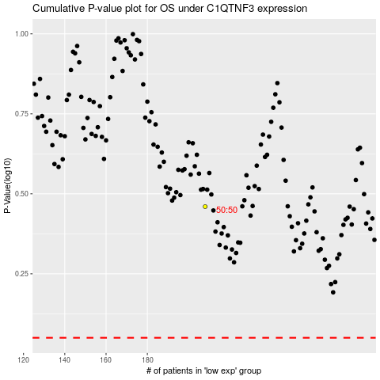

 |  |  |  |  |  | cases_OS | p_OS | rank | exp
 |  |  |  |  |  |  | cases_RFS | p_RFS | rank | exp

