C1QTNF6 _multivariate
Reported by Tex Li-Hsing Chi. tex@gate.sinica.edu.tw 2019-08-21

Table 2. The clinicopathological features of HNSCC cohort and C1QTNF6 expression. (Chi square test)
Cutoff at -0.105 (50.0%)
 |  | C1QTNF6 expression |  | C1QTNF6 expression |  | (Optimised)
 | Features | Low | (%) | High | (%) | Case no | P-value | Remark | Matthews
Gender | Female | 152 | 36.6 | 154 | 37.1 | 415 | 0.9766 | 0 | 0
2 | Male | 55 | 13.3 | 54 | 13
Age at diagnosis | <=65y | 139 | 33.5 | 135 | 32.5 | 415 | 0.7044 | 0 | 0
4 | >65y | 68 | 16.4 | 73 | 17.6
Clinical T Status | T1+T2 | 74 | 17.8 | 75 | 18.1 | 415 | 1 | 0 | 0
6 | T3+T4 | 133 | 32 | 133 | 32
Clinical N Status | N0 | 112 | 27 | 104 | 25.1 | 415 | 0.4599 | 0 | 0
8 | N1-3 | 95 | 22.9 | 104 | 25.1
Clinical M Status | M0 | 206 | 49.6 | 206 | 49.6 | 415 | 1 | 0 | 0
10 | M1 | 1 | 0.2 | 2 | 0.5
Clinical Stage | Stage I+II | 48 | 11.6 | 54 | 13 | 415 | 0.5878 | 0 | 0
12 | Stage III+IV | 159 | 38.3 | 154 | 37.1
Surgical Margin status | Negative | 160 | 38.6 | 158 | 38.1 | 415 | 0.8167 | 0 | 0
14 | Positive | 47 | 11.3 | 50 | 12
Tobacco Exposure | Low | 77 | 18.6 | 84 | 20.2 | 415 | 0.5459 | 0 | 0
16 | High | 130 | 31.3 | 124 | 29.9

Table 3. Univariate/Multivariate Cox's proportional hazards regression analyses on OS time of C1QTNF6 gene expression in HNSCC

 |  | Univariate |  |  |  | Multivariate
 | Features | HR | CI95%(L) | CI95%(H) | P-value | HR | CI95%(L) | CI95%(H) | P-value
1 | Female | 1 |  |  |  | 1
Gender | Male | 1.157 | 0.843 | 1.587 | 0.367 | 1.206 | 0.863 | 1.686 | 0.272
11 | <=65y | 1 |  |  |  | 1
Age at diagnosis | >65y | 1.329 | 0.99 | 1.784 | 0.058 | 1.387 | 1.02 | 1.886 | 0.037
12 | T1+T2 | 1 |  |  |  | 1
Clinical T Status | T3+T4 | 1.409 | 1.028 | 1.931 | 0.033 | 2.164 | 1.142 | 4.101 | 0.018
13 | N0 | 1 |  |  |  | 1
Clinical N Status | N1-3 | 1.185 | 0.89 | 1.577 | 0.246 | 1.228 | 0.859 | 1.755 | 0.26
14 | M0 | 1 |  |  |  | 1
Clinical M Status | M1 | 4.097 | 1.009 | 16.644 | 0.049 | 9.038 | 1.962 | 41.637 | 0.005
15 | Stage I+II | 1 |  |  |  | 1
Clinical Stage | Stage III+IV | 1.245 | 0.882 | 1.759 | 0.213 | 0.519 | 0.241 | 1.12 | 0.095
16 | Negative | 1 |  |  |  | 1
Surgical Margin status | Positive | 1.591 | 1.155 | 2.191 | 0.004 | 1.669 | 1.208 | 2.306 | 0.002
17 | Low | 1 |  |  |  | 1
Tobacco Exposure | High | 1.364 | 1.008 | 1.844 | 0.044 | 1.465 | 1.062 | 2.022 | 0.02
18 | Low | 1 |  |  |  | 1
RNAseq(z-score) | High | 1.124 | 0.844 | 1.498 | 0.423 | 1.098 | 0.821 | 1.468 | 0.529

Table 4. Univariate/Multivariate Cox's proportional hazards regression analyses on RFS time of C1QTNF6 gene expression in HNSCC

 |  | Univariate |  |  |  | Multivariate
 | Features | HR | CI95%(L) | CI95%(H) | P-value | HR | CI95%(L) | CI95%(H) | P-value
1 | Female | 1 |  |  |  | 1
Gender | Male | 1.157 | 0.843 | 1.587 | 0.367 | 1.206 | 0.863 | 1.686 | 0.272
11 | <=65y | 1 |  |  |  | 1
Age at diagnosis | >65y | 1.329 | 0.99 | 1.784 | 0.058 | 1.387 | 1.02 | 1.886 | 0.037
12 | T1+T2 | 1 |  |  |  | 1
Clinical T Status | T3+T4 | 1.409 | 1.028 | 1.931 | 0.033 | 2.164 | 1.142 | 4.101 | 0.018
13 | N0 | 1 |  |  |  | 1
Clinical N Status | N1-3 | 1.185 | 0.89 | 1.577 | 0.246 | 1.228 | 0.859 | 1.755 | 0.26
14 | M0 | 1 |  |  |  | 1
Clinical M Status | M1 | 4.097 | 1.009 | 16.644 | 0.049 | 9.038 | 1.962 | 41.637 | 0.005
15 | Stage I+II | 1 |  |  |  | 1
Clinical Stage | Stage III+IV | 1.245 | 0.882 | 1.759 | 0.213 | 0.519 | 0.241 | 1.12 | 0.095
16 | Negative | 1 |  |  |  | 1
Surgical Margin status | Positive | 1.591 | 1.155 | 2.191 | 0.004 | 1.669 | 1.208 | 2.306 | 0.002
17 | Low | 1 |  |  |  | 1
Tobacco Exposure | High | 1.364 | 1.008 | 1.844 | 0.044 | 1.465 | 1.062 | 2.022 | 0.02
18 | Low | 1 |  |  |  | 1
RNAseq(z-score) | High | 1.124 | 0.844 | 1.498 | 0.423 | 1.098 | 0.821 | 1.468 | 0.529

Kaplan-Meier survival estimate: Cutoff at -0.105 (50.0%)



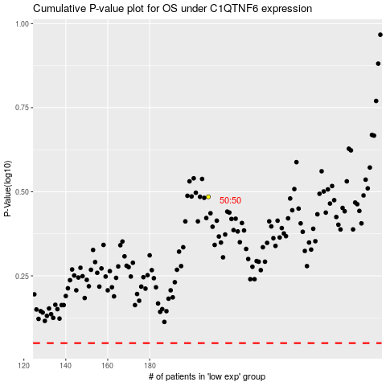

 |  |  |  |  |  | cases_OS | p_OS | rank | exp
 |  |  |  |  |  |  | cases_RFS | p_RFS | rank | exp

