C1QTNF9B _multivariate
Reported by Tex Li-Hsing Chi. tex@gate.sinica.edu.tw 2019-08-21

Table 2. The clinicopathological features of HNSCC cohort and C1QTNF9B expression. (Chi square test)
Cutoff at -0.127 (63.5%)
 |  | C1QTNF9B expression |  | C1QTNF9B expression |  | (Optimised)
 | Features | Low | (%) | High | (%) | Case no | P-value | Remark | Matthews
Gender | Female | 195 | 47 | 111 | 26.7 | 415 | 1 | 0 | 0
2 | Male | 69 | 16.6 | 40 | 9.6
Age at diagnosis | <=65y | 179 | 43.1 | 95 | 22.9 | 415 | 0.366 | 0 | 0
4 | >65y | 85 | 20.5 | 56 | 13.5
Clinical T Status | T1+T2 | 92 | 22.2 | 57 | 13.7 | 415 | 0.6269 | 0 | 0
6 | T3+T4 | 172 | 41.4 | 94 | 22.7
Clinical N Status | N0 | 145 | 34.9 | 71 | 17.1 | 415 | 0.1475 | 0 | 0
8 | N1-3 | 119 | 28.7 | 80 | 19.3
Clinical M Status | M0 | 263 | 63.4 | 149 | 35.9 | 415 | 0.3004 | 0 | 0
10 | M1 | 1 | 0.2 | 2 | 0.5
Clinical Stage | Stage I+II | 70 | 16.9 | 32 | 7.7 | 415 | 0.2743 | 0 | 0
12 | Stage III+IV | 194 | 46.7 | 119 | 28.7
Surgical Margin status | Negative | 205 | 49.4 | 113 | 27.2 | 415 | 0.5474 | 0 | 0
14 | Positive | 59 | 14.2 | 38 | 9.2
Tobacco Exposure | Low | 106 | 25.5 | 55 | 13.3 | 415 | 0.4656 | 0 | 0
16 | High | 158 | 38.1 | 96 | 23.1

Table 3. Univariate/Multivariate Cox's proportional hazards regression analyses on OS time of C1QTNF9B gene expression in HNSCC

 |  | Univariate |  |  |  | Multivariate
 | Features | HR | CI95%(L) | CI95%(H) | P-value | HR | CI95%(L) | CI95%(H) | P-value
1 | Female | 1 |  |  |  | 1
Gender | Male | 1.157 | 0.843 | 1.587 | 0.367 | 1.179 | 0.843 | 1.648 | 0.335
11 | <=65y | 1 |  |  |  | 1
Age at diagnosis | >65y | 1.329 | 0.99 | 1.784 | 0.058 | 1.346 | 0.988 | 1.835 | 0.06
12 | T1+T2 | 1 |  |  |  | 1
Clinical T Status | T3+T4 | 1.409 | 1.028 | 1.931 | 0.033 | 2.32 | 1.222 | 4.404 | 0.01
13 | N0 | 1 |  |  |  | 1
Clinical N Status | N1-3 | 1.185 | 0.89 | 1.577 | 0.246 | 1.215 | 0.85 | 1.735 | 0.286
14 | M0 | 1 |  |  |  | 1
Clinical M Status | M1 | 4.097 | 1.009 | 16.644 | 0.049 | 9.27 | 2.021 | 42.527 | 0.004
15 | Stage I+II | 1 |  |  |  | 1
Clinical Stage | Stage III+IV | 1.245 | 0.882 | 1.759 | 0.213 | 0.472 | 0.219 | 1.017 | 0.055
16 | Negative | 1 |  |  |  | 1
Surgical Margin status | Positive | 1.591 | 1.155 | 2.191 | 0.004 | 1.679 | 1.214 | 2.322 | 0.002
17 | Low | 1 |  |  |  | 1
Tobacco Exposure | High | 1.364 | 1.008 | 1.844 | 0.044 | 1.437 | 1.044 | 1.979 | 0.026
18 | Low | 1 |  |  |  | 1
RNAseq(z-score) | High | 1.366 | 1.018 | 1.831 | 0.037 | 1.32 | 0.978 | 1.782 | 0.07

Table 4. Univariate/Multivariate Cox's proportional hazards regression analyses on RFS time of C1QTNF9B gene expression in HNSCC

 |  | Univariate |  |  |  | Multivariate
 | Features | HR | CI95%(L) | CI95%(H) | P-value | HR | CI95%(L) | CI95%(H) | P-value
1 | Female | 1 |  |  |  | 1
Gender | Male | 1.157 | 0.843 | 1.587 | 0.367 | 1.179 | 0.843 | 1.648 | 0.335
11 | <=65y | 1 |  |  |  | 1
Age at diagnosis | >65y | 1.329 | 0.99 | 1.784 | 0.058 | 1.346 | 0.988 | 1.835 | 0.06
12 | T1+T2 | 1 |  |  |  | 1
Clinical T Status | T3+T4 | 1.409 | 1.028 | 1.931 | 0.033 | 2.32 | 1.222 | 4.404 | 0.01
13 | N0 | 1 |  |  |  | 1
Clinical N Status | N1-3 | 1.185 | 0.89 | 1.577 | 0.246 | 1.215 | 0.85 | 1.735 | 0.286
14 | M0 | 1 |  |  |  | 1
Clinical M Status | M1 | 4.097 | 1.009 | 16.644 | 0.049 | 9.27 | 2.021 | 42.527 | 0.004
15 | Stage I+II | 1 |  |  |  | 1
Clinical Stage | Stage III+IV | 1.245 | 0.882 | 1.759 | 0.213 | 0.472 | 0.219 | 1.017 | 0.055
16 | Negative | 1 |  |  |  | 1
Surgical Margin status | Positive | 1.591 | 1.155 | 2.191 | 0.004 | 1.679 | 1.214 | 2.322 | 0.002
17 | Low | 1 |  |  |  | 1
Tobacco Exposure | High | 1.364 | 1.008 | 1.844 | 0.044 | 1.437 | 1.044 | 1.979 | 0.026
18 | Low | 1 |  |  |  | 1
RNAseq(z-score) | High | 1.366 | 1.018 | 1.831 | 0.037 | 1.32 | 0.978 | 1.782 | 0.07

Kaplan-Meier survival estimate: Cutoff at -0.127 (63.5%)

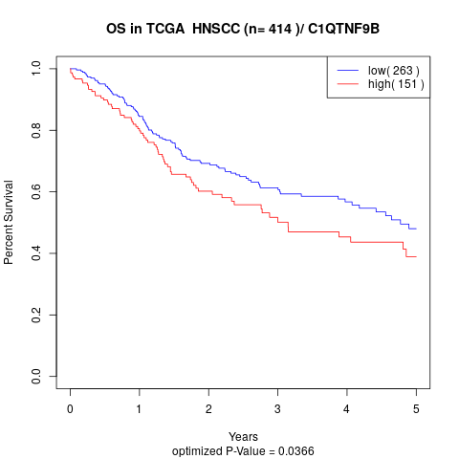

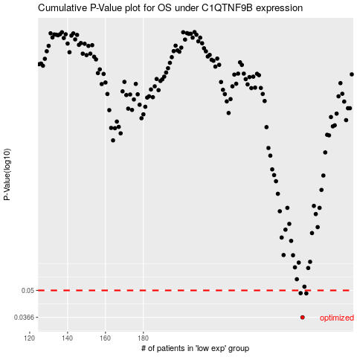

 |  |  |  |  |  | cases_OS | p_OS | rank | exp
 |  |  |  |  |  | 264 | 0.0366 | 85 | -0.12677928709
 |  |  |  |  |  | 266 | 0.0483 | 66 | -0.12662961092
 |  |  |  |  |  | 263 | 0.0484 | 109 | -0.12697707346
 |  |  |  |  |  |  | cases_RFS | p_RFS | rank | exp
 |  |  |  |  |  |  | 263 | 0.0366 | 109 | -0.12697707346
 |  |  |  |  |  |  | 265 | 0.0483 | 146 | -0.12667237554
 |  |  |  |  |  |  | 262 | 0.0484 | 362 | -0.12777356451

