C1RL _multivariate
Reported by Tex Li-Hsing Chi. tex@gate.sinica.edu.tw 2019-08-21

Table 2. The clinicopathological features of HNSCC cohort and C1RL expression. (Chi square test)
Cutoff at -0.047 (53.9%)
 |  | C1RL expression |  | C1RL expression |  | (Optimised)
 | Features | Low | (%) | High | (%) | Case no | P-value | Remark | Matthews
Gender | Female | 166 | 40 | 140 | 33.7 | 415 | 0.9405 | 0 | 0
2 | Male | 58 | 14 | 51 | 12.3
Age at diagnosis | <=65y | 156 | 37.6 | 118 | 28.4 | 415 | 0.1137 | 0 | 0
4 | >65y | 68 | 16.4 | 73 | 17.6
Clinical T Status | T1+T2 | 84 | 20.2 | 65 | 15.7 | 415 | 0.5277 | 0 | 0
6 | T3+T4 | 140 | 33.7 | 126 | 30.4
Clinical N Status | N0 | 113 | 27.2 | 103 | 24.8 | 415 | 0.5427 | 0 | 0
8 | N1-3 | 111 | 26.7 | 88 | 21.2
Clinical M Status | M0 | 223 | 53.7 | 189 | 45.5 | 415 | 0.5966 | 0 | 0
10 | M1 | 1 | 0.2 | 2 | 0.5
Clinical Stage | Stage I+II | 55 | 13.3 | 47 | 11.3 | 415 | 1 | 0 | 0
12 | Stage III+IV | 169 | 40.7 | 144 | 34.7
Surgical Margin status | Negative | 171 | 41.2 | 147 | 35.4 | 415 | 0.9078 | 0 | 0
14 | Positive | 53 | 12.8 | 44 | 10.6
Tobacco Exposure | Low | 88 | 21.2 | 73 | 17.6 | 415 | 0.8404 | 0 | 0
16 | High | 136 | 32.8 | 118 | 28.4

Table 3. Univariate/Multivariate Cox's proportional hazards regression analyses on OS time of C1RL gene expression in HNSCC

 |  | Univariate |  |  |  | Multivariate
 | Features | HR | CI95%(L) | CI95%(H) | P-value | HR | CI95%(L) | CI95%(H) | P-value
1 | Female | 1 |  |  |  | 1
Gender | Male | 1.157 | 0.843 | 1.587 | 0.367 | 1.172 | 0.839 | 1.638 | 0.351
11 | <=65y | 1 |  |  |  | 1
Age at diagnosis | >65y | 1.329 | 0.99 | 1.784 | 0.058 | 1.458 | 1.069 | 1.987 | 0.017
12 | T1+T2 | 1 |  |  |  | 1
Clinical T Status | T3+T4 | 1.409 | 1.028 | 1.931 | 0.033 | 2.353 | 1.242 | 4.457 | 0.009
13 | N0 | 1 |  |  |  | 1
Clinical N Status | N1-3 | 1.185 | 0.89 | 1.577 | 0.246 | 1.266 | 0.887 | 1.806 | 0.194
14 | M0 | 1 |  |  |  | 1
Clinical M Status | M1 | 4.097 | 1.009 | 16.644 | 0.049 | 10.444 | 2.272 | 48.002 | 0.003
15 | Stage I+II | 1 |  |  |  | 1
Clinical Stage | Stage III+IV | 1.245 | 0.882 | 1.759 | 0.213 | 0.485 | 0.226 | 1.042 | 0.064
16 | Negative | 1 |  |  |  | 1
Surgical Margin status | Positive | 1.591 | 1.155 | 2.191 | 0.004 | 1.668 | 1.207 | 2.304 | 0.002
17 | Low | 1 |  |  |  | 1
Tobacco Exposure | High | 1.364 | 1.008 | 1.844 | 0.044 | 1.487 | 1.079 | 2.05 | 0.015
18 | Low | 1 |  |  |  | 1
RNAseq(z-score) | High | 0.745 | 0.557 | 0.996 | 0.047 | 0.674 | 0.502 | 0.906 | 0.009

Table 4. Univariate/Multivariate Cox's proportional hazards regression analyses on RFS time of C1RL gene expression in HNSCC

 |  | Univariate |  |  |  | Multivariate
 | Features | HR | CI95%(L) | CI95%(H) | P-value | HR | CI95%(L) | CI95%(H) | P-value
1 | Female | 1 |  |  |  | 1
Gender | Male | 1.157 | 0.843 | 1.587 | 0.367 | 1.172 | 0.839 | 1.638 | 0.351
11 | <=65y | 1 |  |  |  | 1
Age at diagnosis | >65y | 1.329 | 0.99 | 1.784 | 0.058 | 1.458 | 1.069 | 1.987 | 0.017
12 | T1+T2 | 1 |  |  |  | 1
Clinical T Status | T3+T4 | 1.409 | 1.028 | 1.931 | 0.033 | 2.353 | 1.242 | 4.457 | 0.009
13 | N0 | 1 |  |  |  | 1
Clinical N Status | N1-3 | 1.185 | 0.89 | 1.577 | 0.246 | 1.266 | 0.887 | 1.806 | 0.194
14 | M0 | 1 |  |  |  | 1
Clinical M Status | M1 | 4.097 | 1.009 | 16.644 | 0.049 | 10.444 | 2.272 | 48.002 | 0.003
15 | Stage I+II | 1 |  |  |  | 1
Clinical Stage | Stage III+IV | 1.245 | 0.882 | 1.759 | 0.213 | 0.485 | 0.226 | 1.042 | 0.064
16 | Negative | 1 |  |  |  | 1
Surgical Margin status | Positive | 1.591 | 1.155 | 2.191 | 0.004 | 1.668 | 1.207 | 2.304 | 0.002
17 | Low | 1 |  |  |  | 1
Tobacco Exposure | High | 1.364 | 1.008 | 1.844 | 0.044 | 1.487 | 1.079 | 2.05 | 0.015
18 | Low | 1 |  |  |  | 1
RNAseq(z-score) | High | 0.745 | 0.557 | 0.996 | 0.047 | 0.674 | 0.502 | 0.906 | 0.009

Kaplan-Meier survival estimate: Cutoff at -0.047 (53.9%)



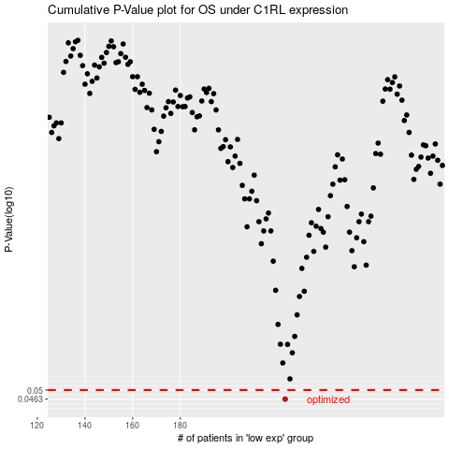

 |  |  |  |  |  | cases_OS | p_OS | rank | exp
 |  |  |  |  |  | 224 | 0.0463 | 219 | -0.047181843203
 |  |  |  |  |  |  | cases_RFS | p_RFS | rank | exp
 |  |  |  |  |  |  | 223 | 0.0463 | 78 | -0.04873307035

