C1S _multivariate
Reported by Tex Li-Hsing Chi. tex@gate.sinica.edu.tw 2019-08-21

Table 2. The clinicopathological features of HNSCC cohort and C1S expression. (Chi square test)
Cutoff at -0.141 (49.8%)
 |  | C1S expression |  | C1S expression |  | (Optimised)
 | Features | Low | (%) | High | (%) | Case no | P-value | Remark | Matthews
Gender | Female | 165 | 39.8 | 141 | 34 | 415 | 0.0081 | 1 | 0
2 | Male | 42 | 10.1 | 67 | 16.1
Age at diagnosis | <=65y | 142 | 34.2 | 132 | 31.8 | 415 | 0.3167 | 0 | 0
4 | >65y | 65 | 15.7 | 76 | 18.3
Clinical T Status | T1+T2 | 71 | 17.1 | 78 | 18.8 | 415 | 0.5638 | 0 | 0
6 | T3+T4 | 136 | 32.8 | 130 | 31.3
Clinical N Status | N0 | 113 | 27.2 | 103 | 24.8 | 415 | 0.3495 | 1 | 0
8 | N1-3 | 94 | 22.7 | 105 | 25.3
Clinical M Status | M0 | 205 | 49.4 | 207 | 49.9 | 415 | 0.6232 | 0 | 0
10 | M1 | 2 | 0.5 | 1 | 0.2
Clinical Stage | Stage I+II | 47 | 11.3 | 55 | 13.3 | 415 | 0.4413 | 0 | 0
12 | Stage III+IV | 160 | 38.6 | 153 | 36.9
Surgical Margin status | Negative | 157 | 37.8 | 161 | 38.8 | 415 | 0.729 | 0 | 0
14 | Positive | 50 | 12 | 47 | 11.3
Tobacco Exposure | Low | 82 | 19.8 | 79 | 19 | 415 | 0.763 | 0 | 0
16 | High | 125 | 30.1 | 129 | 31.1

Table 3. Univariate/Multivariate Cox's proportional hazards regression analyses on OS time of C1S gene expression in HNSCC

 |  | Univariate |  |  |  | Multivariate
 | Features | HR | CI95%(L) | CI95%(H) | P-value | HR | CI95%(L) | CI95%(H) | P-value
1 | Female | 1 |  |  |  | 1
Gender | Male | 1.157 | 0.843 | 1.587 | 0.367 | 1.253 | 0.894 | 1.757 | 0.191
11 | <=65y | 1 |  |  |  | 1
Age at diagnosis | >65y | 1.329 | 0.99 | 1.784 | 0.058 | 1.437 | 1.055 | 1.957 | 0.021
12 | T1+T2 | 1 |  |  |  | 1
Clinical T Status | T3+T4 | 1.409 | 1.028 | 1.931 | 0.033 | 2.272 | 1.201 | 4.3 | 0.012
13 | N0 | 1 |  |  |  | 1
Clinical N Status | N1-3 | 1.185 | 0.89 | 1.577 | 0.246 | 1.307 | 0.911 | 1.875 | 0.146
14 | M0 | 1 |  |  |  | 1
Clinical M Status | M1 | 4.097 | 1.009 | 16.644 | 0.049 | 9.439 | 2.058 | 43.294 | 0.004
15 | Stage I+II | 1 |  |  |  | 1
Clinical Stage | Stage III+IV | 1.245 | 0.882 | 1.759 | 0.213 | 0.464 | 0.215 | 1.001 | 0.05
16 | Negative | 1 |  |  |  | 1
Surgical Margin status | Positive | 1.591 | 1.155 | 2.191 | 0.004 | 1.702 | 1.23 | 2.354 | 0.001
17 | Low | 1 |  |  |  | 1
Tobacco Exposure | High | 1.364 | 1.008 | 1.844 | 0.044 | 1.472 | 1.067 | 2.03 | 0.018
18 | Low | 1 |  |  |  | 1
RNAseq(z-score) | High | 0.878 | 0.659 | 1.17 | 0.375 | 0.77 | 0.571 | 1.038 | 0.086

Table 4. Univariate/Multivariate Cox's proportional hazards regression analyses on RFS time of C1S gene expression in HNSCC

 |  | Univariate |  |  |  | Multivariate
 | Features | HR | CI95%(L) | CI95%(H) | P-value | HR | CI95%(L) | CI95%(H) | P-value
1 | Female | 1 |  |  |  | 1
Gender | Male | 1.157 | 0.843 | 1.587 | 0.367 | 1.253 | 0.894 | 1.757 | 0.191
11 | <=65y | 1 |  |  |  | 1
Age at diagnosis | >65y | 1.329 | 0.99 | 1.784 | 0.058 | 1.437 | 1.055 | 1.957 | 0.021
12 | T1+T2 | 1 |  |  |  | 1
Clinical T Status | T3+T4 | 1.409 | 1.028 | 1.931 | 0.033 | 2.272 | 1.201 | 4.3 | 0.012
13 | N0 | 1 |  |  |  | 1
Clinical N Status | N1-3 | 1.185 | 0.89 | 1.577 | 0.246 | 1.307 | 0.911 | 1.875 | 0.146
14 | M0 | 1 |  |  |  | 1
Clinical M Status | M1 | 4.097 | 1.009 | 16.644 | 0.049 | 9.439 | 2.058 | 43.294 | 0.004
15 | Stage I+II | 1 |  |  |  | 1
Clinical Stage | Stage III+IV | 1.245 | 0.882 | 1.759 | 0.213 | 0.464 | 0.215 | 1.001 | 0.05
16 | Negative | 1 |  |  |  | 1
Surgical Margin status | Positive | 1.591 | 1.155 | 2.191 | 0.004 | 1.702 | 1.23 | 2.354 | 0.001
17 | Low | 1 |  |  |  | 1
Tobacco Exposure | High | 1.364 | 1.008 | 1.844 | 0.044 | 1.472 | 1.067 | 2.03 | 0.018
18 | Low | 1 |  |  |  | 1
RNAseq(z-score) | High | 0.878 | 0.659 | 1.17 | 0.375 | 0.77 | 0.571 | 1.038 | 0.086

Kaplan-Meier survival estimate: Cutoff at -0.141 (49.8%)



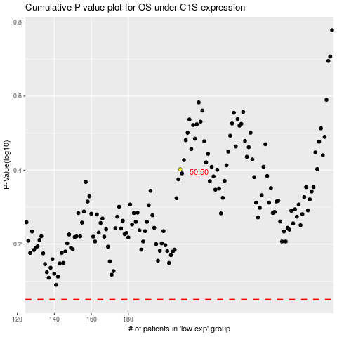

 |  |  |  |  |  | cases_OS | p_OS | rank | exp
 |  |  |  |  |  |  | cases_RFS | p_RFS | rank | exp

