C2 _multivariate
Reported by Tex Li-Hsing Chi. tex@gate.sinica.edu.tw 2019-08-21

Table 2. The clinicopathological features of HNSCC cohort and C2 expression. (Chi square test)
Cutoff at -0.303 (49.8%)
 |  | C2 expression |  | C2 expression |  | (Optimised)
 | Features | Low | (%) | High | (%) | Case no | P-value | Remark | Matthews
Gender | Female | 157 | 37.8 | 149 | 35.9 | 415 | 0.3881 | 0 | 0
2 | Male | 50 | 12 | 59 | 14.2
Age at diagnosis | <=65y | 143 | 34.5 | 131 | 31.6 | 415 | 0.2269 | 0 | 0
4 | >65y | 64 | 15.4 | 77 | 18.6
Clinical T Status | T1+T2 | 77 | 18.6 | 72 | 17.3 | 415 | 0.6556 | 0 | 0
6 | T3+T4 | 130 | 31.3 | 136 | 32.8
Clinical N Status | N0 | 116 | 28 | 100 | 24.1 | 415 | 0.1273 | 1 | 0
8 | N1-3 | 91 | 21.9 | 108 | 26
Clinical M Status | M0 | 206 | 49.6 | 206 | 49.6 | 415 | 1 | 0 | 0
10 | M1 | 1 | 0.2 | 2 | 0.5
Clinical Stage | Stage I+II | 54 | 13 | 48 | 11.6 | 415 | 0.5498 | 0 | 0
12 | Stage III+IV | 153 | 36.9 | 160 | 38.6
Surgical Margin status | Negative | 158 | 38.1 | 160 | 38.6 | 415 | 0.9081 | 0 | 0
14 | Positive | 49 | 11.8 | 48 | 11.6
Tobacco Exposure | Low | 78 | 18.8 | 83 | 20 | 415 | 0.6873 | 0 | 0
16 | High | 129 | 31.1 | 125 | 30.1

Table 3. Univariate/Multivariate Cox's proportional hazards regression analyses on OS time of C2 gene expression in HNSCC

 |  | Univariate |  |  |  | Multivariate
 | Features | HR | CI95%(L) | CI95%(H) | P-value | HR | CI95%(L) | CI95%(H) | P-value
1 | Female | 1 |  |  |  | 1
Gender | Male | 1.157 | 0.843 | 1.587 | 0.367 | 1.201 | 0.86 | 1.679 | 0.283
11 | <=65y | 1 |  |  |  | 1
Age at diagnosis | >65y | 1.329 | 0.99 | 1.784 | 0.058 | 1.394 | 1.026 | 1.895 | 0.034
12 | T1+T2 | 1 |  |  |  | 1
Clinical T Status | T3+T4 | 1.409 | 1.028 | 1.931 | 0.033 | 2.246 | 1.186 | 4.254 | 0.013
13 | N0 | 1 |  |  |  | 1
Clinical N Status | N1-3 | 1.185 | 0.89 | 1.577 | 0.246 | 1.256 | 0.88 | 1.794 | 0.21
14 | M0 | 1 |  |  |  | 1
Clinical M Status | M1 | 4.097 | 1.009 | 16.644 | 0.049 | 9.884 | 2.146 | 45.515 | 0.003
15 | Stage I+II | 1 |  |  |  | 1
Clinical Stage | Stage III+IV | 1.245 | 0.882 | 1.759 | 0.213 | 0.494 | 0.23 | 1.062 | 0.071
16 | Negative | 1 |  |  |  | 1
Surgical Margin status | Positive | 1.591 | 1.155 | 2.191 | 0.004 | 1.684 | 1.218 | 2.329 | 0.002
17 | Low | 1 |  |  |  | 1
Tobacco Exposure | High | 1.364 | 1.008 | 1.844 | 0.044 | 1.444 | 1.047 | 1.992 | 0.025
18 | Low | 1 |  |  |  | 1
RNAseq(z-score) | High | 0.947 | 0.71 | 1.261 | 0.708 | 0.884 | 0.661 | 1.18 | 0.402

Table 4. Univariate/Multivariate Cox's proportional hazards regression analyses on RFS time of C2 gene expression in HNSCC

 |  | Univariate |  |  |  | Multivariate
 | Features | HR | CI95%(L) | CI95%(H) | P-value | HR | CI95%(L) | CI95%(H) | P-value
1 | Female | 1 |  |  |  | 1
Gender | Male | 1.157 | 0.843 | 1.587 | 0.367 | 1.201 | 0.86 | 1.679 | 0.283
11 | <=65y | 1 |  |  |  | 1
Age at diagnosis | >65y | 1.329 | 0.99 | 1.784 | 0.058 | 1.394 | 1.026 | 1.895 | 0.034
12 | T1+T2 | 1 |  |  |  | 1
Clinical T Status | T3+T4 | 1.409 | 1.028 | 1.931 | 0.033 | 2.246 | 1.186 | 4.254 | 0.013
13 | N0 | 1 |  |  |  | 1
Clinical N Status | N1-3 | 1.185 | 0.89 | 1.577 | 0.246 | 1.256 | 0.88 | 1.794 | 0.21
14 | M0 | 1 |  |  |  | 1
Clinical M Status | M1 | 4.097 | 1.009 | 16.644 | 0.049 | 9.884 | 2.146 | 45.515 | 0.003
15 | Stage I+II | 1 |  |  |  | 1
Clinical Stage | Stage III+IV | 1.245 | 0.882 | 1.759 | 0.213 | 0.494 | 0.23 | 1.062 | 0.071
16 | Negative | 1 |  |  |  | 1
Surgical Margin status | Positive | 1.591 | 1.155 | 2.191 | 0.004 | 1.684 | 1.218 | 2.329 | 0.002
17 | Low | 1 |  |  |  | 1
Tobacco Exposure | High | 1.364 | 1.008 | 1.844 | 0.044 | 1.444 | 1.047 | 1.992 | 0.025
18 | Low | 1 |  |  |  | 1
RNAseq(z-score) | High | 0.947 | 0.71 | 1.261 | 0.708 | 0.884 | 0.661 | 1.18 | 0.402

Kaplan-Meier survival estimate: Cutoff at -0.303 (49.8%)

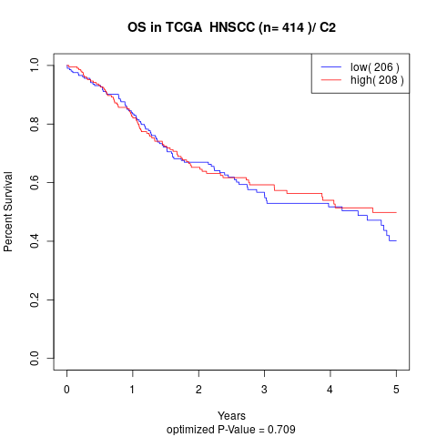

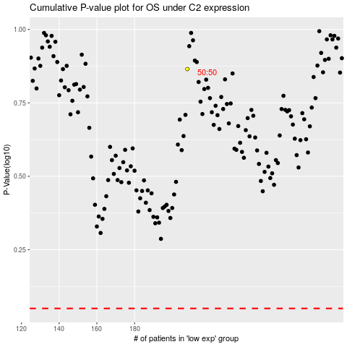

 |  |  |  |  |  | cases_OS | p_OS | rank | exp
 |  |  |  |  |  |  | cases_RFS | p_RFS | rank | exp

