C2CD2 _multivariate
Reported by Tex Li-Hsing Chi. tex@gate.sinica.edu.tw 2019-08-21

Table 2. The clinicopathological features of HNSCC cohort and C2CD2 expression. (Chi square test)
Cutoff at -0.25 (50.0%)
 |  | C2CD2 expression |  | C2CD2 expression |  | (Optimised)
 | Features | Low | (%) | High | (%) | Case no | P-value | Remark | Matthews
Gender | Female | 153 | 36.9 | 153 | 36.9 | 415 | 1 | 0 | 0
2 | Male | 54 | 13 | 55 | 13.3
Age at diagnosis | <=65y | 140 | 33.7 | 134 | 32.3 | 415 | 0.5574 | 0 | 0
4 | >65y | 67 | 16.1 | 74 | 17.8
Clinical T Status | T1+T2 | 69 | 16.6 | 80 | 19.3 | 415 | 0.3239 | 0 | 0
6 | T3+T4 | 138 | 33.3 | 128 | 30.8
Clinical N Status | N0 | 110 | 26.5 | 106 | 25.5 | 415 | 0.7294 | 0 | 0
8 | N1-3 | 97 | 23.4 | 102 | 24.6
Clinical M Status | M0 | 206 | 49.6 | 206 | 49.6 | 415 | 1 | 0 | 0
10 | M1 | 1 | 0.2 | 2 | 0.5
Clinical Stage | Stage I+II | 49 | 11.8 | 53 | 12.8 | 415 | 0.7535 | 0 | 0
12 | Stage III+IV | 158 | 38.1 | 155 | 37.3
Surgical Margin status | Negative | 163 | 39.3 | 155 | 37.3 | 415 | 0.3537 | 0 | 0
14 | Positive | 44 | 10.6 | 53 | 12.8
Tobacco Exposure | Low | 85 | 20.5 | 76 | 18.3 | 415 | 0.3655 | 0 | 0
16 | High | 122 | 29.4 | 132 | 31.8

Table 3. Univariate/Multivariate Cox's proportional hazards regression analyses on OS time of C2CD2 gene expression in HNSCC

 |  | Univariate |  |  |  | Multivariate
 | Features | HR | CI95%(L) | CI95%(H) | P-value | HR | CI95%(L) | CI95%(H) | P-value
1 | Female | 1 |  |  |  | 1
Gender | Male | 1.157 | 0.843 | 1.587 | 0.367 | 1.2 | 0.859 | 1.676 | 0.285
11 | <=65y | 1 |  |  |  | 1
Age at diagnosis | >65y | 1.329 | 0.99 | 1.784 | 0.058 | 1.405 | 1.033 | 1.91 | 0.03
12 | T1+T2 | 1 |  |  |  | 1
Clinical T Status | T3+T4 | 1.409 | 1.028 | 1.931 | 0.033 | 2.17 | 1.146 | 4.107 | 0.017
13 | N0 | 1 |  |  |  | 1
Clinical N Status | N1-3 | 1.185 | 0.89 | 1.577 | 0.246 | 1.253 | 0.877 | 1.789 | 0.215
14 | M0 | 1 |  |  |  | 1
Clinical M Status | M1 | 4.097 | 1.009 | 16.644 | 0.049 | 9.638 | 2.101 | 44.219 | 0.004
15 | Stage I+II | 1 |  |  |  | 1
Clinical Stage | Stage III+IV | 1.245 | 0.882 | 1.759 | 0.213 | 0.501 | 0.233 | 1.076 | 0.076
16 | Negative | 1 |  |  |  | 1
Surgical Margin status | Positive | 1.591 | 1.155 | 2.191 | 0.004 | 1.673 | 1.211 | 2.312 | 0.002
17 | Low | 1 |  |  |  | 1
Tobacco Exposure | High | 1.364 | 1.008 | 1.844 | 0.044 | 1.462 | 1.061 | 2.014 | 0.02
18 | Low | 1 |  |  |  | 1
RNAseq(z-score) | High | 0.907 | 0.68 | 1.211 | 0.508 | 0.883 | 0.659 | 1.184 | 0.405

Table 4. Univariate/Multivariate Cox's proportional hazards regression analyses on RFS time of C2CD2 gene expression in HNSCC

 |  | Univariate |  |  |  | Multivariate
 | Features | HR | CI95%(L) | CI95%(H) | P-value | HR | CI95%(L) | CI95%(H) | P-value
1 | Female | 1 |  |  |  | 1
Gender | Male | 1.157 | 0.843 | 1.587 | 0.367 | 1.2 | 0.859 | 1.676 | 0.285
11 | <=65y | 1 |  |  |  | 1
Age at diagnosis | >65y | 1.329 | 0.99 | 1.784 | 0.058 | 1.405 | 1.033 | 1.91 | 0.03
12 | T1+T2 | 1 |  |  |  | 1
Clinical T Status | T3+T4 | 1.409 | 1.028 | 1.931 | 0.033 | 2.17 | 1.146 | 4.107 | 0.017
13 | N0 | 1 |  |  |  | 1
Clinical N Status | N1-3 | 1.185 | 0.89 | 1.577 | 0.246 | 1.253 | 0.877 | 1.789 | 0.215
14 | M0 | 1 |  |  |  | 1
Clinical M Status | M1 | 4.097 | 1.009 | 16.644 | 0.049 | 9.638 | 2.101 | 44.219 | 0.004
15 | Stage I+II | 1 |  |  |  | 1
Clinical Stage | Stage III+IV | 1.245 | 0.882 | 1.759 | 0.213 | 0.501 | 0.233 | 1.076 | 0.076
16 | Negative | 1 |  |  |  | 1
Surgical Margin status | Positive | 1.591 | 1.155 | 2.191 | 0.004 | 1.673 | 1.211 | 2.312 | 0.002
17 | Low | 1 |  |  |  | 1
Tobacco Exposure | High | 1.364 | 1.008 | 1.844 | 0.044 | 1.462 | 1.061 | 2.014 | 0.02
18 | Low | 1 |  |  |  | 1
RNAseq(z-score) | High | 0.907 | 0.68 | 1.211 | 0.508 | 0.883 | 0.659 | 1.184 | 0.405

Kaplan-Meier survival estimate: Cutoff at -0.25 (50.0%)



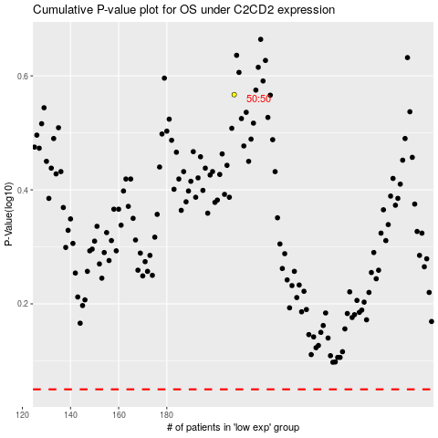

 |  |  |  |  |  | cases_OS | p_OS | rank | exp
 |  |  |  |  |  |  | cases_RFS | p_RFS | rank | exp

