C2CD3 _multivariate
Reported by Tex Li-Hsing Chi. tex@gate.sinica.edu.tw 2019-08-21

Table 2. The clinicopathological features of HNSCC cohort and C2CD3 expression. (Chi square test)
Cutoff at -0.127 (49.8%)
 |  | C2CD3 expression |  | C2CD3 expression |  | (Optimised)
 | Features | Low | (%) | High | (%) | Case no | P-value | Remark | Matthews
Gender | Female | 145 | 34.9 | 161 | 38.8 | 415 | 0.1116 | 0 | 0
2 | Male | 62 | 14.9 | 47 | 11.3
Age at diagnosis | <=65y | 123 | 29.6 | 151 | 36.4 | 415 | 0.0063 | 1 | 0
4 | >65y | 84 | 20.2 | 57 | 13.7
Clinical T Status | T1+T2 | 74 | 17.8 | 75 | 18.1 | 415 | 1 | 0 | 0
6 | T3+T4 | 133 | 32 | 133 | 32
Clinical N Status | N0 | 107 | 25.8 | 109 | 26.3 | 415 | 0.9624 | 0 | 0
8 | N1-3 | 100 | 24.1 | 99 | 23.9
Clinical M Status | M0 | 204 | 49.2 | 208 | 50.1 | 415 | 0.1232 | 0 | 0
10 | M1 | 3 | 0.7 | 0 | 0
Clinical Stage | Stage I+II | 52 | 12.5 | 50 | 12 | 415 | 0.8871 | 0 | 0
12 | Stage III+IV | 155 | 37.3 | 158 | 38.1
Surgical Margin status | Negative | 162 | 39 | 156 | 37.6 | 415 | 0.4867 | 0 | 0
14 | Positive | 45 | 10.8 | 52 | 12.5
Tobacco Exposure | Low | 82 | 19.8 | 79 | 19 | 415 | 0.763 | 0 | 0
16 | High | 125 | 30.1 | 129 | 31.1

Table 3. Univariate/Multivariate Cox's proportional hazards regression analyses on OS time of C2CD3 gene expression in HNSCC

 |  | Univariate |  |  |  | Multivariate
 | Features | HR | CI95%(L) | CI95%(H) | P-value | HR | CI95%(L) | CI95%(H) | P-value
1 | Female | 1 |  |  |  | 1
Gender | Male | 1.157 | 0.843 | 1.587 | 0.367 | 1.229 | 0.877 | 1.722 | 0.232
11 | <=65y | 1 |  |  |  | 1
Age at diagnosis | >65y | 1.329 | 0.99 | 1.784 | 0.058 | 1.426 | 1.044 | 1.948 | 0.026
12 | T1+T2 | 1 |  |  |  | 1
Clinical T Status | T3+T4 | 1.409 | 1.028 | 1.931 | 0.033 | 2.214 | 1.171 | 4.185 | 0.014
13 | N0 | 1 |  |  |  | 1
Clinical N Status | N1-3 | 1.185 | 0.89 | 1.577 | 0.246 | 1.248 | 0.874 | 1.781 | 0.223
14 | M0 | 1 |  |  |  | 1
Clinical M Status | M1 | 4.097 | 1.009 | 16.644 | 0.049 | 10.223 | 2.202 | 47.454 | 0.003
15 | Stage I+II | 1 |  |  |  | 1
Clinical Stage | Stage III+IV | 1.245 | 0.882 | 1.759 | 0.213 | 0.497 | 0.231 | 1.067 | 0.073
16 | Negative | 1 |  |  |  | 1
Surgical Margin status | Positive | 1.591 | 1.155 | 2.191 | 0.004 | 1.668 | 1.207 | 2.304 | 0.002
17 | Low | 1 |  |  |  | 1
Tobacco Exposure | High | 1.364 | 1.008 | 1.844 | 0.044 | 1.472 | 1.067 | 2.031 | 0.019
18 | Low | 1 |  |  |  | 1
RNAseq(z-score) | High | 1.009 | 0.757 | 1.344 | 0.951 | 1.139 | 0.844 | 1.537 | 0.396

Table 4. Univariate/Multivariate Cox's proportional hazards regression analyses on RFS time of C2CD3 gene expression in HNSCC

 |  | Univariate |  |  |  | Multivariate
 | Features | HR | CI95%(L) | CI95%(H) | P-value | HR | CI95%(L) | CI95%(H) | P-value
1 | Female | 1 |  |  |  | 1
Gender | Male | 1.157 | 0.843 | 1.587 | 0.367 | 1.229 | 0.877 | 1.722 | 0.232
11 | <=65y | 1 |  |  |  | 1
Age at diagnosis | >65y | 1.329 | 0.99 | 1.784 | 0.058 | 1.426 | 1.044 | 1.948 | 0.026
12 | T1+T2 | 1 |  |  |  | 1
Clinical T Status | T3+T4 | 1.409 | 1.028 | 1.931 | 0.033 | 2.214 | 1.171 | 4.185 | 0.014
13 | N0 | 1 |  |  |  | 1
Clinical N Status | N1-3 | 1.185 | 0.89 | 1.577 | 0.246 | 1.248 | 0.874 | 1.781 | 0.223
14 | M0 | 1 |  |  |  | 1
Clinical M Status | M1 | 4.097 | 1.009 | 16.644 | 0.049 | 10.223 | 2.202 | 47.454 | 0.003
15 | Stage I+II | 1 |  |  |  | 1
Clinical Stage | Stage III+IV | 1.245 | 0.882 | 1.759 | 0.213 | 0.497 | 0.231 | 1.067 | 0.073
16 | Negative | 1 |  |  |  | 1
Surgical Margin status | Positive | 1.591 | 1.155 | 2.191 | 0.004 | 1.668 | 1.207 | 2.304 | 0.002
17 | Low | 1 |  |  |  | 1
Tobacco Exposure | High | 1.364 | 1.008 | 1.844 | 0.044 | 1.472 | 1.067 | 2.031 | 0.019
18 | Low | 1 |  |  |  | 1
RNAseq(z-score) | High | 1.009 | 0.757 | 1.344 | 0.951 | 1.139 | 0.844 | 1.537 | 0.396

Kaplan-Meier survival estimate: Cutoff at -0.127 (49.8%)



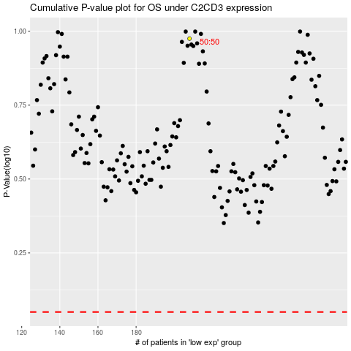

 |  |  |  |  |  | cases_OS | p_OS | rank | exp
 |  |  |  |  |  |  | cases_RFS | p_RFS | rank | exp

