C2CD4C _multivariate
Reported by Tex Li-Hsing Chi. tex@gate.sinica.edu.tw 2019-08-21

Table 2. The clinicopathological features of HNSCC cohort and C2CD4C expression. (Chi square test)
Cutoff at -0.342 (50.0%)
 |  | C2CD4C expression |  | C2CD4C expression |  | (Optimised)
 | Features | Low | (%) | High | (%) | Case no | P-value | Remark | Matthews
Gender | Female | 145 | 34.9 | 161 | 38.8 | 415 | 0.1116 | 0 | 0
2 | Male | 62 | 14.9 | 47 | 11.3
Age at diagnosis | <=65y | 131 | 31.6 | 143 | 34.5 | 415 | 0.2839 | 0 | 0
4 | >65y | 76 | 18.3 | 65 | 15.7
Clinical T Status | T1+T2 | 71 | 17.1 | 78 | 18.8 | 415 | 0.5638 | 0 | 0
6 | T3+T4 | 136 | 32.8 | 130 | 31.3
Clinical N Status | N0 | 111 | 26.7 | 105 | 25.3 | 415 | 0.5875 | 0 | 0
8 | N1-3 | 96 | 23.1 | 103 | 24.8
Clinical M Status | M0 | 204 | 49.2 | 208 | 50.1 | 415 | 0.1232 | 0 | 0
10 | M1 | 3 | 0.7 | 0 | 0
Clinical Stage | Stage I+II | 53 | 12.8 | 49 | 11.8 | 415 | 0.7113 | 0 | 0
12 | Stage III+IV | 154 | 37.1 | 159 | 38.3
Surgical Margin status | Negative | 152 | 36.6 | 166 | 40 | 415 | 0.1329 | 0 | 0
14 | Positive | 55 | 13.3 | 42 | 10.1
Tobacco Exposure | Low | 98 | 23.6 | 63 | 15.2 | 415 | 4e-04 | 1 | 0
16 | High | 109 | 26.3 | 145 | 34.9

Table 3. Univariate/Multivariate Cox's proportional hazards regression analyses on OS time of C2CD4C gene expression in HNSCC

 |  | Univariate |  |  |  | Multivariate
 | Features | HR | CI95%(L) | CI95%(H) | P-value | HR | CI95%(L) | CI95%(H) | P-value
1 | Female | 1 |  |  |  | 1
Gender | Male | 1.157 | 0.843 | 1.587 | 0.367 | 1.199 | 0.859 | 1.675 | 0.285
11 | <=65y | 1 |  |  |  | 1
Age at diagnosis | >65y | 1.329 | 0.99 | 1.784 | 0.058 | 1.39 | 1.023 | 1.889 | 0.035
12 | T1+T2 | 1 |  |  |  | 1
Clinical T Status | T3+T4 | 1.409 | 1.028 | 1.931 | 0.033 | 2.172 | 1.146 | 4.117 | 0.017
13 | N0 | 1 |  |  |  | 1
Clinical N Status | N1-3 | 1.185 | 0.89 | 1.577 | 0.246 | 1.235 | 0.865 | 1.762 | 0.245
14 | M0 | 1 |  |  |  | 1
Clinical M Status | M1 | 4.097 | 1.009 | 16.644 | 0.049 | 8.965 | 1.934 | 41.566 | 0.005
15 | Stage I+II | 1 |  |  |  | 1
Clinical Stage | Stage III+IV | 1.245 | 0.882 | 1.759 | 0.213 | 0.513 | 0.238 | 1.103 | 0.087
16 | Negative | 1 |  |  |  | 1
Surgical Margin status | Positive | 1.591 | 1.155 | 2.191 | 0.004 | 1.664 | 1.204 | 2.301 | 0.002
17 | Low | 1 |  |  |  | 1
Tobacco Exposure | High | 1.364 | 1.008 | 1.844 | 0.044 | 1.476 | 1.066 | 2.045 | 0.019
18 | Low | 1 |  |  |  | 1
RNAseq(z-score) | High | 0.911 | 0.684 | 1.213 | 0.524 | 0.927 | 0.689 | 1.246 | 0.616

Table 4. Univariate/Multivariate Cox's proportional hazards regression analyses on RFS time of C2CD4C gene expression in HNSCC

 |  | Univariate |  |  |  | Multivariate
 | Features | HR | CI95%(L) | CI95%(H) | P-value | HR | CI95%(L) | CI95%(H) | P-value
1 | Female | 1 |  |  |  | 1
Gender | Male | 1.157 | 0.843 | 1.587 | 0.367 | 1.199 | 0.859 | 1.675 | 0.285
11 | <=65y | 1 |  |  |  | 1
Age at diagnosis | >65y | 1.329 | 0.99 | 1.784 | 0.058 | 1.39 | 1.023 | 1.889 | 0.035
12 | T1+T2 | 1 |  |  |  | 1
Clinical T Status | T3+T4 | 1.409 | 1.028 | 1.931 | 0.033 | 2.172 | 1.146 | 4.117 | 0.017
13 | N0 | 1 |  |  |  | 1
Clinical N Status | N1-3 | 1.185 | 0.89 | 1.577 | 0.246 | 1.235 | 0.865 | 1.762 | 0.245
14 | M0 | 1 |  |  |  | 1
Clinical M Status | M1 | 4.097 | 1.009 | 16.644 | 0.049 | 8.965 | 1.934 | 41.566 | 0.005
15 | Stage I+II | 1 |  |  |  | 1
Clinical Stage | Stage III+IV | 1.245 | 0.882 | 1.759 | 0.213 | 0.513 | 0.238 | 1.103 | 0.087
16 | Negative | 1 |  |  |  | 1
Surgical Margin status | Positive | 1.591 | 1.155 | 2.191 | 0.004 | 1.664 | 1.204 | 2.301 | 0.002
17 | Low | 1 |  |  |  | 1
Tobacco Exposure | High | 1.364 | 1.008 | 1.844 | 0.044 | 1.476 | 1.066 | 2.045 | 0.019
18 | Low | 1 |  |  |  | 1
RNAseq(z-score) | High | 0.911 | 0.684 | 1.213 | 0.524 | 0.927 | 0.689 | 1.246 | 0.616

Kaplan-Meier survival estimate: Cutoff at -0.342 (50.0%)



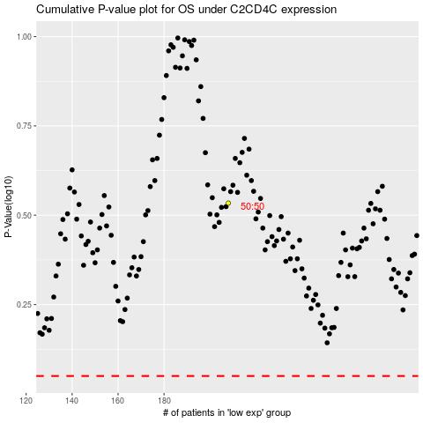

 |  |  |  |  |  | cases_OS | p_OS | rank | exp
 |  |  |  |  |  |  | cases_RFS | p_RFS | rank | exp

