C4A _multivariate
Reported by Tex Li-Hsing Chi. tex@gate.sinica.edu.tw 2019-08-21

Table 2. The clinicopathological features of HNSCC cohort and C4A expression. (Chi square test)
Cutoff at -0.237 (50.0%)
 |  | C4A expression |  | C4A expression |  | (Optimised)
 | Features | Low | (%) | High | (%) | Case no | P-value | Remark | Matthews
Gender | Female | 157 | 37.8 | 149 | 35.9 | 415 | 0.3881 | 0 | 0
2 | Male | 50 | 12 | 59 | 14.2
Age at diagnosis | <=65y | 139 | 33.5 | 135 | 32.5 | 415 | 0.7044 | 0 | 0
4 | >65y | 68 | 16.4 | 73 | 17.6
Clinical T Status | T1+T2 | 70 | 16.9 | 79 | 19 | 415 | 0.4343 | 0 | 0
6 | T3+T4 | 137 | 33 | 129 | 31.1
Clinical N Status | N0 | 111 | 26.7 | 105 | 25.3 | 415 | 0.5875 | 0 | 0
8 | N1-3 | 96 | 23.1 | 103 | 24.8
Clinical M Status | M0 | 205 | 49.4 | 207 | 49.9 | 415 | 0.6232 | 0 | 0
10 | M1 | 2 | 0.5 | 1 | 0.2
Clinical Stage | Stage I+II | 47 | 11.3 | 55 | 13.3 | 415 | 0.4413 | 0 | 0
12 | Stage III+IV | 160 | 38.6 | 153 | 36.9
Surgical Margin status | Negative | 154 | 37.1 | 164 | 39.5 | 415 | 0.2984 | 0 | 0
14 | Positive | 53 | 12.8 | 44 | 10.6
Tobacco Exposure | Low | 82 | 19.8 | 79 | 19 | 415 | 0.763 | 0 | 0
16 | High | 125 | 30.1 | 129 | 31.1

Table 3. Univariate/Multivariate Cox's proportional hazards regression analyses on OS time of C4A gene expression in HNSCC

 |  | Univariate |  |  |  | Multivariate
 | Features | HR | CI95%(L) | CI95%(H) | P-value | HR | CI95%(L) | CI95%(H) | P-value
1 | Female | 1 |  |  |  | 1
Gender | Male | 1.157 | 0.843 | 1.587 | 0.367 | 1.21 | 0.866 | 1.692 | 0.264
11 | <=65y | 1 |  |  |  | 1
Age at diagnosis | >65y | 1.329 | 0.99 | 1.784 | 0.058 | 1.393 | 1.026 | 1.893 | 0.034
12 | T1+T2 | 1 |  |  |  | 1
Clinical T Status | T3+T4 | 1.409 | 1.028 | 1.931 | 0.033 | 2.233 | 1.18 | 4.224 | 0.014
13 | N0 | 1 |  |  |  | 1
Clinical N Status | N1-3 | 1.185 | 0.89 | 1.577 | 0.246 | 1.251 | 0.877 | 1.785 | 0.216
14 | M0 | 1 |  |  |  | 1
Clinical M Status | M1 | 4.097 | 1.009 | 16.644 | 0.049 | 9.382 | 2.047 | 43.01 | 0.004
15 | Stage I+II | 1 |  |  |  | 1
Clinical Stage | Stage III+IV | 1.245 | 0.882 | 1.759 | 0.213 | 0.494 | 0.23 | 1.06 | 0.07
16 | Negative | 1 |  |  |  | 1
Surgical Margin status | Positive | 1.591 | 1.155 | 2.191 | 0.004 | 1.682 | 1.216 | 2.325 | 0.002
17 | Low | 1 |  |  |  | 1
Tobacco Exposure | High | 1.364 | 1.008 | 1.844 | 0.044 | 1.456 | 1.056 | 2.007 | 0.022
18 | Low | 1 |  |  |  | 1
RNAseq(z-score) | High | 0.864 | 0.649 | 1.151 | 0.317 | 0.833 | 0.625 | 1.112 | 0.215

Table 4. Univariate/Multivariate Cox's proportional hazards regression analyses on RFS time of C4A gene expression in HNSCC

 |  | Univariate |  |  |  | Multivariate
 | Features | HR | CI95%(L) | CI95%(H) | P-value | HR | CI95%(L) | CI95%(H) | P-value
1 | Female | 1 |  |  |  | 1
Gender | Male | 1.157 | 0.843 | 1.587 | 0.367 | 1.21 | 0.866 | 1.692 | 0.264
11 | <=65y | 1 |  |  |  | 1
Age at diagnosis | >65y | 1.329 | 0.99 | 1.784 | 0.058 | 1.393 | 1.026 | 1.893 | 0.034
12 | T1+T2 | 1 |  |  |  | 1
Clinical T Status | T3+T4 | 1.409 | 1.028 | 1.931 | 0.033 | 2.233 | 1.18 | 4.224 | 0.014
13 | N0 | 1 |  |  |  | 1
Clinical N Status | N1-3 | 1.185 | 0.89 | 1.577 | 0.246 | 1.251 | 0.877 | 1.785 | 0.216
14 | M0 | 1 |  |  |  | 1
Clinical M Status | M1 | 4.097 | 1.009 | 16.644 | 0.049 | 9.382 | 2.047 | 43.01 | 0.004
15 | Stage I+II | 1 |  |  |  | 1
Clinical Stage | Stage III+IV | 1.245 | 0.882 | 1.759 | 0.213 | 0.494 | 0.23 | 1.06 | 0.07
16 | Negative | 1 |  |  |  | 1
Surgical Margin status | Positive | 1.591 | 1.155 | 2.191 | 0.004 | 1.682 | 1.216 | 2.325 | 0.002
17 | Low | 1 |  |  |  | 1
Tobacco Exposure | High | 1.364 | 1.008 | 1.844 | 0.044 | 1.456 | 1.056 | 2.007 | 0.022
18 | Low | 1 |  |  |  | 1
RNAseq(z-score) | High | 0.864 | 0.649 | 1.151 | 0.317 | 0.833 | 0.625 | 1.112 | 0.215

Kaplan-Meier survival estimate: Cutoff at -0.237 (50.0%)



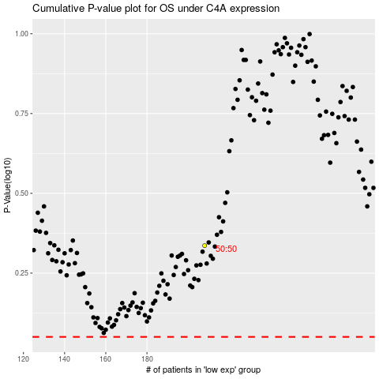

 |  |  |  |  |  | cases_OS | p_OS | rank | exp
 |  |  |  |  |  |  | cases_RFS | p_RFS | rank | exp

