C5 _multivariate
Reported by Tex Li-Hsing Chi. tex@gate.sinica.edu.tw 2019-08-21

Table 2. The clinicopathological features of HNSCC cohort and C5 expression. (Chi square test)
Cutoff at -0.36 (49.8%)
 |  | C5 expression |  | C5 expression |  | (Optimised)
 | Features | Low | (%) | High | (%) | Case no | P-value | Remark | Matthews
Gender | Female | 148 | 35.7 | 158 | 38.1 | 415 | 0.3567 | 0 | 0
2 | Male | 59 | 14.2 | 50 | 12
Age at diagnosis | <=65y | 125 | 30.1 | 149 | 35.9 | 415 | 0.0206 | 1 | 0
4 | >65y | 82 | 19.8 | 59 | 14.2
Clinical T Status | T1+T2 | 71 | 17.1 | 78 | 18.8 | 415 | 0.5638 | 0 | 0
6 | T3+T4 | 136 | 32.8 | 130 | 31.3
Clinical N Status | N0 | 107 | 25.8 | 109 | 26.3 | 415 | 0.9624 | 0 | 0
8 | N1-3 | 100 | 24.1 | 99 | 23.9
Clinical M Status | M0 | 205 | 49.4 | 207 | 49.9 | 415 | 0.6232 | 0 | 0
10 | M1 | 2 | 0.5 | 1 | 0.2
Clinical Stage | Stage I+II | 52 | 12.5 | 50 | 12 | 415 | 0.8871 | 0 | 0
12 | Stage III+IV | 155 | 37.3 | 158 | 38.1
Surgical Margin status | Negative | 161 | 38.8 | 157 | 37.8 | 415 | 0.6429 | 0 | 0
14 | Positive | 46 | 11.1 | 51 | 12.3
Tobacco Exposure | Low | 94 | 22.7 | 67 | 16.1 | 415 | 0.0065 | 1 | 0
16 | High | 113 | 27.2 | 141 | 34

Table 3. Univariate/Multivariate Cox's proportional hazards regression analyses on OS time of C5 gene expression in HNSCC

 |  | Univariate |  |  |  | Multivariate
 | Features | HR | CI95%(L) | CI95%(H) | P-value | HR | CI95%(L) | CI95%(H) | P-value
1 | Female | 1 |  |  |  | 1
Gender | Male | 1.157 | 0.843 | 1.587 | 0.367 | 1.198 | 0.857 | 1.675 | 0.291
11 | <=65y | 1 |  |  |  | 1
Age at diagnosis | >65y | 1.329 | 0.99 | 1.784 | 0.058 | 1.369 | 1.006 | 1.863 | 0.045
12 | T1+T2 | 1 |  |  |  | 1
Clinical T Status | T3+T4 | 1.409 | 1.028 | 1.931 | 0.033 | 2.158 | 1.141 | 4.082 | 0.018
13 | N0 | 1 |  |  |  | 1
Clinical N Status | N1-3 | 1.185 | 0.89 | 1.577 | 0.246 | 1.245 | 0.873 | 1.776 | 0.226
14 | M0 | 1 |  |  |  | 1
Clinical M Status | M1 | 4.097 | 1.009 | 16.644 | 0.049 | 9.013 | 1.964 | 41.354 | 0.005
15 | Stage I+II | 1 |  |  |  | 1
Clinical Stage | Stage III+IV | 1.245 | 0.882 | 1.759 | 0.213 | 0.511 | 0.238 | 1.097 | 0.085
16 | Negative | 1 |  |  |  | 1
Surgical Margin status | Positive | 1.591 | 1.155 | 2.191 | 0.004 | 1.692 | 1.224 | 2.339 | 0.001
17 | Low | 1 |  |  |  | 1
Tobacco Exposure | High | 1.364 | 1.008 | 1.844 | 0.044 | 1.524 | 1.098 | 2.116 | 0.012
18 | Low | 1 |  |  |  | 1
RNAseq(z-score) | High | 0.849 | 0.637 | 1.131 | 0.262 | 0.809 | 0.601 | 1.089 | 0.161

Table 4. Univariate/Multivariate Cox's proportional hazards regression analyses on RFS time of C5 gene expression in HNSCC

 |  | Univariate |  |  |  | Multivariate
 | Features | HR | CI95%(L) | CI95%(H) | P-value | HR | CI95%(L) | CI95%(H) | P-value
1 | Female | 1 |  |  |  | 1
Gender | Male | 1.157 | 0.843 | 1.587 | 0.367 | 1.198 | 0.857 | 1.675 | 0.291
11 | <=65y | 1 |  |  |  | 1
Age at diagnosis | >65y | 1.329 | 0.99 | 1.784 | 0.058 | 1.369 | 1.006 | 1.863 | 0.045
12 | T1+T2 | 1 |  |  |  | 1
Clinical T Status | T3+T4 | 1.409 | 1.028 | 1.931 | 0.033 | 2.158 | 1.141 | 4.082 | 0.018
13 | N0 | 1 |  |  |  | 1
Clinical N Status | N1-3 | 1.185 | 0.89 | 1.577 | 0.246 | 1.245 | 0.873 | 1.776 | 0.226
14 | M0 | 1 |  |  |  | 1
Clinical M Status | M1 | 4.097 | 1.009 | 16.644 | 0.049 | 9.013 | 1.964 | 41.354 | 0.005
15 | Stage I+II | 1 |  |  |  | 1
Clinical Stage | Stage III+IV | 1.245 | 0.882 | 1.759 | 0.213 | 0.511 | 0.238 | 1.097 | 0.085
16 | Negative | 1 |  |  |  | 1
Surgical Margin status | Positive | 1.591 | 1.155 | 2.191 | 0.004 | 1.692 | 1.224 | 2.339 | 0.001
17 | Low | 1 |  |  |  | 1
Tobacco Exposure | High | 1.364 | 1.008 | 1.844 | 0.044 | 1.524 | 1.098 | 2.116 | 0.012
18 | Low | 1 |  |  |  | 1
RNAseq(z-score) | High | 0.849 | 0.637 | 1.131 | 0.262 | 0.809 | 0.601 | 1.089 | 0.161

Kaplan-Meier survival estimate: Cutoff at -0.36 (49.8%)



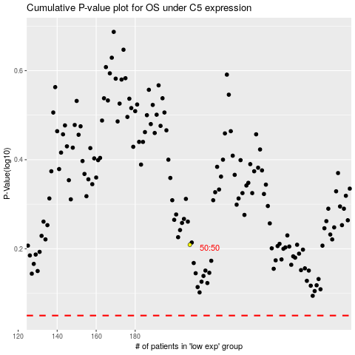

 |  |  |  |  |  | cases_OS | p_OS | rank | exp
 |  |  |  |  |  |  | cases_RFS | p_RFS | rank | exp

