C7 _multivariate
Reported by Tex Li-Hsing Chi. tex@gate.sinica.edu.tw 2019-08-21

Table 2. The clinicopathological features of HNSCC cohort and C7 expression. (Chi square test)
Cutoff at -0.24 (30.7%)
 |  | C7 expression |  | C7 expression |  | (Optimised)
 | Features | Low | (%) | High | (%) | Case no | P-value | Remark | Matthews
Gender | Female | 97 | 23.4 | 209 | 50.4 | 415 | 0.4893 | 0 | 0
2 | Male | 30 | 7.2 | 79 | 19
Age at diagnosis | <=65y | 79 | 19 | 195 | 47 | 415 | 0.3279 | 0 | 0
4 | >65y | 48 | 11.6 | 93 | 22.4
Clinical T Status | T1+T2 | 41 | 9.9 | 108 | 26 | 415 | 0.3629 | 0 | 0
6 | T3+T4 | 86 | 20.7 | 180 | 43.4
Clinical N Status | N0 | 70 | 16.9 | 146 | 35.2 | 415 | 0.4686 | 0 | 0
8 | N1-3 | 57 | 13.7 | 142 | 34.2
Clinical M Status | M0 | 126 | 30.4 | 286 | 68.9 | 415 | 1 | 0 | 0
10 | M1 | 1 | 0.2 | 2 | 0.5
Clinical Stage | Stage I+II | 30 | 7.2 | 72 | 17.3 | 415 | 0.8597 | 0 | 0
12 | Stage III+IV | 97 | 23.4 | 216 | 52
Surgical Margin status | Negative | 96 | 23.1 | 222 | 53.5 | 415 | 0.8014 | 0 | 0
14 | Positive | 31 | 7.5 | 66 | 15.9
Tobacco Exposure | Low | 60 | 14.5 | 101 | 24.3 | 415 | 0.0218 | 1 | 0
16 | High | 67 | 16.1 | 187 | 45.1

Table 3. Univariate/Multivariate Cox's proportional hazards regression analyses on OS time of C7 gene expression in HNSCC

 |  | Univariate |  |  |  | Multivariate
 | Features | HR | CI95%(L) | CI95%(H) | P-value | HR | CI95%(L) | CI95%(H) | P-value
1 | Female | 1 |  |  |  | 1
Gender | Male | 1.157 | 0.843 | 1.587 | 0.367 | 1.172 | 0.839 | 1.637 | 0.352
11 | <=65y | 1 |  |  |  | 1
Age at diagnosis | >65y | 1.329 | 0.99 | 1.784 | 0.058 | 1.414 | 1.04 | 1.924 | 0.027
12 | T1+T2 | 1 |  |  |  | 1
Clinical T Status | T3+T4 | 1.409 | 1.028 | 1.931 | 0.033 | 2.227 | 1.178 | 4.21 | 0.014
13 | N0 | 1 |  |  |  | 1
Clinical N Status | N1-3 | 1.185 | 0.89 | 1.577 | 0.246 | 1.262 | 0.884 | 1.8 | 0.2
14 | M0 | 1 |  |  |  | 1
Clinical M Status | M1 | 4.097 | 1.009 | 16.644 | 0.049 | 9.783 | 2.133 | 44.859 | 0.003
15 | Stage I+II | 1 |  |  |  | 1
Clinical Stage | Stage III+IV | 1.245 | 0.882 | 1.759 | 0.213 | 0.493 | 0.23 | 1.06 | 0.07
16 | Negative | 1 |  |  |  | 1
Surgical Margin status | Positive | 1.591 | 1.155 | 2.191 | 0.004 | 1.648 | 1.193 | 2.276 | 0.002
17 | Low | 1 |  |  |  | 1
Tobacco Exposure | High | 1.364 | 1.008 | 1.844 | 0.044 | 1.352 | 0.976 | 1.873 | 0.07
18 | Low | 1 |  |  |  | 1
RNAseq(z-score) | High | 1.556 | 1.11 | 2.182 | 0.01 | 1.506 | 1.068 | 2.125 | 0.02

Table 4. Univariate/Multivariate Cox's proportional hazards regression analyses on RFS time of C7 gene expression in HNSCC

 |  | Univariate |  |  |  | Multivariate
 | Features | HR | CI95%(L) | CI95%(H) | P-value | HR | CI95%(L) | CI95%(H) | P-value
1 | Female | 1 |  |  |  | 1
Gender | Male | 1.157 | 0.843 | 1.587 | 0.367 | 1.172 | 0.839 | 1.637 | 0.352
11 | <=65y | 1 |  |  |  | 1
Age at diagnosis | >65y | 1.329 | 0.99 | 1.784 | 0.058 | 1.414 | 1.04 | 1.924 | 0.027
12 | T1+T2 | 1 |  |  |  | 1
Clinical T Status | T3+T4 | 1.409 | 1.028 | 1.931 | 0.033 | 2.227 | 1.178 | 4.21 | 0.014
13 | N0 | 1 |  |  |  | 1
Clinical N Status | N1-3 | 1.185 | 0.89 | 1.577 | 0.246 | 1.262 | 0.884 | 1.8 | 0.2
14 | M0 | 1 |  |  |  | 1
Clinical M Status | M1 | 4.097 | 1.009 | 16.644 | 0.049 | 9.783 | 2.133 | 44.859 | 0.003
15 | Stage I+II | 1 |  |  |  | 1
Clinical Stage | Stage III+IV | 1.245 | 0.882 | 1.759 | 0.213 | 0.493 | 0.23 | 1.06 | 0.07
16 | Negative | 1 |  |  |  | 1
Surgical Margin status | Positive | 1.591 | 1.155 | 2.191 | 0.004 | 1.648 | 1.193 | 2.276 | 0.002
17 | Low | 1 |  |  |  | 1
Tobacco Exposure | High | 1.364 | 1.008 | 1.844 | 0.044 | 1.352 | 0.976 | 1.873 | 0.07
18 | Low | 1 |  |  |  | 1
RNAseq(z-score) | High | 1.556 | 1.11 | 2.182 | 0.01 | 1.506 | 1.068 | 2.125 | 0.02

Kaplan-Meier survival estimate: Cutoff at -0.24 (30.7%)

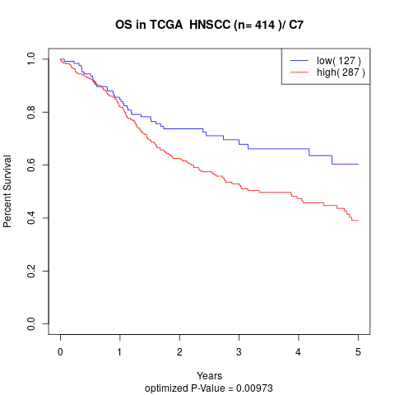

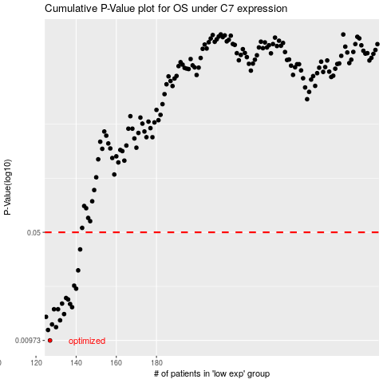

 |  |  |  |  |  | cases_OS | p_OS | rank | exp
 |  |  |  |  |  | 127 | 0.00973 | 267 | -0.24008035649
 |  |  |  |  |  | 126 | 0.0114 | 16 | -0.2400825927
 |  |  |  |  |  | 130 | 0.0119 | 410 | -0.23979432445
 |  |  |  |  |  | 128 | 0.0124 | 323 | -0.23999781988
 |  |  |  |  |  | 132 | 0.0132 | 248 | -0.23972805121
 |  |  |  |  |  | 125 | 0.0139 | 93 | -0.24013748158
 |  |  |  |  |  | 134 | 0.0145 | 4 | -0.2396869862
 |  |  |  |  |  | 129 | 0.0156 | 44 | -0.239961024
 |  |  |  |  |  | 131 | 0.0156 | 320 | -0.23979025861
 |  |  |  |  |  | 138 | 0.0161 | 221 | -0.23925153444
 |  |  |  |  |  | 137 | 0.0169 | 197 | -0.23933874677
 |  |  |  |  |  | 133 | 0.017 | 11 | -0.23970751871
 |  |  |  |  |  | 136 | 0.0181 | 19 | -0.23944669489
 |  |  |  |  |  | 135 | 0.0185 | 246 | -0.23954061586
 |  |  |  |  |  | 140 | 0.0213 | 92 | -0.23915720689
 |  |  |  |  |  | 139 | 0.0223 | 27 | -0.23920518383
 |  |  |  |  |  | 141 | 0.0281 | 204 | -0.23900717729
 |  |  |  |  |  | 142 | 0.0386 | 191 | -0.23900372132
 |  |  |  |  |  |  | cases_RFS | p_RFS | rank | exp
 |  |  |  |  |  |  | 126 | 0.00973 | 16 | -0.2400825927
 |  |  |  |  |  |  | 125 | 0.0114 | 93 | -0.24013748158
 |  |  |  |  |  |  | 129 | 0.0119 | 44 | -0.239961024
 |  |  |  |  |  |  | 127 | 0.0124 | 267 | -0.24008035649
 |  |  |  |  |  |  | 131 | 0.0132 | 320 | -0.23979025861
 |  |  |  |  |  |  |  | 0.0139 | 238 | -0.24019602972
 |  |  |  |  |  |  | 133 | 0.0145 | 11 | -0.23970751871
 |  |  |  |  |  |  | 128 | 0.0156 | 323 | -0.23999781988
 |  |  |  |  |  |  | 130 | 0.0156 | 410 | -0.23979432445
 |  |  |  |  |  |  | 137 | 0.0161 | 197 | -0.23933874677
 |  |  |  |  |  |  | 136 | 0.0169 | 19 | -0.23944669489
 |  |  |  |  |  |  | 132 | 0.017 | 248 | -0.23972805121
 |  |  |  |  |  |  | 135 | 0.0181 | 246 | -0.23954061586
 |  |  |  |  |  |  | 134 | 0.0185 | 4 | -0.2396869862
 |  |  |  |  |  |  | 139 | 0.0213 | 27 | -0.23920518383
 |  |  |  |  |  |  | 138 | 0.0223 | 221 | -0.23925153444
 |  |  |  |  |  |  | 140 | 0.0281 | 92 | -0.23915720689
 |  |  |  |  |  |  | 141 | 0.0386 | 204 | -0.23900717729

