C8G _multivariate
Reported by Tex Li-Hsing Chi. tex@gate.sinica.edu.tw 2019-08-21

Table 2. The clinicopathological features of HNSCC cohort and C8G expression. (Chi square test)
Cutoff at -0.125 (50.0%)
 |  | C8G expression |  | C8G expression |  | (Optimised)
 | Features | Low | (%) | High | (%) | Case no | P-value | Remark | Matthews
Gender | Female | 146 | 35.2 | 160 | 38.6 | 415 | 0.1714 | 0 | 0
2 | Male | 61 | 14.7 | 48 | 11.6
Age at diagnosis | <=65y | 130 | 31.3 | 144 | 34.7 | 415 | 0.2009 | 0 | 0
4 | >65y | 77 | 18.6 | 64 | 15.4
Clinical T Status | T1+T2 | 77 | 18.6 | 72 | 17.3 | 415 | 0.6556 | 0 | 0
6 | T3+T4 | 130 | 31.3 | 136 | 32.8
Clinical N Status | N0 | 109 | 26.3 | 107 | 25.8 | 415 | 0.8812 | 0 | 0
8 | N1-3 | 98 | 23.6 | 101 | 24.3
Clinical M Status | M0 | 206 | 49.6 | 206 | 49.6 | 415 | 1 | 0 | 0
10 | M1 | 1 | 0.2 | 2 | 0.5
Clinical Stage | Stage I+II | 59 | 14.2 | 43 | 10.4 | 415 | 0.0822 | 0 | 0
12 | Stage III+IV | 148 | 35.7 | 165 | 39.8
Surgical Margin status | Negative | 160 | 38.6 | 158 | 38.1 | 415 | 0.8167 | 0 | 0
14 | Positive | 47 | 11.3 | 50 | 12
Tobacco Exposure | Low | 83 | 20 | 78 | 18.8 | 415 | 0.6152 | 0 | 0
16 | High | 124 | 29.9 | 130 | 31.3

Table 3. Univariate/Multivariate Cox's proportional hazards regression analyses on OS time of C8G gene expression in HNSCC

 |  | Univariate |  |  |  | Multivariate
 | Features | HR | CI95%(L) | CI95%(H) | P-value | HR | CI95%(L) | CI95%(H) | P-value
1 | Female | 1 |  |  |  | 1
Gender | Male | 1.157 | 0.843 | 1.587 | 0.367 | 1.196 | 0.856 | 1.672 | 0.293
11 | <=65y | 1 |  |  |  | 1
Age at diagnosis | >65y | 1.329 | 0.99 | 1.784 | 0.058 | 1.388 | 1.021 | 1.887 | 0.036
12 | T1+T2 | 1 |  |  |  | 1
Clinical T Status | T3+T4 | 1.409 | 1.028 | 1.931 | 0.033 | 2.171 | 1.146 | 4.112 | 0.017
13 | N0 | 1 |  |  |  | 1
Clinical N Status | N1-3 | 1.185 | 0.89 | 1.577 | 0.246 | 1.233 | 0.863 | 1.76 | 0.25
14 | M0 | 1 |  |  |  | 1
Clinical M Status | M1 | 4.097 | 1.009 | 16.644 | 0.049 | 9.524 | 2.077 | 43.675 | 0.004
15 | Stage I+II | 1 |  |  |  | 1
Clinical Stage | Stage III+IV | 1.245 | 0.882 | 1.759 | 0.213 | 0.522 | 0.241 | 1.131 | 0.099
16 | Negative | 1 |  |  |  | 1
Surgical Margin status | Positive | 1.591 | 1.155 | 2.191 | 0.004 | 1.675 | 1.212 | 2.315 | 0.002
17 | Low | 1 |  |  |  | 1
Tobacco Exposure | High | 1.364 | 1.008 | 1.844 | 0.044 | 1.462 | 1.06 | 2.015 | 0.021
18 | Low | 1 |  |  |  | 1
RNAseq(z-score) | High | 0.934 | 0.7 | 1.246 | 0.642 | 0.913 | 0.679 | 1.228 | 0.547

Table 4. Univariate/Multivariate Cox's proportional hazards regression analyses on RFS time of C8G gene expression in HNSCC

 |  | Univariate |  |  |  | Multivariate
 | Features | HR | CI95%(L) | CI95%(H) | P-value | HR | CI95%(L) | CI95%(H) | P-value
1 | Female | 1 |  |  |  | 1
Gender | Male | 1.157 | 0.843 | 1.587 | 0.367 | 1.196 | 0.856 | 1.672 | 0.293
11 | <=65y | 1 |  |  |  | 1
Age at diagnosis | >65y | 1.329 | 0.99 | 1.784 | 0.058 | 1.388 | 1.021 | 1.887 | 0.036
12 | T1+T2 | 1 |  |  |  | 1
Clinical T Status | T3+T4 | 1.409 | 1.028 | 1.931 | 0.033 | 2.171 | 1.146 | 4.112 | 0.017
13 | N0 | 1 |  |  |  | 1
Clinical N Status | N1-3 | 1.185 | 0.89 | 1.577 | 0.246 | 1.233 | 0.863 | 1.76 | 0.25
14 | M0 | 1 |  |  |  | 1
Clinical M Status | M1 | 4.097 | 1.009 | 16.644 | 0.049 | 9.524 | 2.077 | 43.675 | 0.004
15 | Stage I+II | 1 |  |  |  | 1
Clinical Stage | Stage III+IV | 1.245 | 0.882 | 1.759 | 0.213 | 0.522 | 0.241 | 1.131 | 0.099
16 | Negative | 1 |  |  |  | 1
Surgical Margin status | Positive | 1.591 | 1.155 | 2.191 | 0.004 | 1.675 | 1.212 | 2.315 | 0.002
17 | Low | 1 |  |  |  | 1
Tobacco Exposure | High | 1.364 | 1.008 | 1.844 | 0.044 | 1.462 | 1.06 | 2.015 | 0.021
18 | Low | 1 |  |  |  | 1
RNAseq(z-score) | High | 0.934 | 0.7 | 1.246 | 0.642 | 0.913 | 0.679 | 1.228 | 0.547

Kaplan-Meier survival estimate: Cutoff at -0.125 (50.0%)



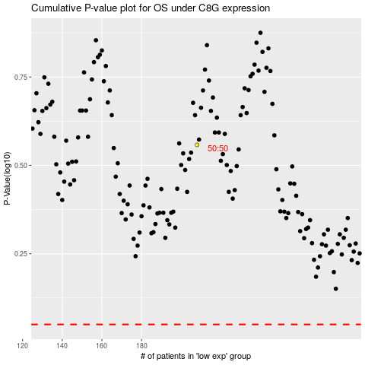

 |  |  |  |  |  | cases_OS | p_OS | rank | exp
 |  |  |  |  |  |  | cases_RFS | p_RFS | rank | exp

