C8ORFK29 _multivariate
Reported by Tex Li-Hsing Chi. tex@gate.sinica.edu.tw 2019-08-21

Table 2. The clinicopathological features of HNSCC cohort and C8ORFK29 expression. (Chi square test)
Cutoff at -0.26 (50.0%)
 |  | C8ORFK29 expression |  | C8ORFK29 expression |  | (Optimised)
 | Features | Low | (%) | High | (%) | Case no | P-value | Remark | Matthews
Gender | Female | 154 | 37.1 | 152 | 36.6 | 415 | 0.8463 | 0 | 0
2 | Male | 53 | 12.8 | 56 | 13.5
Age at diagnosis | <=65y | 134 | 32.3 | 140 | 33.7 | 415 | 0.6529 | 0 | 0
4 | >65y | 73 | 17.6 | 68 | 16.4
Clinical T Status | T1+T2 | 73 | 17.6 | 76 | 18.3 | 415 | 0.8666 | 0 | 0
6 | T3+T4 | 134 | 32.3 | 132 | 31.8
Clinical N Status | N0 | 110 | 26.5 | 106 | 25.5 | 415 | 0.7294 | 0 | 0
8 | N1-3 | 97 | 23.4 | 102 | 24.6
Clinical M Status | M0 | 206 | 49.6 | 206 | 49.6 | 415 | 1 | 0 | 0
10 | M1 | 1 | 0.2 | 2 | 0.5
Clinical Stage | Stage I+II | 50 | 12 | 52 | 12.5 | 415 | 0.9315 | 0 | 0
12 | Stage III+IV | 157 | 37.8 | 156 | 37.6
Surgical Margin status | Negative | 161 | 38.8 | 157 | 37.8 | 415 | 0.6429 | 0 | 0
14 | Positive | 46 | 11.1 | 51 | 12.3
Tobacco Exposure | Low | 82 | 19.8 | 79 | 19 | 415 | 0.763 | 0 | 0
16 | High | 125 | 30.1 | 129 | 31.1

Table 3. Univariate/Multivariate Cox's proportional hazards regression analyses on OS time of C8ORFK29 gene expression in HNSCC

 |  | Univariate |  |  |  | Multivariate
 | Features | HR | CI95%(L) | CI95%(H) | P-value | HR | CI95%(L) | CI95%(H) | P-value
1 | Female | 1 |  |  |  | 1
Gender | Male | 1.157 | 0.843 | 1.587 | 0.367 | 1.22 | 0.874 | 1.704 | 0.242
11 | <=65y | 1 |  |  |  | 1
Age at diagnosis | >65y | 1.329 | 0.99 | 1.784 | 0.058 | 1.379 | 1.014 | 1.874 | 0.04
12 | T1+T2 | 1 |  |  |  | 1
Clinical T Status | T3+T4 | 1.409 | 1.028 | 1.931 | 0.033 | 2.219 | 1.173 | 4.197 | 0.014
13 | N0 | 1 |  |  |  | 1
Clinical N Status | N1-3 | 1.185 | 0.89 | 1.577 | 0.246 | 1.266 | 0.886 | 1.807 | 0.195
14 | M0 | 1 |  |  |  | 1
Clinical M Status | M1 | 4.097 | 1.009 | 16.644 | 0.049 | 9.598 | 2.093 | 44.02 | 0.004
15 | Stage I+II | 1 |  |  |  | 1
Clinical Stage | Stage III+IV | 1.245 | 0.882 | 1.759 | 0.213 | 0.492 | 0.229 | 1.058 | 0.069
16 | Negative | 1 |  |  |  | 1
Surgical Margin status | Positive | 1.591 | 1.155 | 2.191 | 0.004 | 1.687 | 1.22 | 2.333 | 0.002
17 | Low | 1 |  |  |  | 1
Tobacco Exposure | High | 1.364 | 1.008 | 1.844 | 0.044 | 1.469 | 1.066 | 2.025 | 0.019
18 | Low | 1 |  |  |  | 1
RNAseq(z-score) | High | 0.847 | 0.635 | 1.13 | 0.258 | 0.82 | 0.612 | 1.097 | 0.181

Table 4. Univariate/Multivariate Cox's proportional hazards regression analyses on RFS time of C8ORFK29 gene expression in HNSCC

 |  | Univariate |  |  |  | Multivariate
 | Features | HR | CI95%(L) | CI95%(H) | P-value | HR | CI95%(L) | CI95%(H) | P-value
1 | Female | 1 |  |  |  | 1
Gender | Male | 1.157 | 0.843 | 1.587 | 0.367 | 1.22 | 0.874 | 1.704 | 0.242
11 | <=65y | 1 |  |  |  | 1
Age at diagnosis | >65y | 1.329 | 0.99 | 1.784 | 0.058 | 1.379 | 1.014 | 1.874 | 0.04
12 | T1+T2 | 1 |  |  |  | 1
Clinical T Status | T3+T4 | 1.409 | 1.028 | 1.931 | 0.033 | 2.219 | 1.173 | 4.197 | 0.014
13 | N0 | 1 |  |  |  | 1
Clinical N Status | N1-3 | 1.185 | 0.89 | 1.577 | 0.246 | 1.266 | 0.886 | 1.807 | 0.195
14 | M0 | 1 |  |  |  | 1
Clinical M Status | M1 | 4.097 | 1.009 | 16.644 | 0.049 | 9.598 | 2.093 | 44.02 | 0.004
15 | Stage I+II | 1 |  |  |  | 1
Clinical Stage | Stage III+IV | 1.245 | 0.882 | 1.759 | 0.213 | 0.492 | 0.229 | 1.058 | 0.069
16 | Negative | 1 |  |  |  | 1
Surgical Margin status | Positive | 1.591 | 1.155 | 2.191 | 0.004 | 1.687 | 1.22 | 2.333 | 0.002
17 | Low | 1 |  |  |  | 1
Tobacco Exposure | High | 1.364 | 1.008 | 1.844 | 0.044 | 1.469 | 1.066 | 2.025 | 0.019
18 | Low | 1 |  |  |  | 1
RNAseq(z-score) | High | 0.847 | 0.635 | 1.13 | 0.258 | 0.82 | 0.612 | 1.097 | 0.181

Kaplan-Meier survival estimate: Cutoff at -0.26 (50.0%)

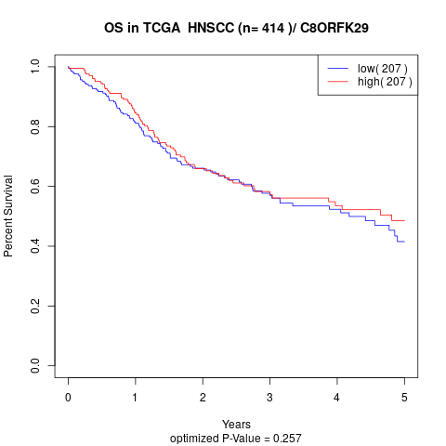

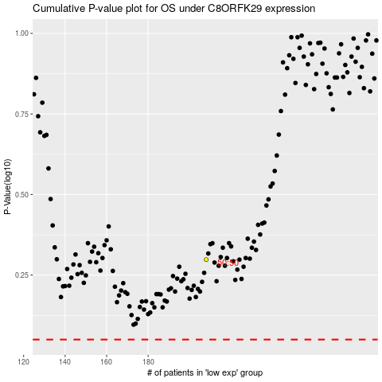

 |  |  |  |  |  | cases_OS | p_OS | rank | exp
 |  |  |  |  |  |  | cases_RFS | p_RFS | rank | exp

