CA11 _multivariate
Reported by Tex Li-Hsing Chi. tex@gate.sinica.edu.tw 2019-08-21

Table 2. The clinicopathological features of HNSCC cohort and CA11 expression. (Chi square test)
Cutoff at -0.335 (49.8%)
 |  | CA11 expression |  | CA11 expression |  | (Optimised)
 | Features | Low | (%) | High | (%) | Case no | P-value | Remark | Matthews
Gender | Female | 148 | 35.7 | 158 | 38.1 | 415 | 0.3567 | 0 | 0
2 | Male | 59 | 14.2 | 50 | 12
Age at diagnosis | <=65y | 141 | 34 | 133 | 32 | 415 | 0.4272 | 0 | 0
4 | >65y | 66 | 15.9 | 75 | 18.1
Clinical T Status | T1+T2 | 74 | 17.8 | 75 | 18.1 | 415 | 1 | 0 | 0
6 | T3+T4 | 133 | 32 | 133 | 32
Clinical N Status | N0 | 106 | 25.5 | 110 | 26.5 | 415 | 0.8075 | 0 | 0
8 | N1-3 | 101 | 24.3 | 98 | 23.6
Clinical M Status | M0 | 204 | 49.2 | 208 | 50.1 | 415 | 0.1232 | 0 | 0
10 | M1 | 3 | 0.7 | 0 | 0
Clinical Stage | Stage I+II | 56 | 13.5 | 46 | 11.1 | 415 | 0.2918 | 0 | 0
12 | Stage III+IV | 151 | 36.4 | 162 | 39
Surgical Margin status | Negative | 165 | 39.8 | 153 | 36.9 | 415 | 0.1639 | 0 | 0
14 | Positive | 42 | 10.1 | 55 | 13.3
Tobacco Exposure | Low | 91 | 21.9 | 70 | 16.9 | 415 | 0.0346 | 1 | 0
16 | High | 116 | 28 | 138 | 33.3

Table 3. Univariate/Multivariate Cox's proportional hazards regression analyses on OS time of CA11 gene expression in HNSCC

 |  | Univariate |  |  |  | Multivariate
 | Features | HR | CI95%(L) | CI95%(H) | P-value | HR | CI95%(L) | CI95%(H) | P-value
1 | Female | 1 |  |  |  | 1
Gender | Male | 1.157 | 0.843 | 1.587 | 0.367 | 1.194 | 0.854 | 1.669 | 0.3
11 | <=65y | 1 |  |  |  | 1
Age at diagnosis | >65y | 1.329 | 0.99 | 1.784 | 0.058 | 1.403 | 1.031 | 1.908 | 0.031
12 | T1+T2 | 1 |  |  |  | 1
Clinical T Status | T3+T4 | 1.409 | 1.028 | 1.931 | 0.033 | 2.136 | 1.124 | 4.059 | 0.021
13 | N0 | 1 |  |  |  | 1
Clinical N Status | N1-3 | 1.185 | 0.89 | 1.577 | 0.246 | 1.229 | 0.861 | 1.755 | 0.257
14 | M0 | 1 |  |  |  | 1
Clinical M Status | M1 | 4.097 | 1.009 | 16.644 | 0.049 | 8.692 | 1.87 | 40.394 | 0.006
15 | Stage I+II | 1 |  |  |  | 1
Clinical Stage | Stage III+IV | 1.245 | 0.882 | 1.759 | 0.213 | 0.524 | 0.242 | 1.131 | 0.1
16 | Negative | 1 |  |  |  | 1
Surgical Margin status | Positive | 1.591 | 1.155 | 2.191 | 0.004 | 1.686 | 1.22 | 2.332 | 0.002
17 | Low | 1 |  |  |  | 1
Tobacco Exposure | High | 1.364 | 1.008 | 1.844 | 0.044 | 1.487 | 1.072 | 2.062 | 0.018
18 | Low | 1 |  |  |  | 1
RNAseq(z-score) | High | 0.935 | 0.703 | 1.246 | 0.648 | 0.894 | 0.663 | 1.204 | 0.461

Table 4. Univariate/Multivariate Cox's proportional hazards regression analyses on RFS time of CA11 gene expression in HNSCC

 |  | Univariate |  |  |  | Multivariate
 | Features | HR | CI95%(L) | CI95%(H) | P-value | HR | CI95%(L) | CI95%(H) | P-value
1 | Female | 1 |  |  |  | 1
Gender | Male | 1.157 | 0.843 | 1.587 | 0.367 | 1.194 | 0.854 | 1.669 | 0.3
11 | <=65y | 1 |  |  |  | 1
Age at diagnosis | >65y | 1.329 | 0.99 | 1.784 | 0.058 | 1.403 | 1.031 | 1.908 | 0.031
12 | T1+T2 | 1 |  |  |  | 1
Clinical T Status | T3+T4 | 1.409 | 1.028 | 1.931 | 0.033 | 2.136 | 1.124 | 4.059 | 0.021
13 | N0 | 1 |  |  |  | 1
Clinical N Status | N1-3 | 1.185 | 0.89 | 1.577 | 0.246 | 1.229 | 0.861 | 1.755 | 0.257
14 | M0 | 1 |  |  |  | 1
Clinical M Status | M1 | 4.097 | 1.009 | 16.644 | 0.049 | 8.692 | 1.87 | 40.394 | 0.006
15 | Stage I+II | 1 |  |  |  | 1
Clinical Stage | Stage III+IV | 1.245 | 0.882 | 1.759 | 0.213 | 0.524 | 0.242 | 1.131 | 0.1
16 | Negative | 1 |  |  |  | 1
Surgical Margin status | Positive | 1.591 | 1.155 | 2.191 | 0.004 | 1.686 | 1.22 | 2.332 | 0.002
17 | Low | 1 |  |  |  | 1
Tobacco Exposure | High | 1.364 | 1.008 | 1.844 | 0.044 | 1.487 | 1.072 | 2.062 | 0.018
18 | Low | 1 |  |  |  | 1
RNAseq(z-score) | High | 0.935 | 0.703 | 1.246 | 0.648 | 0.894 | 0.663 | 1.204 | 0.461

Kaplan-Meier survival estimate: Cutoff at -0.335 (49.8%)

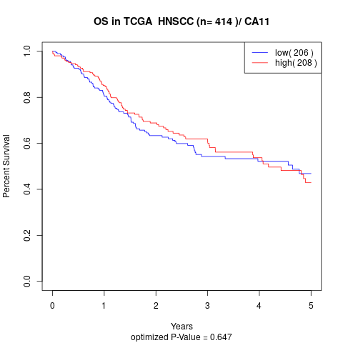

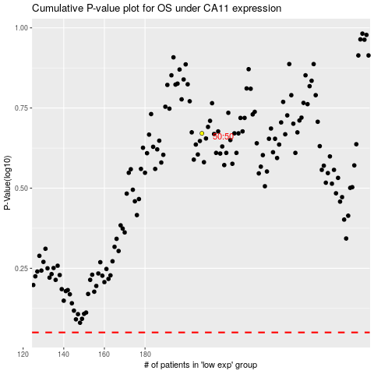

 |  |  |  |  |  | cases_OS | p_OS | rank | exp
 |  |  |  |  |  |  | cases_RFS | p_RFS | rank | exp

