CA2 _multivariate
Reported by Tex Li-Hsing Chi. tex@gate.sinica.edu.tw 2019-08-21

Table 2. The clinicopathological features of HNSCC cohort and CA2 expression. (Chi square test)
Cutoff at -0.272 (49.8%)
 |  | CA2 expression |  | CA2 expression |  | (Optimised)
 | Features | Low | (%) | High | (%) | Case no | P-value | Remark | Matthews
Gender | Female | 161 | 38.8 | 145 | 34.9 | 415 | 0.0792 | 0 | 0
2 | Male | 46 | 11.1 | 63 | 15.2
Age at diagnosis | <=65y | 144 | 34.7 | 130 | 31.3 | 415 | 0.1568 | 0 | 0
4 | >65y | 63 | 15.2 | 78 | 18.8
Clinical T Status | T1+T2 | 76 | 18.3 | 73 | 17.6 | 415 | 0.8092 | 0 | 0
6 | T3+T4 | 131 | 31.6 | 135 | 32.5
Clinical N Status | N0 | 106 | 25.5 | 110 | 26.5 | 415 | 0.8075 | 0 | 0
8 | N1-3 | 101 | 24.3 | 98 | 23.6
Clinical M Status | M0 | 206 | 49.6 | 206 | 49.6 | 415 | 1 | 0 | 0
10 | M1 | 1 | 0.2 | 2 | 0.5
Clinical Stage | Stage I+II | 46 | 11.1 | 56 | 13.5 | 415 | 0.3182 | 0 | 0
12 | Stage III+IV | 161 | 38.8 | 152 | 36.6
Surgical Margin status | Negative | 158 | 38.1 | 160 | 38.6 | 415 | 0.9081 | 0 | 0
14 | Positive | 49 | 11.8 | 48 | 11.6
Tobacco Exposure | Low | 68 | 16.4 | 93 | 22.4 | 415 | 0.0156 | 1 | 0
16 | High | 139 | 33.5 | 115 | 27.7

Table 3. Univariate/Multivariate Cox's proportional hazards regression analyses on OS time of CA2 gene expression in HNSCC

 |  | Univariate |  |  |  | Multivariate
 | Features | HR | CI95%(L) | CI95%(H) | P-value | HR | CI95%(L) | CI95%(H) | P-value
1 | Female | 1 |  |  |  | 1
Gender | Male | 1.157 | 0.843 | 1.587 | 0.367 | 1.206 | 0.863 | 1.685 | 0.273
11 | <=65y | 1 |  |  |  | 1
Age at diagnosis | >65y | 1.329 | 0.99 | 1.784 | 0.058 | 1.395 | 1.026 | 1.896 | 0.033
12 | T1+T2 | 1 |  |  |  | 1
Clinical T Status | T3+T4 | 1.409 | 1.028 | 1.931 | 0.033 | 2.226 | 1.176 | 4.216 | 0.014
13 | N0 | 1 |  |  |  | 1
Clinical N Status | N1-3 | 1.185 | 0.89 | 1.577 | 0.246 | 1.242 | 0.87 | 1.772 | 0.233
14 | M0 | 1 |  |  |  | 1
Clinical M Status | M1 | 4.097 | 1.009 | 16.644 | 0.049 | 9.713 | 2.107 | 44.776 | 0.004
15 | Stage I+II | 1 |  |  |  | 1
Clinical Stage | Stage III+IV | 1.245 | 0.882 | 1.759 | 0.213 | 0.496 | 0.23 | 1.067 | 0.073
16 | Negative | 1 |  |  |  | 1
Surgical Margin status | Positive | 1.591 | 1.155 | 2.191 | 0.004 | 1.667 | 1.206 | 2.304 | 0.002
17 | Low | 1 |  |  |  | 1
Tobacco Exposure | High | 1.364 | 1.008 | 1.844 | 0.044 | 1.436 | 1.039 | 1.985 | 0.029
18 | Low | 1 |  |  |  | 1
RNAseq(z-score) | High | 0.934 | 0.701 | 1.244 | 0.64 | 0.93 | 0.692 | 1.249 | 0.629

Table 4. Univariate/Multivariate Cox's proportional hazards regression analyses on RFS time of CA2 gene expression in HNSCC

 |  | Univariate |  |  |  | Multivariate
 | Features | HR | CI95%(L) | CI95%(H) | P-value | HR | CI95%(L) | CI95%(H) | P-value
1 | Female | 1 |  |  |  | 1
Gender | Male | 1.157 | 0.843 | 1.587 | 0.367 | 1.206 | 0.863 | 1.685 | 0.273
11 | <=65y | 1 |  |  |  | 1
Age at diagnosis | >65y | 1.329 | 0.99 | 1.784 | 0.058 | 1.395 | 1.026 | 1.896 | 0.033
12 | T1+T2 | 1 |  |  |  | 1
Clinical T Status | T3+T4 | 1.409 | 1.028 | 1.931 | 0.033 | 2.226 | 1.176 | 4.216 | 0.014
13 | N0 | 1 |  |  |  | 1
Clinical N Status | N1-3 | 1.185 | 0.89 | 1.577 | 0.246 | 1.242 | 0.87 | 1.772 | 0.233
14 | M0 | 1 |  |  |  | 1
Clinical M Status | M1 | 4.097 | 1.009 | 16.644 | 0.049 | 9.713 | 2.107 | 44.776 | 0.004
15 | Stage I+II | 1 |  |  |  | 1
Clinical Stage | Stage III+IV | 1.245 | 0.882 | 1.759 | 0.213 | 0.496 | 0.23 | 1.067 | 0.073
16 | Negative | 1 |  |  |  | 1
Surgical Margin status | Positive | 1.591 | 1.155 | 2.191 | 0.004 | 1.667 | 1.206 | 2.304 | 0.002
17 | Low | 1 |  |  |  | 1
Tobacco Exposure | High | 1.364 | 1.008 | 1.844 | 0.044 | 1.436 | 1.039 | 1.985 | 0.029
18 | Low | 1 |  |  |  | 1
RNAseq(z-score) | High | 0.934 | 0.701 | 1.244 | 0.64 | 0.93 | 0.692 | 1.249 | 0.629

Kaplan-Meier survival estimate: Cutoff at -0.272 (49.8%)



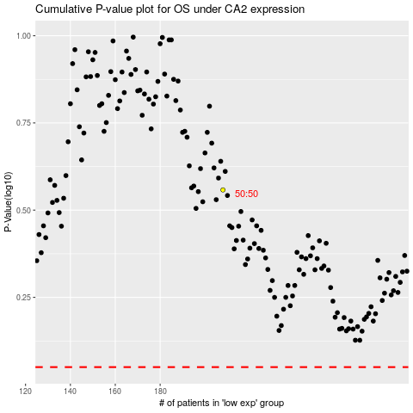

 |  |  |  |  |  | cases_OS | p_OS | rank | exp
 |  |  |  |  |  |  | cases_RFS | p_RFS | rank | exp

