CA9 _multivariate
Reported by Tex Li-Hsing Chi. tex@gate.sinica.edu.tw 2019-08-21

Table 2. The clinicopathological features of HNSCC cohort and CA9 expression. (Chi square test)
Cutoff at -0.3 (49.5%)
 |  | CA9 expression |  | CA9 expression |  | (Optimised)
 | Features | Low | (%) | High | (%) | Case no | P-value | Remark | Matthews
Gender | Female | 160 | 38.6 | 146 | 35.2 | 415 | 0.0897 | 0 | 0
2 | Male | 46 | 11.1 | 63 | 15.2
Age at diagnosis | <=65y | 139 | 33.5 | 135 | 32.5 | 415 | 0.6057 | 0 | 0
4 | >65y | 67 | 16.1 | 74 | 17.8
Clinical T Status | T1+T2 | 79 | 19 | 70 | 16.9 | 415 | 0.353 | 0 | 0
6 | T3+T4 | 127 | 30.6 | 139 | 33.5
Clinical N Status | N0 | 112 | 27 | 104 | 25.1 | 415 | 0.4002 | 1 | 0
8 | N1-3 | 94 | 22.7 | 105 | 25.3
Clinical M Status | M0 | 204 | 49.2 | 208 | 50.1 | 415 | 0.6214 | 0 | 0
10 | M1 | 2 | 0.5 | 1 | 0.2
Clinical Stage | Stage I+II | 50 | 12 | 52 | 12.5 | 415 | 0.9761 | 0 | 0
12 | Stage III+IV | 156 | 37.6 | 157 | 37.8
Surgical Margin status | Negative | 156 | 37.6 | 162 | 39 | 415 | 0.7281 | 0 | 0
14 | Positive | 50 | 12 | 47 | 11.3
Tobacco Exposure | Low | 79 | 19 | 82 | 19.8 | 415 | 0.9198 | 0 | 0
16 | High | 127 | 30.6 | 127 | 30.6

Table 3. Univariate/Multivariate Cox's proportional hazards regression analyses on OS time of CA9 gene expression in HNSCC

 |  | Univariate |  |  |  | Multivariate
 | Features | HR | CI95%(L) | CI95%(H) | P-value | HR | CI95%(L) | CI95%(H) | P-value
1 | Female | 1 |  |  |  | 1
Gender | Male | 1.157 | 0.843 | 1.587 | 0.367 | 1.162 | 0.829 | 1.628 | 0.384
11 | <=65y | 1 |  |  |  | 1
Age at diagnosis | >65y | 1.329 | 0.99 | 1.784 | 0.058 | 1.373 | 1.011 | 1.867 | 0.043
12 | T1+T2 | 1 |  |  |  | 1
Clinical T Status | T3+T4 | 1.409 | 1.028 | 1.931 | 0.033 | 2.15 | 1.136 | 4.066 | 0.019
13 | N0 | 1 |  |  |  | 1
Clinical N Status | N1-3 | 1.185 | 0.89 | 1.577 | 0.246 | 1.22 | 0.854 | 1.741 | 0.274
14 | M0 | 1 |  |  |  | 1
Clinical M Status | M1 | 4.097 | 1.009 | 16.644 | 0.049 | 9.532 | 2.078 | 43.73 | 0.004
15 | Stage I+II | 1 |  |  |  | 1
Clinical Stage | Stage III+IV | 1.245 | 0.882 | 1.759 | 0.213 | 0.512 | 0.239 | 1.098 | 0.086
16 | Negative | 1 |  |  |  | 1
Surgical Margin status | Positive | 1.591 | 1.155 | 2.191 | 0.004 | 1.692 | 1.224 | 2.34 | 0.001
17 | Low | 1 |  |  |  | 1
Tobacco Exposure | High | 1.364 | 1.008 | 1.844 | 0.044 | 1.457 | 1.056 | 2.01 | 0.022
18 | Low | 1 |  |  |  | 1
RNAseq(z-score) | High | 1.347 | 1.007 | 1.802 | 0.045 | 1.287 | 0.958 | 1.728 | 0.094

Table 4. Univariate/Multivariate Cox's proportional hazards regression analyses on RFS time of CA9 gene expression in HNSCC

 |  | Univariate |  |  |  | Multivariate
 | Features | HR | CI95%(L) | CI95%(H) | P-value | HR | CI95%(L) | CI95%(H) | P-value
1 | Female | 1 |  |  |  | 1
Gender | Male | 1.157 | 0.843 | 1.587 | 0.367 | 1.162 | 0.829 | 1.628 | 0.384
11 | <=65y | 1 |  |  |  | 1
Age at diagnosis | >65y | 1.329 | 0.99 | 1.784 | 0.058 | 1.373 | 1.011 | 1.867 | 0.043
12 | T1+T2 | 1 |  |  |  | 1
Clinical T Status | T3+T4 | 1.409 | 1.028 | 1.931 | 0.033 | 2.15 | 1.136 | 4.066 | 0.019
13 | N0 | 1 |  |  |  | 1
Clinical N Status | N1-3 | 1.185 | 0.89 | 1.577 | 0.246 | 1.22 | 0.854 | 1.741 | 0.274
14 | M0 | 1 |  |  |  | 1
Clinical M Status | M1 | 4.097 | 1.009 | 16.644 | 0.049 | 9.532 | 2.078 | 43.73 | 0.004
15 | Stage I+II | 1 |  |  |  | 1
Clinical Stage | Stage III+IV | 1.245 | 0.882 | 1.759 | 0.213 | 0.512 | 0.239 | 1.098 | 0.086
16 | Negative | 1 |  |  |  | 1
Surgical Margin status | Positive | 1.591 | 1.155 | 2.191 | 0.004 | 1.692 | 1.224 | 2.34 | 0.001
17 | Low | 1 |  |  |  | 1
Tobacco Exposure | High | 1.364 | 1.008 | 1.844 | 0.044 | 1.457 | 1.056 | 2.01 | 0.022
18 | Low | 1 |  |  |  | 1
RNAseq(z-score) | High | 1.347 | 1.007 | 1.802 | 0.045 | 1.287 | 0.958 | 1.728 | 0.094

Kaplan-Meier survival estimate: Cutoff at -0.3 (49.5%)



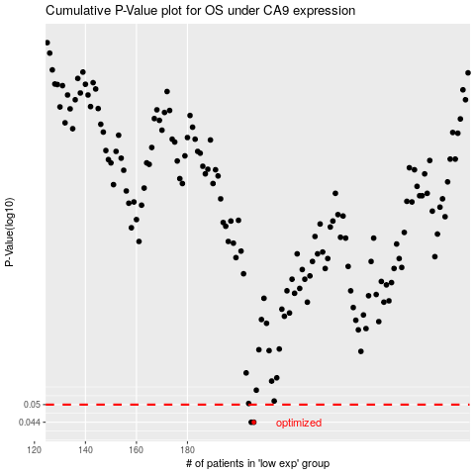

 |  |  |  |  |  | cases_OS | p_OS | rank | exp
 |  |  |  |  |  | 206 | 0.044 | 86 | -0.2997480921
 |  |  |  |  |  | 205 | 0.044 | 333 | -0.30182222553
 |  |  |  |  |  |  | cases_RFS | p_RFS | rank | exp
 |  |  |  |  |  |  | 205 | 0.044 | 333 | -0.30182222553
 |  |  |  |  |  |  | 204 | 0.044 | 382 | -0.30713125567

