CABP1 _multivariate
Reported by Tex Li-Hsing Chi. tex@gate.sinica.edu.tw 2019-08-21

Table 2. The clinicopathological features of HNSCC cohort and CABP1 expression. (Chi square test)
Cutoff at -0.252 (30.0%)
 |  | CABP1 expression |  | CABP1 expression |  | (Optimised)
 | Features | Low | (%) | High | (%) | Case no | P-value | Remark | Matthews
Gender | Female | 92 | 22.2 | 214 | 51.6 | 415 | 1 | 0 | 0
2 | Male | 33 | 8 | 76 | 18.3
Age at diagnosis | <=65y | 83 | 20 | 191 | 46 | 415 | 1 | 0 | 0
4 | >65y | 42 | 10.1 | 99 | 23.9
Clinical T Status | T1+T2 | 37 | 8.9 | 112 | 27 | 415 | 0.0998 | 0 | 0
6 | T3+T4 | 88 | 21.2 | 178 | 42.9
Clinical N Status | N0 | 56 | 13.5 | 160 | 38.6 | 415 | 0.0667 | 0 | 0
8 | N1-3 | 69 | 16.6 | 130 | 31.3
Clinical M Status | M0 | 125 | 30.1 | 287 | 69.2 | 415 | 0.5571 | 0 | 0
10 | M1 | 0 | 0 | 3 | 0.7
Clinical Stage | Stage I+II | 28 | 6.7 | 74 | 17.8 | 415 | 0.5807 | 0 | 0
12 | Stage III+IV | 97 | 23.4 | 216 | 52
Surgical Margin status | Negative | 98 | 23.6 | 220 | 53 | 415 | 0.6148 | 0 | 0
14 | Positive | 27 | 6.5 | 70 | 16.9
Tobacco Exposure | Low | 56 | 13.5 | 105 | 25.3 | 415 | 0.1013 | 0 | 0
16 | High | 69 | 16.6 | 185 | 44.6

Table 3. Univariate/Multivariate Cox's proportional hazards regression analyses on OS time of CABP1 gene expression in HNSCC

 |  | Univariate |  |  |  | Multivariate
 | Features | HR | CI95%(L) | CI95%(H) | P-value | HR | CI95%(L) | CI95%(H) | P-value
1 | Female | 1 |  |  |  | 1
Gender | Male | 1.157 | 0.843 | 1.587 | 0.367 | 1.212 | 0.869 | 1.69 | 0.258
11 | <=65y | 1 |  |  |  | 1
Age at diagnosis | >65y | 1.329 | 0.99 | 1.784 | 0.058 | 1.399 | 1.029 | 1.902 | 0.032
12 | T1+T2 | 1 |  |  |  | 1
Clinical T Status | T3+T4 | 1.409 | 1.028 | 1.931 | 0.033 | 2.101 | 1.109 | 3.98 | 0.023
13 | N0 | 1 |  |  |  | 1
Clinical N Status | N1-3 | 1.185 | 0.89 | 1.577 | 0.246 | 1.159 | 0.809 | 1.659 | 0.421
14 | M0 | 1 |  |  |  | 1
Clinical M Status | M1 | 4.097 | 1.009 | 16.644 | 0.049 | 10.801 | 2.345 | 49.755 | 0.002
15 | Stage I+II | 1 |  |  |  | 1
Clinical Stage | Stage III+IV | 1.245 | 0.882 | 1.759 | 0.213 | 0.54 | 0.251 | 1.163 | 0.116
16 | Negative | 1 |  |  |  | 1
Surgical Margin status | Positive | 1.591 | 1.155 | 2.191 | 0.004 | 1.74 | 1.257 | 2.409 | 0.001
17 | Low | 1 |  |  |  | 1
Tobacco Exposure | High | 1.364 | 1.008 | 1.844 | 0.044 | 1.57 | 1.133 | 2.175 | 0.007
18 | Low | 1 |  |  |  | 1
RNAseq(z-score) | High | 0.713 | 0.53 | 0.96 | 0.026 | 0.661 | 0.485 | 0.899 | 0.008

Table 4. Univariate/Multivariate Cox's proportional hazards regression analyses on RFS time of CABP1 gene expression in HNSCC

 |  | Univariate |  |  |  | Multivariate
 | Features | HR | CI95%(L) | CI95%(H) | P-value | HR | CI95%(L) | CI95%(H) | P-value
1 | Female | 1 |  |  |  | 1
Gender | Male | 1.157 | 0.843 | 1.587 | 0.367 | 1.212 | 0.869 | 1.69 | 0.258
11 | <=65y | 1 |  |  |  | 1
Age at diagnosis | >65y | 1.329 | 0.99 | 1.784 | 0.058 | 1.399 | 1.029 | 1.902 | 0.032
12 | T1+T2 | 1 |  |  |  | 1
Clinical T Status | T3+T4 | 1.409 | 1.028 | 1.931 | 0.033 | 2.101 | 1.109 | 3.98 | 0.023
13 | N0 | 1 |  |  |  | 1
Clinical N Status | N1-3 | 1.185 | 0.89 | 1.577 | 0.246 | 1.159 | 0.809 | 1.659 | 0.421
14 | M0 | 1 |  |  |  | 1
Clinical M Status | M1 | 4.097 | 1.009 | 16.644 | 0.049 | 10.801 | 2.345 | 49.755 | 0.002
15 | Stage I+II | 1 |  |  |  | 1
Clinical Stage | Stage III+IV | 1.245 | 0.882 | 1.759 | 0.213 | 0.54 | 0.251 | 1.163 | 0.116
16 | Negative | 1 |  |  |  | 1
Surgical Margin status | Positive | 1.591 | 1.155 | 2.191 | 0.004 | 1.74 | 1.257 | 2.409 | 0.001
17 | Low | 1 |  |  |  | 1
Tobacco Exposure | High | 1.364 | 1.008 | 1.844 | 0.044 | 1.57 | 1.133 | 2.175 | 0.007
18 | Low | 1 |  |  |  | 1
RNAseq(z-score) | High | 0.713 | 0.53 | 0.96 | 0.026 | 0.661 | 0.485 | 0.899 | 0.008

Kaplan-Meier survival estimate: Cutoff at -0.252 (30.0%)



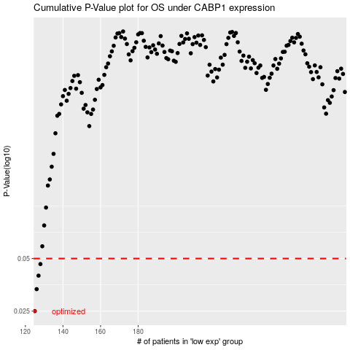

 |  |  |  |  |  | cases_OS | p_OS | rank | exp
 |  |  |  |  |  | 125 | 0.025 | 105 | -0.25170690978
 |  |  |  |  |  | 126 | 0.0334 | 311 | -0.25158644374
 |  |  |  |  |  | 127 | 0.0399 | 101 | -0.25132141845
 |  |  |  |  |  | 128 | 0.0465 | 6 | -0.25070101833
 |  |  |  |  |  |  | cases_RFS | p_RFS | rank | exp
 |  |  |  |  |  |  |  | 0.025 | 401 | -0.25215263414
 |  |  |  |  |  |  | 125 | 0.0334 | 105 | -0.25170690978
 |  |  |  |  |  |  | 126 | 0.0399 | 311 | -0.25158644374
 |  |  |  |  |  |  | 127 | 0.0465 | 101 | -0.25132141845

