CACHD1 _multivariate
Reported by Tex Li-Hsing Chi. tex@gate.sinica.edu.tw 2019-08-21

Table 2. The clinicopathological features of HNSCC cohort and CACHD1 expression. (Chi square test)
Cutoff at -0.598 (30.4%)
 |  | CACHD1 expression |  | CACHD1 expression |  | (Optimised)
 | Features | Low | (%) | High | (%) | Case no | P-value | Remark | Matthews
Gender | Female | 99 | 23.9 | 207 | 49.9 | 415 | 0.2398 | 0 | 0
2 | Male | 28 | 6.7 | 81 | 19.5
Age at diagnosis | <=65y | 90 | 21.7 | 184 | 44.3 | 415 | 0.2039 | 0 | 0
4 | >65y | 37 | 8.9 | 104 | 25.1
Clinical T Status | T1+T2 | 42 | 10.1 | 107 | 25.8 | 415 | 0.4916 | 0 | 0
6 | T3+T4 | 85 | 20.5 | 181 | 43.6
Clinical N Status | N0 | 56 | 13.5 | 160 | 38.6 | 415 | 0.0406 | 1 | 0
8 | N1-3 | 71 | 17.1 | 128 | 30.8
Clinical M Status | M0 | 125 | 30.1 | 287 | 69.2 | 415 | 0.223 | 0 | 0
10 | M1 | 2 | 0.5 | 1 | 0.2
Clinical Stage | Stage I+II | 26 | 6.3 | 76 | 18.3 | 415 | 0.2435 | 0 | 0
12 | Stage III+IV | 101 | 24.3 | 212 | 51.1
Surgical Margin status | Negative | 96 | 23.1 | 222 | 53.5 | 415 | 0.8014 | 0 | 0
14 | Positive | 31 | 7.5 | 66 | 15.9
Tobacco Exposure | Low | 54 | 13 | 107 | 25.8 | 415 | 0.3259 | 0 | 0
16 | High | 73 | 17.6 | 181 | 43.6

Table 3. Univariate/Multivariate Cox's proportional hazards regression analyses on OS time of CACHD1 gene expression in HNSCC

 |  | Univariate |  |  |  | Multivariate
 | Features | HR | CI95%(L) | CI95%(H) | P-value | HR | CI95%(L) | CI95%(H) | P-value
1 | Female | 1 |  |  |  | 1
Gender | Male | 1.157 | 0.843 | 1.587 | 0.367 | 1.206 | 0.864 | 1.683 | 0.272
11 | <=65y | 1 |  |  |  | 1
Age at diagnosis | >65y | 1.329 | 0.99 | 1.784 | 0.058 | 1.454 | 1.066 | 1.984 | 0.018
12 | T1+T2 | 1 |  |  |  | 1
Clinical T Status | T3+T4 | 1.409 | 1.028 | 1.931 | 0.033 | 2.175 | 1.151 | 4.109 | 0.017
13 | N0 | 1 |  |  |  | 1
Clinical N Status | N1-3 | 1.185 | 0.89 | 1.577 | 0.246 | 1.203 | 0.842 | 1.718 | 0.31
14 | M0 | 1 |  |  |  | 1
Clinical M Status | M1 | 4.097 | 1.009 | 16.644 | 0.049 | 8.149 | 1.766 | 37.607 | 0.007
15 | Stage I+II | 1 |  |  |  | 1
Clinical Stage | Stage III+IV | 1.245 | 0.882 | 1.759 | 0.213 | 0.511 | 0.238 | 1.094 | 0.084
16 | Negative | 1 |  |  |  | 1
Surgical Margin status | Positive | 1.591 | 1.155 | 2.191 | 0.004 | 1.635 | 1.182 | 2.26 | 0.003
17 | Low | 1 |  |  |  | 1
Tobacco Exposure | High | 1.364 | 1.008 | 1.844 | 0.044 | 1.508 | 1.092 | 2.082 | 0.013
18 | Low | 1 |  |  |  | 1
RNAseq(z-score) | High | 0.739 | 0.546 | 1 | 0.05 | 0.727 | 0.531 | 0.995 | 0.047

Table 4. Univariate/Multivariate Cox's proportional hazards regression analyses on RFS time of CACHD1 gene expression in HNSCC

 |  | Univariate |  |  |  | Multivariate
 | Features | HR | CI95%(L) | CI95%(H) | P-value | HR | CI95%(L) | CI95%(H) | P-value
1 | Female | 1 |  |  |  | 1
Gender | Male | 1.157 | 0.843 | 1.587 | 0.367 | 1.206 | 0.864 | 1.683 | 0.272
11 | <=65y | 1 |  |  |  | 1
Age at diagnosis | >65y | 1.329 | 0.99 | 1.784 | 0.058 | 1.454 | 1.066 | 1.984 | 0.018
12 | T1+T2 | 1 |  |  |  | 1
Clinical T Status | T3+T4 | 1.409 | 1.028 | 1.931 | 0.033 | 2.175 | 1.151 | 4.109 | 0.017
13 | N0 | 1 |  |  |  | 1
Clinical N Status | N1-3 | 1.185 | 0.89 | 1.577 | 0.246 | 1.203 | 0.842 | 1.718 | 0.31
14 | M0 | 1 |  |  |  | 1
Clinical M Status | M1 | 4.097 | 1.009 | 16.644 | 0.049 | 8.149 | 1.766 | 37.607 | 0.007
15 | Stage I+II | 1 |  |  |  | 1
Clinical Stage | Stage III+IV | 1.245 | 0.882 | 1.759 | 0.213 | 0.511 | 0.238 | 1.094 | 0.084
16 | Negative | 1 |  |  |  | 1
Surgical Margin status | Positive | 1.591 | 1.155 | 2.191 | 0.004 | 1.635 | 1.182 | 2.26 | 0.003
17 | Low | 1 |  |  |  | 1
Tobacco Exposure | High | 1.364 | 1.008 | 1.844 | 0.044 | 1.508 | 1.092 | 2.082 | 0.013
18 | Low | 1 |  |  |  | 1
RNAseq(z-score) | High | 0.739 | 0.546 | 1 | 0.05 | 0.727 | 0.531 | 0.995 | 0.047

Kaplan-Meier survival estimate: Cutoff at -0.598 (30.4%)



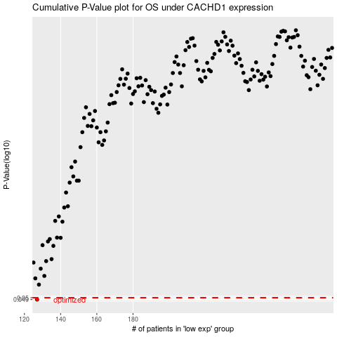

 |  |  |  |  |  | cases_OS | p_OS | rank | exp
 |  |  |  |  |  | 127 | 0.049 | 316 | -0.59780679478
 |  |  |  |  |  |  | cases_RFS | p_RFS | rank | exp
 |  |  |  |  |  |  | 126 | 0.049 | 220 | -0.59782614572

