CACNA1E _multivariate
Reported by Tex Li-Hsing Chi. tex@gate.sinica.edu.tw 2019-08-21

Table 2. The clinicopathological features of HNSCC cohort and CACNA1E expression. (Chi square test)
Cutoff at -0.196 (49.5%)
 |  | CACNA1E expression |  | CACNA1E expression |  | (Optimised)
 | Features | Low | (%) | High | (%) | Case no | P-value | Remark | Matthews
Gender | Female | 151 | 36.4 | 155 | 37.3 | 415 | 0.93 | 0 | 0
2 | Male | 55 | 13.3 | 54 | 13
Age at diagnosis | <=65y | 138 | 33.3 | 136 | 32.8 | 415 | 0.7574 | 0 | 0
4 | >65y | 68 | 16.4 | 73 | 17.6
Clinical T Status | T1+T2 | 65 | 15.7 | 84 | 20.2 | 415 | 0.0833 | 0 | 0
6 | T3+T4 | 141 | 34 | 125 | 30.1
Clinical N Status | N0 | 105 | 25.3 | 111 | 26.7 | 415 | 0.7355 | 0 | 0
8 | N1-3 | 101 | 24.3 | 98 | 23.6
Clinical M Status | M0 | 203 | 48.9 | 209 | 50.4 | 415 | 0.1214 | 0 | 0
10 | M1 | 3 | 0.7 | 0 | 0
Clinical Stage | Stage I+II | 45 | 10.8 | 57 | 13.7 | 415 | 0.242 | 0 | 0
12 | Stage III+IV | 161 | 38.8 | 152 | 36.6
Surgical Margin status | Negative | 157 | 37.8 | 161 | 38.8 | 415 | 0.9078 | 0 | 0
14 | Positive | 49 | 11.8 | 48 | 11.6
Tobacco Exposure | Low | 86 | 20.7 | 75 | 18.1 | 415 | 0.2283 | 0 | 0
16 | High | 120 | 28.9 | 134 | 32.3

Table 3. Univariate/Multivariate Cox's proportional hazards regression analyses on OS time of CACNA1E gene expression in HNSCC

 |  | Univariate |  |  |  | Multivariate
 | Features | HR | CI95%(L) | CI95%(H) | P-value | HR | CI95%(L) | CI95%(H) | P-value
1 | Female | 1 |  |  |  | 1
Gender | Male | 1.157 | 0.843 | 1.587 | 0.367 | 1.194 | 0.855 | 1.667 | 0.298
11 | <=65y | 1 |  |  |  | 1
Age at diagnosis | >65y | 1.329 | 0.99 | 1.784 | 0.058 | 1.419 | 1.043 | 1.932 | 0.026
12 | T1+T2 | 1 |  |  |  | 1
Clinical T Status | T3+T4 | 1.409 | 1.028 | 1.931 | 0.033 | 2.193 | 1.16 | 4.146 | 0.016
13 | N0 | 1 |  |  |  | 1
Clinical N Status | N1-3 | 1.185 | 0.89 | 1.577 | 0.246 | 1.244 | 0.872 | 1.774 | 0.228
14 | M0 | 1 |  |  |  | 1
Clinical M Status | M1 | 4.097 | 1.009 | 16.644 | 0.049 | 8.645 | 1.874 | 39.873 | 0.006
15 | Stage I+II | 1 |  |  |  | 1
Clinical Stage | Stage III+IV | 1.245 | 0.882 | 1.759 | 0.213 | 0.5 | 0.233 | 1.073 | 0.075
16 | Negative | 1 |  |  |  | 1
Surgical Margin status | Positive | 1.591 | 1.155 | 2.191 | 0.004 | 1.67 | 1.208 | 2.307 | 0.002
17 | Low | 1 |  |  |  | 1
Tobacco Exposure | High | 1.364 | 1.008 | 1.844 | 0.044 | 1.467 | 1.065 | 2.02 | 0.019
18 | Low | 1 |  |  |  | 1
RNAseq(z-score) | High | 0.838 | 0.629 | 1.116 | 0.227 | 0.839 | 0.628 | 1.122 | 0.237

Table 4. Univariate/Multivariate Cox's proportional hazards regression analyses on RFS time of CACNA1E gene expression in HNSCC

 |  | Univariate |  |  |  | Multivariate
 | Features | HR | CI95%(L) | CI95%(H) | P-value | HR | CI95%(L) | CI95%(H) | P-value
1 | Female | 1 |  |  |  | 1
Gender | Male | 1.157 | 0.843 | 1.587 | 0.367 | 1.194 | 0.855 | 1.667 | 0.298
11 | <=65y | 1 |  |  |  | 1
Age at diagnosis | >65y | 1.329 | 0.99 | 1.784 | 0.058 | 1.419 | 1.043 | 1.932 | 0.026
12 | T1+T2 | 1 |  |  |  | 1
Clinical T Status | T3+T4 | 1.409 | 1.028 | 1.931 | 0.033 | 2.193 | 1.16 | 4.146 | 0.016
13 | N0 | 1 |  |  |  | 1
Clinical N Status | N1-3 | 1.185 | 0.89 | 1.577 | 0.246 | 1.244 | 0.872 | 1.774 | 0.228
14 | M0 | 1 |  |  |  | 1
Clinical M Status | M1 | 4.097 | 1.009 | 16.644 | 0.049 | 8.645 | 1.874 | 39.873 | 0.006
15 | Stage I+II | 1 |  |  |  | 1
Clinical Stage | Stage III+IV | 1.245 | 0.882 | 1.759 | 0.213 | 0.5 | 0.233 | 1.073 | 0.075
16 | Negative | 1 |  |  |  | 1
Surgical Margin status | Positive | 1.591 | 1.155 | 2.191 | 0.004 | 1.67 | 1.208 | 2.307 | 0.002
17 | Low | 1 |  |  |  | 1
Tobacco Exposure | High | 1.364 | 1.008 | 1.844 | 0.044 | 1.467 | 1.065 | 2.02 | 0.019
18 | Low | 1 |  |  |  | 1
RNAseq(z-score) | High | 0.838 | 0.629 | 1.116 | 0.227 | 0.839 | 0.628 | 1.122 | 0.237

Kaplan-Meier survival estimate: Cutoff at -0.196 (49.5%)



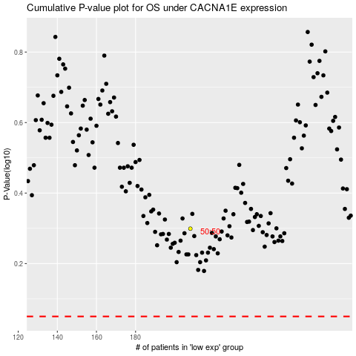

 |  |  |  |  |  | cases_OS | p_OS | rank | exp
 |  |  |  |  |  |  | cases_RFS | p_RFS | rank | exp

