CACNA1G _multivariate
Reported by Tex Li-Hsing Chi. tex@gate.sinica.edu.tw 2019-08-21

Table 2. The clinicopathological features of HNSCC cohort and CACNA1G expression. (Chi square test)
Cutoff at -0.127 (49.8%)
 |  | CACNA1G expression |  | CACNA1G expression |  | (Optimised)
 | Features | Low | (%) | High | (%) | Case no | P-value | Remark | Matthews
Gender | Female | 153 | 36.9 | 153 | 36.9 | 415 | 1 | 0 | 0
2 | Male | 54 | 13 | 55 | 13.3
Age at diagnosis | <=65y | 135 | 32.5 | 139 | 33.5 | 415 | 0.8084 | 0 | 0
4 | >65y | 72 | 17.3 | 69 | 16.6
Clinical T Status | T1+T2 | 76 | 18.3 | 73 | 17.6 | 415 | 0.8092 | 0 | 0
6 | T3+T4 | 131 | 31.6 | 135 | 32.5
Clinical N Status | N0 | 104 | 25.1 | 112 | 27 | 415 | 0.5243 | 0 | 0
8 | N1-3 | 103 | 24.8 | 96 | 23.1
Clinical M Status | M0 | 205 | 49.4 | 207 | 49.9 | 415 | 0.6232 | 0 | 0
10 | M1 | 2 | 0.5 | 1 | 0.2
Clinical Stage | Stage I+II | 48 | 11.6 | 54 | 13 | 415 | 0.5878 | 0 | 0
12 | Stage III+IV | 159 | 38.3 | 154 | 37.1
Surgical Margin status | Negative | 157 | 37.8 | 161 | 38.8 | 415 | 0.729 | 0 | 0
14 | Positive | 50 | 12 | 47 | 11.3
Tobacco Exposure | Low | 74 | 17.8 | 87 | 21 | 415 | 0.227 | 0 | 0
16 | High | 133 | 32 | 121 | 29.2

Table 3. Univariate/Multivariate Cox's proportional hazards regression analyses on OS time of CACNA1G gene expression in HNSCC

 |  | Univariate |  |  |  | Multivariate
 | Features | HR | CI95%(L) | CI95%(H) | P-value | HR | CI95%(L) | CI95%(H) | P-value
1 | Female | 1 |  |  |  | 1
Gender | Male | 1.157 | 0.843 | 1.587 | 0.367 | 1.216 | 0.869 | 1.701 | 0.255
11 | <=65y | 1 |  |  |  | 1
Age at diagnosis | >65y | 1.329 | 0.99 | 1.784 | 0.058 | 1.376 | 1.012 | 1.87 | 0.041
12 | T1+T2 | 1 |  |  |  | 1
Clinical T Status | T3+T4 | 1.409 | 1.028 | 1.931 | 0.033 | 2.246 | 1.187 | 4.247 | 0.013
13 | N0 | 1 |  |  |  | 1
Clinical N Status | N1-3 | 1.185 | 0.89 | 1.577 | 0.246 | 1.228 | 0.86 | 1.752 | 0.258
14 | M0 | 1 |  |  |  | 1
Clinical M Status | M1 | 4.097 | 1.009 | 16.644 | 0.049 | 9.409 | 2.052 | 43.147 | 0.004
15 | Stage I+II | 1 |  |  |  | 1
Clinical Stage | Stage III+IV | 1.245 | 0.882 | 1.759 | 0.213 | 0.496 | 0.231 | 1.064 | 0.072
16 | Negative | 1 |  |  |  | 1
Surgical Margin status | Positive | 1.591 | 1.155 | 2.191 | 0.004 | 1.682 | 1.217 | 2.325 | 0.002
17 | Low | 1 |  |  |  | 1
Tobacco Exposure | High | 1.364 | 1.008 | 1.844 | 0.044 | 1.447 | 1.049 | 1.996 | 0.024
18 | Low | 1 |  |  |  | 1
RNAseq(z-score) | High | 0.815 | 0.612 | 1.086 | 0.163 | 0.819 | 0.614 | 1.094 | 0.177

Table 4. Univariate/Multivariate Cox's proportional hazards regression analyses on RFS time of CACNA1G gene expression in HNSCC

 |  | Univariate |  |  |  | Multivariate
 | Features | HR | CI95%(L) | CI95%(H) | P-value | HR | CI95%(L) | CI95%(H) | P-value
1 | Female | 1 |  |  |  | 1
Gender | Male | 1.157 | 0.843 | 1.587 | 0.367 | 1.216 | 0.869 | 1.701 | 0.255
11 | <=65y | 1 |  |  |  | 1
Age at diagnosis | >65y | 1.329 | 0.99 | 1.784 | 0.058 | 1.376 | 1.012 | 1.87 | 0.041
12 | T1+T2 | 1 |  |  |  | 1
Clinical T Status | T3+T4 | 1.409 | 1.028 | 1.931 | 0.033 | 2.246 | 1.187 | 4.247 | 0.013
13 | N0 | 1 |  |  |  | 1
Clinical N Status | N1-3 | 1.185 | 0.89 | 1.577 | 0.246 | 1.228 | 0.86 | 1.752 | 0.258
14 | M0 | 1 |  |  |  | 1
Clinical M Status | M1 | 4.097 | 1.009 | 16.644 | 0.049 | 9.409 | 2.052 | 43.147 | 0.004
15 | Stage I+II | 1 |  |  |  | 1
Clinical Stage | Stage III+IV | 1.245 | 0.882 | 1.759 | 0.213 | 0.496 | 0.231 | 1.064 | 0.072
16 | Negative | 1 |  |  |  | 1
Surgical Margin status | Positive | 1.591 | 1.155 | 2.191 | 0.004 | 1.682 | 1.217 | 2.325 | 0.002
17 | Low | 1 |  |  |  | 1
Tobacco Exposure | High | 1.364 | 1.008 | 1.844 | 0.044 | 1.447 | 1.049 | 1.996 | 0.024
18 | Low | 1 |  |  |  | 1
RNAseq(z-score) | High | 0.815 | 0.612 | 1.086 | 0.163 | 0.819 | 0.614 | 1.094 | 0.177

Kaplan-Meier survival estimate: Cutoff at -0.127 (49.8%)



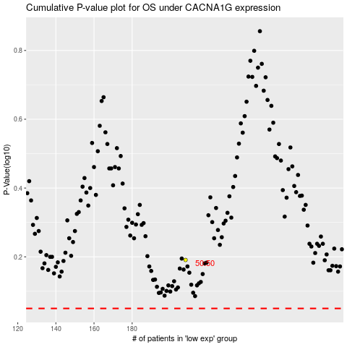

 |  |  |  |  |  | cases_OS | p_OS | rank | exp
 |  |  |  |  |  |  | cases_RFS | p_RFS | rank | exp

