CACNA1I _multivariate
Reported by Tex Li-Hsing Chi. tex@gate.sinica.edu.tw 2019-08-21

Table 2. The clinicopathological features of HNSCC cohort and CACNA1I expression. (Chi square test)
Cutoff at -0.321 (50.0%)
 |  | CACNA1I expression |  | CACNA1I expression |  | (Optimised)
 | Features | Low | (%) | High | (%) | Case no | P-value | Remark | Matthews
Gender | Female | 148 | 35.7 | 158 | 38.1 | 415 | 0.3567 | 0 | 0
2 | Male | 59 | 14.2 | 50 | 12
Age at diagnosis | <=65y | 139 | 33.5 | 135 | 32.5 | 415 | 0.7044 | 0 | 0
4 | >65y | 68 | 16.4 | 73 | 17.6
Clinical T Status | T1+T2 | 75 | 18.1 | 74 | 17.8 | 415 | 0.9707 | 0 | 0
6 | T3+T4 | 132 | 31.8 | 134 | 32.3
Clinical N Status | N0 | 105 | 25.3 | 111 | 26.7 | 415 | 0.6598 | 0 | 0
8 | N1-3 | 102 | 24.6 | 97 | 23.4
Clinical M Status | M0 | 205 | 49.4 | 207 | 49.9 | 415 | 0.6232 | 0 | 0
10 | M1 | 2 | 0.5 | 1 | 0.2
Clinical Stage | Stage I+II | 55 | 13.3 | 47 | 11.3 | 415 | 0.4087 | 0 | 0
12 | Stage III+IV | 152 | 36.6 | 161 | 38.8
Surgical Margin status | Negative | 163 | 39.3 | 155 | 37.3 | 415 | 0.3537 | 0 | 0
14 | Positive | 44 | 10.6 | 53 | 12.8
Tobacco Exposure | Low | 89 | 21.4 | 72 | 17.3 | 415 | 0.0872 | 0 | 0
16 | High | 118 | 28.4 | 136 | 32.8

Table 3. Univariate/Multivariate Cox's proportional hazards regression analyses on OS time of CACNA1I gene expression in HNSCC

 |  | Univariate |  |  |  | Multivariate
 | Features | HR | CI95%(L) | CI95%(H) | P-value | HR | CI95%(L) | CI95%(H) | P-value
1 | Female | 1 |  |  |  | 1
Gender | Male | 1.157 | 0.843 | 1.587 | 0.367 | 1.198 | 0.857 | 1.674 | 0.291
11 | <=65y | 1 |  |  |  | 1
Age at diagnosis | >65y | 1.329 | 0.99 | 1.784 | 0.058 | 1.398 | 1.028 | 1.901 | 0.033
12 | T1+T2 | 1 |  |  |  | 1
Clinical T Status | T3+T4 | 1.409 | 1.028 | 1.931 | 0.033 | 2.177 | 1.15 | 4.124 | 0.017
13 | N0 | 1 |  |  |  | 1
Clinical N Status | N1-3 | 1.185 | 0.89 | 1.577 | 0.246 | 1.226 | 0.856 | 1.755 | 0.266
14 | M0 | 1 |  |  |  | 1
Clinical M Status | M1 | 4.097 | 1.009 | 16.644 | 0.049 | 9.157 | 1.99 | 42.136 | 0.004
15 | Stage I+II | 1 |  |  |  | 1
Clinical Stage | Stage III+IV | 1.245 | 0.882 | 1.759 | 0.213 | 0.515 | 0.239 | 1.111 | 0.091
16 | Negative | 1 |  |  |  | 1
Surgical Margin status | Positive | 1.591 | 1.155 | 2.191 | 0.004 | 1.683 | 1.216 | 2.328 | 0.002
17 | Low | 1 |  |  |  | 1
Tobacco Exposure | High | 1.364 | 1.008 | 1.844 | 0.044 | 1.462 | 1.06 | 2.017 | 0.021
18 | Low | 1 |  |  |  | 1
RNAseq(z-score) | High | 0.938 | 0.704 | 1.249 | 0.662 | 0.93 | 0.694 | 1.248 | 0.63

Table 4. Univariate/Multivariate Cox's proportional hazards regression analyses on RFS time of CACNA1I gene expression in HNSCC

 |  | Univariate |  |  |  | Multivariate
 | Features | HR | CI95%(L) | CI95%(H) | P-value | HR | CI95%(L) | CI95%(H) | P-value
1 | Female | 1 |  |  |  | 1
Gender | Male | 1.157 | 0.843 | 1.587 | 0.367 | 1.198 | 0.857 | 1.674 | 0.291
11 | <=65y | 1 |  |  |  | 1
Age at diagnosis | >65y | 1.329 | 0.99 | 1.784 | 0.058 | 1.398 | 1.028 | 1.901 | 0.033
12 | T1+T2 | 1 |  |  |  | 1
Clinical T Status | T3+T4 | 1.409 | 1.028 | 1.931 | 0.033 | 2.177 | 1.15 | 4.124 | 0.017
13 | N0 | 1 |  |  |  | 1
Clinical N Status | N1-3 | 1.185 | 0.89 | 1.577 | 0.246 | 1.226 | 0.856 | 1.755 | 0.266
14 | M0 | 1 |  |  |  | 1
Clinical M Status | M1 | 4.097 | 1.009 | 16.644 | 0.049 | 9.157 | 1.99 | 42.136 | 0.004
15 | Stage I+II | 1 |  |  |  | 1
Clinical Stage | Stage III+IV | 1.245 | 0.882 | 1.759 | 0.213 | 0.515 | 0.239 | 1.111 | 0.091
16 | Negative | 1 |  |  |  | 1
Surgical Margin status | Positive | 1.591 | 1.155 | 2.191 | 0.004 | 1.683 | 1.216 | 2.328 | 0.002
17 | Low | 1 |  |  |  | 1
Tobacco Exposure | High | 1.364 | 1.008 | 1.844 | 0.044 | 1.462 | 1.06 | 2.017 | 0.021
18 | Low | 1 |  |  |  | 1
RNAseq(z-score) | High | 0.938 | 0.704 | 1.249 | 0.662 | 0.93 | 0.694 | 1.248 | 0.63

Kaplan-Meier survival estimate: Cutoff at -0.321 (50.0%)



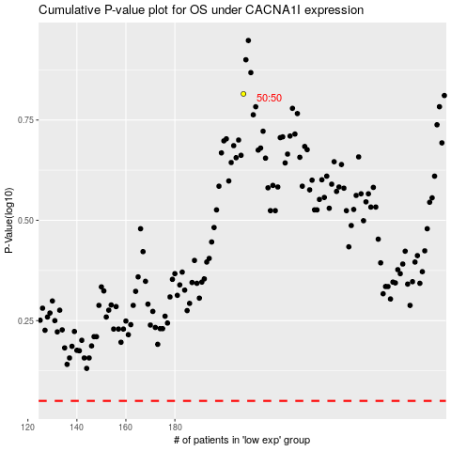

 |  |  |  |  |  | cases_OS | p_OS | rank | exp
 |  |  |  |  |  |  | cases_RFS | p_RFS | rank | exp

