CACNA2D1 _multivariate
Reported by Tex Li-Hsing Chi. tex@gate.sinica.edu.tw 2019-08-21

Table 2. The clinicopathological features of HNSCC cohort and CACNA2D1 expression. (Chi square test)
Cutoff at -0.367 (50.0%)
 |  | CACNA2D1 expression |  | CACNA2D1 expression |  | (Optimised)
 | Features | Low | (%) | High | (%) | Case no | P-value | Remark | Matthews
Gender | Female | 151 | 36.4 | 155 | 37.3 | 415 | 0.8007 | 0 | 0
2 | Male | 56 | 13.5 | 53 | 12.8
Age at diagnosis | <=65y | 138 | 33.3 | 136 | 32.8 | 415 | 0.8634 | 0 | 0
4 | >65y | 69 | 16.6 | 72 | 17.3
Clinical T Status | T1+T2 | 69 | 16.6 | 80 | 19.3 | 415 | 0.3239 | 0 | 0
6 | T3+T4 | 138 | 33.3 | 128 | 30.8
Clinical N Status | N0 | 109 | 26.3 | 107 | 25.8 | 415 | 0.8812 | 0 | 0
8 | N1-3 | 98 | 23.6 | 101 | 24.3
Clinical M Status | M0 | 204 | 49.2 | 208 | 50.1 | 415 | 0.1232 | 0 | 0
10 | M1 | 3 | 0.7 | 0 | 0
Clinical Stage | Stage I+II | 46 | 11.1 | 56 | 13.5 | 415 | 0.3182 | 0 | 0
12 | Stage III+IV | 161 | 38.8 | 152 | 36.6
Surgical Margin status | Negative | 149 | 35.9 | 169 | 40.7 | 415 | 0.0278 | 1 | 0
14 | Positive | 58 | 14 | 39 | 9.4
Tobacco Exposure | Low | 89 | 21.4 | 72 | 17.3 | 415 | 0.0872 | 0 | 0
16 | High | 118 | 28.4 | 136 | 32.8

Table 3. Univariate/Multivariate Cox's proportional hazards regression analyses on OS time of CACNA2D1 gene expression in HNSCC

 |  | Univariate |  |  |  | Multivariate
 | Features | HR | CI95%(L) | CI95%(H) | P-value | HR | CI95%(L) | CI95%(H) | P-value
1 | Female | 1 |  |  |  | 1
Gender | Male | 1.157 | 0.843 | 1.587 | 0.367 | 1.205 | 0.863 | 1.684 | 0.274
11 | <=65y | 1 |  |  |  | 1
Age at diagnosis | >65y | 1.329 | 0.99 | 1.784 | 0.058 | 1.392 | 1.024 | 1.892 | 0.035
12 | T1+T2 | 1 |  |  |  | 1
Clinical T Status | T3+T4 | 1.409 | 1.028 | 1.931 | 0.033 | 2.211 | 1.169 | 4.182 | 0.015
13 | N0 | 1 |  |  |  | 1
Clinical N Status | N1-3 | 1.185 | 0.89 | 1.577 | 0.246 | 1.236 | 0.866 | 1.765 | 0.243
14 | M0 | 1 |  |  |  | 1
Clinical M Status | M1 | 4.097 | 1.009 | 16.644 | 0.049 | 9.768 | 2.108 | 45.272 | 0.004
15 | Stage I+II | 1 |  |  |  | 1
Clinical Stage | Stage III+IV | 1.245 | 0.882 | 1.759 | 0.213 | 0.503 | 0.234 | 1.081 | 0.078
16 | Negative | 1 |  |  |  | 1
Surgical Margin status | Positive | 1.591 | 1.155 | 2.191 | 0.004 | 1.692 | 1.218 | 2.35 | 0.002
17 | Low | 1 |  |  |  | 1
Tobacco Exposure | High | 1.364 | 1.008 | 1.844 | 0.044 | 1.446 | 1.049 | 1.994 | 0.024
18 | Low | 1 |  |  |  | 1
RNAseq(z-score) | High | 1 | 0.749 | 1.335 | 0.999 | 1.064 | 0.79 | 1.434 | 0.683

Table 4. Univariate/Multivariate Cox's proportional hazards regression analyses on RFS time of CACNA2D1 gene expression in HNSCC

 |  | Univariate |  |  |  | Multivariate
 | Features | HR | CI95%(L) | CI95%(H) | P-value | HR | CI95%(L) | CI95%(H) | P-value
1 | Female | 1 |  |  |  | 1
Gender | Male | 1.157 | 0.843 | 1.587 | 0.367 | 1.205 | 0.863 | 1.684 | 0.274
11 | <=65y | 1 |  |  |  | 1
Age at diagnosis | >65y | 1.329 | 0.99 | 1.784 | 0.058 | 1.392 | 1.024 | 1.892 | 0.035
12 | T1+T2 | 1 |  |  |  | 1
Clinical T Status | T3+T4 | 1.409 | 1.028 | 1.931 | 0.033 | 2.211 | 1.169 | 4.182 | 0.015
13 | N0 | 1 |  |  |  | 1
Clinical N Status | N1-3 | 1.185 | 0.89 | 1.577 | 0.246 | 1.236 | 0.866 | 1.765 | 0.243
14 | M0 | 1 |  |  |  | 1
Clinical M Status | M1 | 4.097 | 1.009 | 16.644 | 0.049 | 9.768 | 2.108 | 45.272 | 0.004
15 | Stage I+II | 1 |  |  |  | 1
Clinical Stage | Stage III+IV | 1.245 | 0.882 | 1.759 | 0.213 | 0.503 | 0.234 | 1.081 | 0.078
16 | Negative | 1 |  |  |  | 1
Surgical Margin status | Positive | 1.591 | 1.155 | 2.191 | 0.004 | 1.692 | 1.218 | 2.35 | 0.002
17 | Low | 1 |  |  |  | 1
Tobacco Exposure | High | 1.364 | 1.008 | 1.844 | 0.044 | 1.446 | 1.049 | 1.994 | 0.024
18 | Low | 1 |  |  |  | 1
RNAseq(z-score) | High | 1 | 0.749 | 1.335 | 0.999 | 1.064 | 0.79 | 1.434 | 0.683

Kaplan-Meier survival estimate: Cutoff at -0.367 (50.0%)



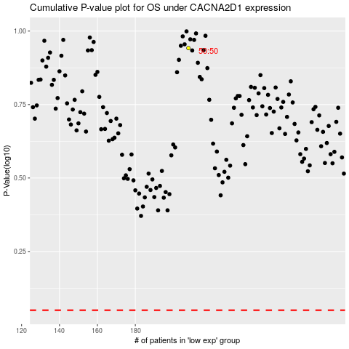

 |  |  |  |  |  | cases_OS | p_OS | rank | exp
 |  |  |  |  |  |  | cases_RFS | p_RFS | rank | exp

