CACNG4 _multivariate
Reported by Tex Li-Hsing Chi. tex@gate.sinica.edu.tw 2019-08-21

Table 2. The clinicopathological features of HNSCC cohort and CACNG4 expression. (Chi square test)
Cutoff at -0.491 (36.5%)
 |  | CACNG4 expression |  | CACNG4 expression |  | (Optimised)
 | Features | Low | (%) | High | (%) | Case no | P-value | Remark | Matthews
Gender | Female | 108 | 26 | 198 | 47.7 | 415 | 0.4076 | 0 | 0
2 | Male | 44 | 10.6 | 65 | 15.7
Age at diagnosis | <=65y | 104 | 25.1 | 170 | 41 | 415 | 0.4989 | 0 | 0
4 | >65y | 48 | 11.6 | 93 | 22.4
Clinical T Status | T1+T2 | 55 | 13.3 | 94 | 22.7 | 415 | 1 | 0 | 0
6 | T3+T4 | 97 | 23.4 | 169 | 40.7
Clinical N Status | N0 | 81 | 19.5 | 135 | 32.5 | 415 | 0.7773 | 0 | 0
8 | N1-3 | 71 | 17.1 | 128 | 30.8
Clinical M Status | M0 | 151 | 36.4 | 261 | 62.9 | 415 | 1 | 0 | 0
10 | M1 | 1 | 0.2 | 2 | 0.5
Clinical Stage | Stage I+II | 34 | 8.2 | 68 | 16.4 | 415 | 0.4987 | 0 | 0
12 | Stage III+IV | 118 | 28.4 | 195 | 47
Surgical Margin status | Negative | 116 | 28 | 202 | 48.7 | 415 | 0.9048 | 0 | 0
14 | Positive | 36 | 8.7 | 61 | 14.7
Tobacco Exposure | Low | 65 | 15.7 | 96 | 23.1 | 415 | 0.2116 | 0 | 0
16 | High | 87 | 21 | 167 | 40.2

Table 3. Univariate/Multivariate Cox's proportional hazards regression analyses on OS time of CACNG4 gene expression in HNSCC

 |  | Univariate |  |  |  | Multivariate
 | Features | HR | CI95%(L) | CI95%(H) | P-value | HR | CI95%(L) | CI95%(H) | P-value
1 | Female | 1 |  |  |  | 1
Gender | Male | 1.157 | 0.843 | 1.587 | 0.367 | 1.243 | 0.887 | 1.742 | 0.207
11 | <=65y | 1 |  |  |  | 1
Age at diagnosis | >65y | 1.329 | 0.99 | 1.784 | 0.058 | 1.35 | 0.991 | 1.839 | 0.057
12 | T1+T2 | 1 |  |  |  | 1
Clinical T Status | T3+T4 | 1.409 | 1.028 | 1.931 | 0.033 | 2.117 | 1.117 | 4.01 | 0.021
13 | N0 | 1 |  |  |  | 1
Clinical N Status | N1-3 | 1.185 | 0.89 | 1.577 | 0.246 | 1.193 | 0.834 | 1.704 | 0.334
14 | M0 | 1 |  |  |  | 1
Clinical M Status | M1 | 4.097 | 1.009 | 16.644 | 0.049 | 8.803 | 1.917 | 40.432 | 0.005
15 | Stage I+II | 1 |  |  |  | 1
Clinical Stage | Stage III+IV | 1.245 | 0.882 | 1.759 | 0.213 | 0.534 | 0.248 | 1.15 | 0.109
16 | Negative | 1 |  |  |  | 1
Surgical Margin status | Positive | 1.591 | 1.155 | 2.191 | 0.004 | 1.655 | 1.198 | 2.288 | 0.002
17 | Low | 1 |  |  |  | 1
Tobacco Exposure | High | 1.364 | 1.008 | 1.844 | 0.044 | 1.453 | 1.054 | 2.003 | 0.022
18 | Low | 1 |  |  |  | 1
RNAseq(z-score) | High | 1.491 | 1.087 | 2.046 | 0.013 | 1.394 | 1.012 | 1.921 | 0.042

Table 4. Univariate/Multivariate Cox's proportional hazards regression analyses on RFS time of CACNG4 gene expression in HNSCC

 |  | Univariate |  |  |  | Multivariate
 | Features | HR | CI95%(L) | CI95%(H) | P-value | HR | CI95%(L) | CI95%(H) | P-value
1 | Female | 1 |  |  |  | 1
Gender | Male | 1.157 | 0.843 | 1.587 | 0.367 | 1.243 | 0.887 | 1.742 | 0.207
11 | <=65y | 1 |  |  |  | 1
Age at diagnosis | >65y | 1.329 | 0.99 | 1.784 | 0.058 | 1.35 | 0.991 | 1.839 | 0.057
12 | T1+T2 | 1 |  |  |  | 1
Clinical T Status | T3+T4 | 1.409 | 1.028 | 1.931 | 0.033 | 2.117 | 1.117 | 4.01 | 0.021
13 | N0 | 1 |  |  |  | 1
Clinical N Status | N1-3 | 1.185 | 0.89 | 1.577 | 0.246 | 1.193 | 0.834 | 1.704 | 0.334
14 | M0 | 1 |  |  |  | 1
Clinical M Status | M1 | 4.097 | 1.009 | 16.644 | 0.049 | 8.803 | 1.917 | 40.432 | 0.005
15 | Stage I+II | 1 |  |  |  | 1
Clinical Stage | Stage III+IV | 1.245 | 0.882 | 1.759 | 0.213 | 0.534 | 0.248 | 1.15 | 0.109
16 | Negative | 1 |  |  |  | 1
Surgical Margin status | Positive | 1.591 | 1.155 | 2.191 | 0.004 | 1.655 | 1.198 | 2.288 | 0.002
17 | Low | 1 |  |  |  | 1
Tobacco Exposure | High | 1.364 | 1.008 | 1.844 | 0.044 | 1.453 | 1.054 | 2.003 | 0.022
18 | Low | 1 |  |  |  | 1
RNAseq(z-score) | High | 1.491 | 1.087 | 2.046 | 0.013 | 1.394 | 1.012 | 1.921 | 0.042

Kaplan-Meier survival estimate: Cutoff at -0.491 (36.5%)

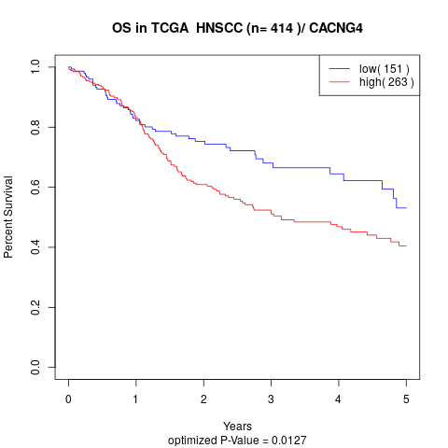

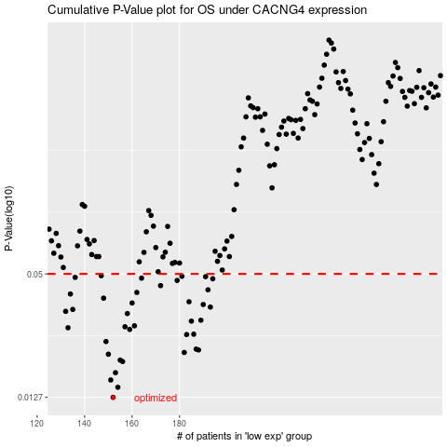

 |  |  |  |  |  | cases_OS | p_OS | rank | exp
 |  |  |  |  |  | 152 | 0.0127 | 369 | -0.49134337759
 |  |  |  |  |  | 154 | 0.0142 | 117 | -0.48924361972
 |  |  |  |  |  | 151 | 0.0154 | 134 | -0.49286665339
 |  |  |  |  |  | 153 | 0.0167 | 340 | -0.49074644886
 |  |  |  |  |  | 156 | 0.0189 | 241 | -0.48877391462
 |  |  |  |  |  | 155 | 0.0192 | 13 | -0.48913513886
 |  |  |  |  |  | 150 | 0.0205 | 282 | -0.4932693389
 |  |  |  |  |  | 182 | 0.0209 | 371 | -0.43290740574
 |  |  |  |  |  | 188 | 0.0215 | 379 | -0.41475702375
 |  |  |  |  |  | 187 | 0.0217 | 358 | -0.41647170295
 |  |  |  |  |  | 149 | 0.0236 | 9 | -0.4939259037
 |  |  |  |  |  | 183 | 0.0255 | 225 | -0.42916169215
 |  |  |  |  |  | 186 | 0.0256 | 235 | -0.41779164812
 |  |  |  |  |  | 159 | 0.027 | 58 | -0.48385933392
 |  |  |  |  |  | 133 | 0.0275 | 413 | -0.52003401021
 |  |  |  |  |  | 157 | 0.0278 | 366 | -0.48865577839
 |  |  |  |  |  | 161 | 0.0281 | 297 | -0.47697449083
 |  |  |  |  |  | 185 | 0.0296 | 292 | -0.41848626642
 |  |  |  |  |  | 189 | 0.0299 | 87 | -0.405921229
 |  |  |  |  |  | 158 | 0.0322 | 357 | -0.48647820964
 |  |  |  |  |  | 132 | 0.033 | 262 | -0.52031969541
 |  |  |  |  |  | 135 | 0.0337 | 124 | -0.51988633992
 |  |  |  |  |  | 193 | 0.0346 | 377 | -0.39789478101
 |  |  |  |  |  | 190 | 0.0356 | 79 | -0.40205737918
 |  |  |  |  |  | 160 | 0.0362 | 109 | -0.48236899996
 |  |  |  |  |  | 184 | 0.0367 | 129 | -0.42472931173
 |  |  |  |  |  | 148 | 0.0382 | 26 | -0.49507489212
 |  |  |  |  |  | 134 | 0.04 | 314 | -0.51995449544
 |  |  |  |  |  | 162 | 0.0407 | 398 | -0.47622023645
 |  |  |  |  |  | 192 | 0.0419 | 300 | -0.39911987642
 |  |  |  |  |  | 172 | 0.0439 | 285 | -0.45065112649
 |  |  |  |  |  | 179 | 0.0465 | 203 | -0.43467206566
 |  |  |  |  |  | 194 | 0.0474 | 191 | -0.39601823246
 |  |  |  |  |  | 164 | 0.0477 | 308 | -0.47017427418
 |  |  |  |  |  | 136 | 0.0481 | 274 | -0.51985680587
 |  |  |  |  |  | 191 | 0.0485 | 171 | -0.40160584889
 |  |  |  |  |  | 181 | 0.0487 | 271 | -0.43305223622
 |  |  |  |  |  | 147 | 0.049 | 50 | -0.49621820091
 |  |  |  |  |  |  | cases_RFS | p_RFS | rank | exp
 |  |  |  |  |  |  | 151 | 0.0127 | 134 | -0.49286665339
 |  |  |  |  |  |  | 153 | 0.0142 | 340 | -0.49074644886
 |  |  |  |  |  |  | 150 | 0.0154 | 282 | -0.4932693389
 |  |  |  |  |  |  | 152 | 0.0167 | 369 | -0.49134337759
 |  |  |  |  |  |  | 155 | 0.0189 | 13 | -0.48913513886
 |  |  |  |  |  |  | 154 | 0.0192 | 117 | -0.48924361972
 |  |  |  |  |  |  | 149 | 0.0205 | 9 | -0.4939259037
 |  |  |  |  |  |  | 181 | 0.0209 | 271 | -0.43305223622
 |  |  |  |  |  |  | 187 | 0.0215 | 358 | -0.41647170295
 |  |  |  |  |  |  | 186 | 0.0217 | 235 | -0.41779164812
 |  |  |  |  |  |  | 148 | 0.0236 | 26 | -0.49507489212
 |  |  |  |  |  |  | 182 | 0.0255 | 371 | -0.43290740574
 |  |  |  |  |  |  | 185 | 0.0256 | 292 | -0.41848626642
 |  |  |  |  |  |  | 158 | 0.027 | 357 | -0.48647820964
 |  |  |  |  |  |  | 132 | 0.0275 | 262 | -0.52031969541
 |  |  |  |  |  |  | 156 | 0.0278 | 241 | -0.48877391462
 |  |  |  |  |  |  | 160 | 0.0281 | 109 | -0.48236899996
 |  |  |  |  |  |  | 184 | 0.0296 | 129 | -0.42472931173
 |  |  |  |  |  |  | 188 | 0.0299 | 379 | -0.41475702375
 |  |  |  |  |  |  | 157 | 0.0322 | 366 | -0.48865577839
 |  |  |  |  |  |  | 131 | 0.033 | 219 | -0.52041908888
 |  |  |  |  |  |  | 134 | 0.0337 | 314 | -0.51995449544
 |  |  |  |  |  |  | 192 | 0.0346 | 300 | -0.39911987642
 |  |  |  |  |  |  | 189 | 0.0356 | 87 | -0.405921229
 |  |  |  |  |  |  | 159 | 0.0362 | 58 | -0.48385933392
 |  |  |  |  |  |  | 183 | 0.0367 | 225 | -0.42916169215
 |  |  |  |  |  |  | 147 | 0.0382 | 50 | -0.49621820091
 |  |  |  |  |  |  | 133 | 0.04 | 413 | -0.52003401021
 |  |  |  |  |  |  | 161 | 0.0407 | 297 | -0.47697449083
 |  |  |  |  |  |  | 191 | 0.0419 | 171 | -0.40160584889
 |  |  |  |  |  |  | 171 | 0.0439 | 47 | -0.45109697716
 |  |  |  |  |  |  | 178 | 0.0465 | 126 | -0.43505544044
 |  |  |  |  |  |  | 193 | 0.0474 | 377 | -0.39789478101
 |  |  |  |  |  |  | 163 | 0.0477 | 160 | -0.47024299766
 |  |  |  |  |  |  | 135 | 0.0481 | 124 | -0.51988633992
 |  |  |  |  |  |  | 190 | 0.0485 | 79 | -0.40205737918
 |  |  |  |  |  |  | 180 | 0.0487 | 303 | -0.43346628098
 |  |  |  |  |  |  | 146 | 0.049 | 288 | -0.49671800803

