CACYBP _multivariate
Reported by Tex Li-Hsing Chi. tex@gate.sinica.edu.tw 2019-08-21

Table 2. The clinicopathological features of HNSCC cohort and CACYBP expression. (Chi square test)
Cutoff at -0.189 (49.8%)
 |  | CACYBP expression |  | CACYBP expression |  | (Optimised)
 | Features | Low | (%) | High | (%) | Case no | P-value | Remark | Matthews
Gender | Female | 143 | 34.5 | 163 | 39.3 | 415 | 0.0416 | 1 | 0
2 | Male | 64 | 15.4 | 45 | 10.8
Age at diagnosis | <=65y | 129 | 31.1 | 145 | 34.9 | 415 | 0.1372 | 0 | 0
4 | >65y | 78 | 18.8 | 63 | 15.2
Clinical T Status | T1+T2 | 75 | 18.1 | 74 | 17.8 | 415 | 0.9707 | 0 | 0
6 | T3+T4 | 132 | 31.8 | 134 | 32.3
Clinical N Status | N0 | 120 | 28.9 | 96 | 23.1 | 415 | 0.0208 | 1 | 0
8 | N1-3 | 87 | 21 | 112 | 27
Clinical M Status | M0 | 207 | 49.9 | 205 | 49.4 | 415 | 0.2482 | 0 | 0
10 | M1 | 0 | 0 | 3 | 0.7
Clinical Stage | Stage I+II | 59 | 14.2 | 43 | 10.4 | 415 | 0.0822 | 0 | 0
12 | Stage III+IV | 148 | 35.7 | 165 | 39.8
Surgical Margin status | Negative | 164 | 39.5 | 154 | 37.1 | 415 | 0.2462 | 0 | 0
14 | Positive | 43 | 10.4 | 54 | 13
Tobacco Exposure | Low | 90 | 21.7 | 71 | 17.1 | 415 | 0.0559 | 0 | 0
16 | High | 117 | 28.2 | 137 | 33

Table 3. Univariate/Multivariate Cox's proportional hazards regression analyses on OS time of CACYBP gene expression in HNSCC

 |  | Univariate |  |  |  | Multivariate
 | Features | HR | CI95%(L) | CI95%(H) | P-value | HR | CI95%(L) | CI95%(H) | P-value
1 | Female | 1 |  |  |  | 1
Gender | Male | 1.157 | 0.843 | 1.587 | 0.367 | 1.201 | 0.86 | 1.677 | 0.283
11 | <=65y | 1 |  |  |  | 1
Age at diagnosis | >65y | 1.329 | 0.99 | 1.784 | 0.058 | 1.386 | 1.019 | 1.886 | 0.038
12 | T1+T2 | 1 |  |  |  | 1
Clinical T Status | T3+T4 | 1.409 | 1.028 | 1.931 | 0.033 | 2.193 | 1.159 | 4.148 | 0.016
13 | N0 | 1 |  |  |  | 1
Clinical N Status | N1-3 | 1.185 | 0.89 | 1.577 | 0.246 | 1.248 | 0.874 | 1.783 | 0.222
14 | M0 | 1 |  |  |  | 1
Clinical M Status | M1 | 4.097 | 1.009 | 16.644 | 0.049 | 9.659 | 2.096 | 44.509 | 0.004
15 | Stage I+II | 1 |  |  |  | 1
Clinical Stage | Stage III+IV | 1.245 | 0.882 | 1.759 | 0.213 | 0.505 | 0.235 | 1.085 | 0.08
16 | Negative | 1 |  |  |  | 1
Surgical Margin status | Positive | 1.591 | 1.155 | 2.191 | 0.004 | 1.691 | 1.218 | 2.347 | 0.002
17 | Low | 1 |  |  |  | 1
Tobacco Exposure | High | 1.364 | 1.008 | 1.844 | 0.044 | 1.467 | 1.061 | 2.027 | 0.02
18 | Low | 1 |  |  |  | 1
RNAseq(z-score) | High | 1.018 | 0.764 | 1.357 | 0.903 | 0.938 | 0.695 | 1.264 | 0.673

Table 4. Univariate/Multivariate Cox's proportional hazards regression analyses on RFS time of CACYBP gene expression in HNSCC

 |  | Univariate |  |  |  | Multivariate
 | Features | HR | CI95%(L) | CI95%(H) | P-value | HR | CI95%(L) | CI95%(H) | P-value
1 | Female | 1 |  |  |  | 1
Gender | Male | 1.157 | 0.843 | 1.587 | 0.367 | 1.201 | 0.86 | 1.677 | 0.283
11 | <=65y | 1 |  |  |  | 1
Age at diagnosis | >65y | 1.329 | 0.99 | 1.784 | 0.058 | 1.386 | 1.019 | 1.886 | 0.038
12 | T1+T2 | 1 |  |  |  | 1
Clinical T Status | T3+T4 | 1.409 | 1.028 | 1.931 | 0.033 | 2.193 | 1.159 | 4.148 | 0.016
13 | N0 | 1 |  |  |  | 1
Clinical N Status | N1-3 | 1.185 | 0.89 | 1.577 | 0.246 | 1.248 | 0.874 | 1.783 | 0.222
14 | M0 | 1 |  |  |  | 1
Clinical M Status | M1 | 4.097 | 1.009 | 16.644 | 0.049 | 9.659 | 2.096 | 44.509 | 0.004
15 | Stage I+II | 1 |  |  |  | 1
Clinical Stage | Stage III+IV | 1.245 | 0.882 | 1.759 | 0.213 | 0.505 | 0.235 | 1.085 | 0.08
16 | Negative | 1 |  |  |  | 1
Surgical Margin status | Positive | 1.591 | 1.155 | 2.191 | 0.004 | 1.691 | 1.218 | 2.347 | 0.002
17 | Low | 1 |  |  |  | 1
Tobacco Exposure | High | 1.364 | 1.008 | 1.844 | 0.044 | 1.467 | 1.061 | 2.027 | 0.02
18 | Low | 1 |  |  |  | 1
RNAseq(z-score) | High | 1.018 | 0.764 | 1.357 | 0.903 | 0.938 | 0.695 | 1.264 | 0.673

Kaplan-Meier survival estimate: Cutoff at -0.189 (49.8%)



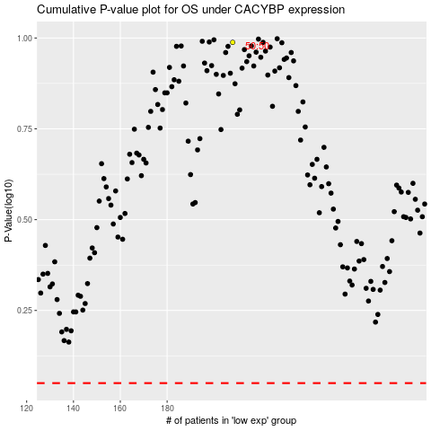

 |  |  |  |  |  | cases_OS | p_OS | rank | exp
 |  |  |  |  |  |  | cases_RFS | p_RFS | rank | exp

