CAD _multivariate
Reported by Tex Li-Hsing Chi. tex@gate.sinica.edu.tw 2019-08-21

Table 2. The clinicopathological features of HNSCC cohort and CAD expression. (Chi square test)
Cutoff at -0.054 (49.8%)
 |  | CAD expression |  | CAD expression |  | (Optimised)
 | Features | Low | (%) | High | (%) | Case no | P-value | Remark | Matthews
Gender | Female | 147 | 35.4 | 159 | 38.3 | 415 | 0.2523 | 0 | 0
2 | Male | 60 | 14.5 | 49 | 11.8
Age at diagnosis | <=65y | 136 | 32.8 | 138 | 33.3 | 415 | 0.9719 | 0 | 0
4 | >65y | 71 | 17.1 | 70 | 16.9
Clinical T Status | T1+T2 | 80 | 19.3 | 69 | 16.6 | 415 | 0.2891 | 0 | 0
6 | T3+T4 | 127 | 30.6 | 139 | 33.5
Clinical N Status | N0 | 104 | 25.1 | 112 | 27 | 415 | 0.5243 | 0 | 0
8 | N1-3 | 103 | 24.8 | 96 | 23.1
Clinical M Status | M0 | 205 | 49.4 | 207 | 49.9 | 415 | 0.6232 | 0 | 0
10 | M1 | 2 | 0.5 | 1 | 0.2
Clinical Stage | Stage I+II | 50 | 12 | 52 | 12.5 | 415 | 0.9315 | 0 | 0
12 | Stage III+IV | 157 | 37.8 | 156 | 37.6
Surgical Margin status | Negative | 155 | 37.3 | 163 | 39.3 | 415 | 0.4187 | 0 | 0
14 | Positive | 52 | 12.5 | 45 | 10.8
Tobacco Exposure | Low | 80 | 19.3 | 81 | 19.5 | 415 | 1 | 0 | 0
16 | High | 127 | 30.6 | 127 | 30.6

Table 3. Univariate/Multivariate Cox's proportional hazards regression analyses on OS time of CAD gene expression in HNSCC

 |  | Univariate |  |  |  | Multivariate
 | Features | HR | CI95%(L) | CI95%(H) | P-value | HR | CI95%(L) | CI95%(H) | P-value
1 | Female | 1 |  |  |  | 1
Gender | Male | 1.157 | 0.843 | 1.587 | 0.367 | 1.209 | 0.862 | 1.694 | 0.271
11 | <=65y | 1 |  |  |  | 1
Age at diagnosis | >65y | 1.329 | 0.99 | 1.784 | 0.058 | 1.39 | 1.023 | 1.89 | 0.035
12 | T1+T2 | 1 |  |  |  | 1
Clinical T Status | T3+T4 | 1.409 | 1.028 | 1.931 | 0.033 | 2.186 | 1.153 | 4.145 | 0.017
13 | N0 | 1 |  |  |  | 1
Clinical N Status | N1-3 | 1.185 | 0.89 | 1.577 | 0.246 | 1.242 | 0.87 | 1.772 | 0.232
14 | M0 | 1 |  |  |  | 1
Clinical M Status | M1 | 4.097 | 1.009 | 16.644 | 0.049 | 9.466 | 2.063 | 43.43 | 0.004
15 | Stage I+II | 1 |  |  |  | 1
Clinical Stage | Stage III+IV | 1.245 | 0.882 | 1.759 | 0.213 | 0.507 | 0.236 | 1.088 | 0.081
16 | Negative | 1 |  |  |  | 1
Surgical Margin status | Positive | 1.591 | 1.155 | 2.191 | 0.004 | 1.675 | 1.212 | 2.316 | 0.002
17 | Low | 1 |  |  |  | 1
Tobacco Exposure | High | 1.364 | 1.008 | 1.844 | 0.044 | 1.453 | 1.055 | 2.002 | 0.022
18 | Low | 1 |  |  |  | 1
RNAseq(z-score) | High | 1.034 | 0.774 | 1.382 | 0.819 | 1.038 | 0.772 | 1.396 | 0.804

Table 4. Univariate/Multivariate Cox's proportional hazards regression analyses on RFS time of CAD gene expression in HNSCC

 |  | Univariate |  |  |  | Multivariate
 | Features | HR | CI95%(L) | CI95%(H) | P-value | HR | CI95%(L) | CI95%(H) | P-value
1 | Female | 1 |  |  |  | 1
Gender | Male | 1.157 | 0.843 | 1.587 | 0.367 | 1.209 | 0.862 | 1.694 | 0.271
11 | <=65y | 1 |  |  |  | 1
Age at diagnosis | >65y | 1.329 | 0.99 | 1.784 | 0.058 | 1.39 | 1.023 | 1.89 | 0.035
12 | T1+T2 | 1 |  |  |  | 1
Clinical T Status | T3+T4 | 1.409 | 1.028 | 1.931 | 0.033 | 2.186 | 1.153 | 4.145 | 0.017
13 | N0 | 1 |  |  |  | 1
Clinical N Status | N1-3 | 1.185 | 0.89 | 1.577 | 0.246 | 1.242 | 0.87 | 1.772 | 0.232
14 | M0 | 1 |  |  |  | 1
Clinical M Status | M1 | 4.097 | 1.009 | 16.644 | 0.049 | 9.466 | 2.063 | 43.43 | 0.004
15 | Stage I+II | 1 |  |  |  | 1
Clinical Stage | Stage III+IV | 1.245 | 0.882 | 1.759 | 0.213 | 0.507 | 0.236 | 1.088 | 0.081
16 | Negative | 1 |  |  |  | 1
Surgical Margin status | Positive | 1.591 | 1.155 | 2.191 | 0.004 | 1.675 | 1.212 | 2.316 | 0.002
17 | Low | 1 |  |  |  | 1
Tobacco Exposure | High | 1.364 | 1.008 | 1.844 | 0.044 | 1.453 | 1.055 | 2.002 | 0.022
18 | Low | 1 |  |  |  | 1
RNAseq(z-score) | High | 1.034 | 0.774 | 1.382 | 0.819 | 1.038 | 0.772 | 1.396 | 0.804

Kaplan-Meier survival estimate: Cutoff at -0.054 (49.8%)



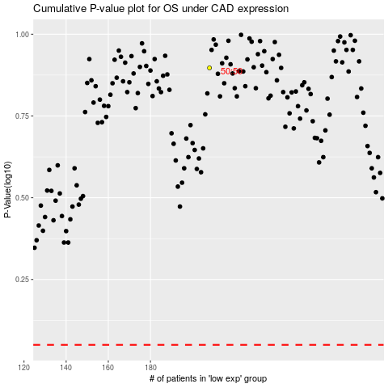

 |  |  |  |  |  | cases_OS | p_OS | rank | exp
 |  |  |  |  |  |  | cases_RFS | p_RFS | rank | exp

