CADM1 _multivariate
Reported by Tex Li-Hsing Chi. tex@gate.sinica.edu.tw 2019-08-21

Table 2. The clinicopathological features of HNSCC cohort and CADM1 expression. (Chi square test)
Cutoff at -0.517 (32.9%)
 |  | CADM1 expression |  | CADM1 expression |  | (Optimised)
 | Features | Low | (%) | High | (%) | Case no | P-value | Remark | Matthews
Gender | Female | 103 | 24.8 | 203 | 48.9 | 415 | 0.5977 | 0 | 0
2 | Male | 33 | 8 | 76 | 18.3
Age at diagnosis | <=65y | 92 | 22.2 | 182 | 43.9 | 415 | 0.7062 | 0 | 0
4 | >65y | 44 | 10.6 | 97 | 23.4
Clinical T Status | T1+T2 | 45 | 10.8 | 104 | 25.1 | 415 | 0.468 | 0 | 0
6 | T3+T4 | 91 | 21.9 | 175 | 42.2
Clinical N Status | N0 | 69 | 16.6 | 147 | 35.4 | 415 | 0.7878 | 0 | 0
8 | N1-3 | 67 | 16.1 | 132 | 31.8
Clinical M Status | M0 | 133 | 32 | 279 | 67.2 | 415 | 0.0347 | 1 | 0
10 | M1 | 3 | 0.7 | 0 | 0
Clinical Stage | Stage I+II | 32 | 7.7 | 70 | 16.9 | 415 | 0.8219 | 0 | 0
12 | Stage III+IV | 104 | 25.1 | 209 | 50.4
Surgical Margin status | Negative | 102 | 24.6 | 216 | 52 | 415 | 0.6217 | 0 | 0
14 | Positive | 34 | 8.2 | 63 | 15.2
Tobacco Exposure | Low | 55 | 13.3 | 106 | 25.5 | 415 | 0.6682 | 0 | 0
16 | High | 81 | 19.5 | 173 | 41.7

Table 3. Univariate/Multivariate Cox's proportional hazards regression analyses on OS time of CADM1 gene expression in HNSCC

 |  | Univariate |  |  |  | Multivariate
 | Features | HR | CI95%(L) | CI95%(H) | P-value | HR | CI95%(L) | CI95%(H) | P-value
1 | Female | 1 |  |  |  | 1
Gender | Male | 1.157 | 0.843 | 1.587 | 0.367 | 1.208 | 0.864 | 1.691 | 0.269
11 | <=65y | 1 |  |  |  | 1
Age at diagnosis | >65y | 1.329 | 0.99 | 1.784 | 0.058 | 1.378 | 1.012 | 1.875 | 0.042
12 | T1+T2 | 1 |  |  |  | 1
Clinical T Status | T3+T4 | 1.409 | 1.028 | 1.931 | 0.033 | 2.148 | 1.135 | 4.064 | 0.019
13 | N0 | 1 |  |  |  | 1
Clinical N Status | N1-3 | 1.185 | 0.89 | 1.577 | 0.246 | 1.227 | 0.859 | 1.752 | 0.26
14 | M0 | 1 |  |  |  | 1
Clinical M Status | M1 | 4.097 | 1.009 | 16.644 | 0.049 | 8.022 | 1.722 | 37.358 | 0.008
15 | Stage I+II | 1 |  |  |  | 1
Clinical Stage | Stage III+IV | 1.245 | 0.882 | 1.759 | 0.213 | 0.516 | 0.241 | 1.108 | 0.09
16 | Negative | 1 |  |  |  | 1
Surgical Margin status | Positive | 1.591 | 1.155 | 2.191 | 0.004 | 1.658 | 1.2 | 2.292 | 0.002
17 | Low | 1 |  |  |  | 1
Tobacco Exposure | High | 1.364 | 1.008 | 1.844 | 0.044 | 1.45 | 1.051 | 2.001 | 0.024
18 | Low | 1 |  |  |  | 1
RNAseq(z-score) | High | 0.74 | 0.549 | 0.997 | 0.048 | 0.807 | 0.596 | 1.092 | 0.164

Table 4. Univariate/Multivariate Cox's proportional hazards regression analyses on RFS time of CADM1 gene expression in HNSCC

 |  | Univariate |  |  |  | Multivariate
 | Features | HR | CI95%(L) | CI95%(H) | P-value | HR | CI95%(L) | CI95%(H) | P-value
1 | Female | 1 |  |  |  | 1
Gender | Male | 1.157 | 0.843 | 1.587 | 0.367 | 1.208 | 0.864 | 1.691 | 0.269
11 | <=65y | 1 |  |  |  | 1
Age at diagnosis | >65y | 1.329 | 0.99 | 1.784 | 0.058 | 1.378 | 1.012 | 1.875 | 0.042
12 | T1+T2 | 1 |  |  |  | 1
Clinical T Status | T3+T4 | 1.409 | 1.028 | 1.931 | 0.033 | 2.148 | 1.135 | 4.064 | 0.019
13 | N0 | 1 |  |  |  | 1
Clinical N Status | N1-3 | 1.185 | 0.89 | 1.577 | 0.246 | 1.227 | 0.859 | 1.752 | 0.26
14 | M0 | 1 |  |  |  | 1
Clinical M Status | M1 | 4.097 | 1.009 | 16.644 | 0.049 | 8.022 | 1.722 | 37.358 | 0.008
15 | Stage I+II | 1 |  |  |  | 1
Clinical Stage | Stage III+IV | 1.245 | 0.882 | 1.759 | 0.213 | 0.516 | 0.241 | 1.108 | 0.09
16 | Negative | 1 |  |  |  | 1
Surgical Margin status | Positive | 1.591 | 1.155 | 2.191 | 0.004 | 1.658 | 1.2 | 2.292 | 0.002
17 | Low | 1 |  |  |  | 1
Tobacco Exposure | High | 1.364 | 1.008 | 1.844 | 0.044 | 1.45 | 1.051 | 2.001 | 0.024
18 | Low | 1 |  |  |  | 1
RNAseq(z-score) | High | 0.74 | 0.549 | 0.997 | 0.048 | 0.807 | 0.596 | 1.092 | 0.164

Kaplan-Meier survival estimate: Cutoff at -0.517 (32.9%)



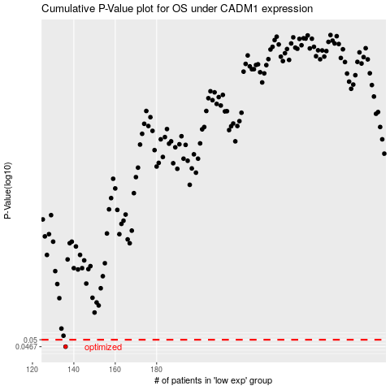

 |  |  |  |  |  | cases_OS | p_OS | rank | exp
 |  |  |  |  |  | 136 | 0.0467 | 271 | -0.51742866805
 |  |  |  |  |  |  | cases_RFS | p_RFS | rank | exp
 |  |  |  |  |  |  | 135 | 0.0467 | 401 | -0.51931462658

