CADM3 _multivariate
Reported by Tex Li-Hsing Chi. tex@gate.sinica.edu.tw 2019-08-21

Table 2. The clinicopathological features of HNSCC cohort and CADM3 expression. (Chi square test)
Cutoff at -0.339 (49.8%)
 |  | CADM3 expression |  | CADM3 expression |  | (Optimised)
 | Features | Low | (%) | High | (%) | Case no | P-value | Remark | Matthews
Gender | Female | 157 | 37.8 | 149 | 35.9 | 415 | 0.3881 | 0 | 0
2 | Male | 50 | 12 | 59 | 14.2
Age at diagnosis | <=65y | 136 | 32.8 | 138 | 33.3 | 415 | 0.9719 | 0 | 0
4 | >65y | 71 | 17.1 | 70 | 16.9
Clinical T Status | T1+T2 | 70 | 16.9 | 79 | 19 | 415 | 0.4343 | 0 | 0
6 | T3+T4 | 137 | 33 | 129 | 31.1
Clinical N Status | N0 | 104 | 25.1 | 112 | 27 | 415 | 0.5243 | 0 | 0
8 | N1-3 | 103 | 24.8 | 96 | 23.1
Clinical M Status | M0 | 205 | 49.4 | 207 | 49.9 | 415 | 0.6232 | 0 | 0
10 | M1 | 2 | 0.5 | 1 | 0.2
Clinical Stage | Stage I+II | 43 | 10.4 | 59 | 14.2 | 415 | 0.0925 | 0 | 0
12 | Stage III+IV | 164 | 39.5 | 149 | 35.9
Surgical Margin status | Negative | 161 | 38.8 | 157 | 37.8 | 415 | 0.6429 | 0 | 0
14 | Positive | 46 | 11.1 | 51 | 12.3
Tobacco Exposure | Low | 87 | 21 | 74 | 17.8 | 415 | 0.1911 | 0 | 0
16 | High | 120 | 28.9 | 134 | 32.3

Table 3. Univariate/Multivariate Cox's proportional hazards regression analyses on OS time of CADM3 gene expression in HNSCC

 |  | Univariate |  |  |  | Multivariate
 | Features | HR | CI95%(L) | CI95%(H) | P-value | HR | CI95%(L) | CI95%(H) | P-value
1 | Female | 1 |  |  |  | 1
Gender | Male | 1.157 | 0.843 | 1.587 | 0.367 | 1.191 | 0.853 | 1.664 | 0.305
11 | <=65y | 1 |  |  |  | 1
Age at diagnosis | >65y | 1.329 | 0.99 | 1.784 | 0.058 | 1.387 | 1.02 | 1.887 | 0.037
12 | T1+T2 | 1 |  |  |  | 1
Clinical T Status | T3+T4 | 1.409 | 1.028 | 1.931 | 0.033 | 2.202 | 1.164 | 4.164 | 0.015
13 | N0 | 1 |  |  |  | 1
Clinical N Status | N1-3 | 1.185 | 0.89 | 1.577 | 0.246 | 1.244 | 0.871 | 1.775 | 0.23
14 | M0 | 1 |  |  |  | 1
Clinical M Status | M1 | 4.097 | 1.009 | 16.644 | 0.049 | 9.691 | 2.11 | 44.502 | 0.003
15 | Stage I+II | 1 |  |  |  | 1
Clinical Stage | Stage III+IV | 1.245 | 0.882 | 1.759 | 0.213 | 0.512 | 0.238 | 1.1 | 0.086
16 | Negative | 1 |  |  |  | 1
Surgical Margin status | Positive | 1.591 | 1.155 | 2.191 | 0.004 | 1.646 | 1.189 | 2.278 | 0.003
17 | Low | 1 |  |  |  | 1
Tobacco Exposure | High | 1.364 | 1.008 | 1.844 | 0.044 | 1.432 | 1.038 | 1.975 | 0.029
18 | Low | 1 |  |  |  | 1
RNAseq(z-score) | High | 1.195 | 0.897 | 1.593 | 0.223 | 1.133 | 0.846 | 1.519 | 0.402

Table 4. Univariate/Multivariate Cox's proportional hazards regression analyses on RFS time of CADM3 gene expression in HNSCC

 |  | Univariate |  |  |  | Multivariate
 | Features | HR | CI95%(L) | CI95%(H) | P-value | HR | CI95%(L) | CI95%(H) | P-value
1 | Female | 1 |  |  |  | 1
Gender | Male | 1.157 | 0.843 | 1.587 | 0.367 | 1.191 | 0.853 | 1.664 | 0.305
11 | <=65y | 1 |  |  |  | 1
Age at diagnosis | >65y | 1.329 | 0.99 | 1.784 | 0.058 | 1.387 | 1.02 | 1.887 | 0.037
12 | T1+T2 | 1 |  |  |  | 1
Clinical T Status | T3+T4 | 1.409 | 1.028 | 1.931 | 0.033 | 2.202 | 1.164 | 4.164 | 0.015
13 | N0 | 1 |  |  |  | 1
Clinical N Status | N1-3 | 1.185 | 0.89 | 1.577 | 0.246 | 1.244 | 0.871 | 1.775 | 0.23
14 | M0 | 1 |  |  |  | 1
Clinical M Status | M1 | 4.097 | 1.009 | 16.644 | 0.049 | 9.691 | 2.11 | 44.502 | 0.003
15 | Stage I+II | 1 |  |  |  | 1
Clinical Stage | Stage III+IV | 1.245 | 0.882 | 1.759 | 0.213 | 0.512 | 0.238 | 1.1 | 0.086
16 | Negative | 1 |  |  |  | 1
Surgical Margin status | Positive | 1.591 | 1.155 | 2.191 | 0.004 | 1.646 | 1.189 | 2.278 | 0.003
17 | Low | 1 |  |  |  | 1
Tobacco Exposure | High | 1.364 | 1.008 | 1.844 | 0.044 | 1.432 | 1.038 | 1.975 | 0.029
18 | Low | 1 |  |  |  | 1
RNAseq(z-score) | High | 1.195 | 0.897 | 1.593 | 0.223 | 1.133 | 0.846 | 1.519 | 0.402

Kaplan-Meier survival estimate: Cutoff at -0.339 (49.8%)



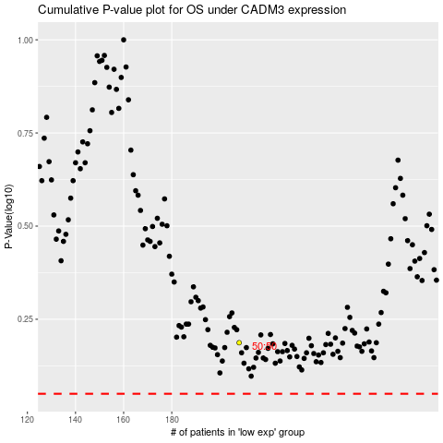

 |  |  |  |  |  | cases_OS | p_OS | rank | exp
 |  |  |  |  |  |  | cases_RFS | p_RFS | rank | exp

