CADPS2 _multivariate
Reported by Tex Li-Hsing Chi. tex@gate.sinica.edu.tw 2019-08-21

Table 2. The clinicopathological features of HNSCC cohort and CADPS2 expression. (Chi square test)
Cutoff at -0.361 (43.0%)
 |  | CADPS2 expression |  | CADPS2 expression |  | (Optimised)
 | Features | Low | (%) | High | (%) | Case no | P-value | Remark | Matthews
Gender | Female | 132 | 31.8 | 174 | 41.9 | 415 | 1 | 0 | 0
2 | Male | 47 | 11.3 | 62 | 14.9
Age at diagnosis | <=65y | 118 | 28.4 | 156 | 37.6 | 415 | 1 | 0 | 0
4 | >65y | 61 | 14.7 | 80 | 19.3
Clinical T Status | T1+T2 | 59 | 14.2 | 90 | 21.7 | 415 | 0.3246 | 0 | 0
6 | T3+T4 | 120 | 28.9 | 146 | 35.2
Clinical N Status | N0 | 94 | 22.7 | 122 | 29.4 | 415 | 0.9472 | 0 | 0
8 | N1-3 | 85 | 20.5 | 114 | 27.5
Clinical M Status | M0 | 177 | 42.7 | 235 | 56.6 | 415 | 0.5803 | 0 | 0
10 | M1 | 2 | 0.5 | 1 | 0.2
Clinical Stage | Stage I+II | 40 | 9.6 | 62 | 14.9 | 415 | 0.421 | 0 | 0
12 | Stage III+IV | 139 | 33.5 | 174 | 41.9
Surgical Margin status | Negative | 137 | 33 | 181 | 43.6 | 415 | 1 | 0 | 0
14 | Positive | 42 | 10.1 | 55 | 13.3
Tobacco Exposure | Low | 72 | 17.3 | 89 | 21.4 | 415 | 0.6125 | 0 | 0
16 | High | 107 | 25.8 | 147 | 35.4

Table 3. Univariate/Multivariate Cox's proportional hazards regression analyses on OS time of CADPS2 gene expression in HNSCC

 |  | Univariate |  |  |  | Multivariate
 | Features | HR | CI95%(L) | CI95%(H) | P-value | HR | CI95%(L) | CI95%(H) | P-value
1 | Female | 1 |  |  |  | 1
Gender | Male | 1.157 | 0.843 | 1.587 | 0.367 | 1.183 | 0.845 | 1.654 | 0.327
11 | <=65y | 1 |  |  |  | 1
Age at diagnosis | >65y | 1.329 | 0.99 | 1.784 | 0.058 | 1.361 | 1.002 | 1.85 | 0.049
12 | T1+T2 | 1 |  |  |  | 1
Clinical T Status | T3+T4 | 1.409 | 1.028 | 1.931 | 0.033 | 2.153 | 1.138 | 4.073 | 0.018
13 | N0 | 1 |  |  |  | 1
Clinical N Status | N1-3 | 1.185 | 0.89 | 1.577 | 0.246 | 1.245 | 0.873 | 1.776 | 0.226
14 | M0 | 1 |  |  |  | 1
Clinical M Status | M1 | 4.097 | 1.009 | 16.644 | 0.049 | 8.784 | 1.913 | 40.325 | 0.005
15 | Stage I+II | 1 |  |  |  | 1
Clinical Stage | Stage III+IV | 1.245 | 0.882 | 1.759 | 0.213 | 0.514 | 0.24 | 1.103 | 0.088
16 | Negative | 1 |  |  |  | 1
Surgical Margin status | Positive | 1.591 | 1.155 | 2.191 | 0.004 | 1.665 | 1.206 | 2.3 | 0.002
17 | Low | 1 |  |  |  | 1
Tobacco Exposure | High | 1.364 | 1.008 | 1.844 | 0.044 | 1.442 | 1.047 | 1.986 | 0.025
18 | Low | 1 |  |  |  | 1
RNAseq(z-score) | High | 0.747 | 0.561 | 0.996 | 0.047 | 0.778 | 0.582 | 1.039 | 0.089

Table 4. Univariate/Multivariate Cox's proportional hazards regression analyses on RFS time of CADPS2 gene expression in HNSCC

 |  | Univariate |  |  |  | Multivariate
 | Features | HR | CI95%(L) | CI95%(H) | P-value | HR | CI95%(L) | CI95%(H) | P-value
1 | Female | 1 |  |  |  | 1
Gender | Male | 1.157 | 0.843 | 1.587 | 0.367 | 1.183 | 0.845 | 1.654 | 0.327
11 | <=65y | 1 |  |  |  | 1
Age at diagnosis | >65y | 1.329 | 0.99 | 1.784 | 0.058 | 1.361 | 1.002 | 1.85 | 0.049
12 | T1+T2 | 1 |  |  |  | 1
Clinical T Status | T3+T4 | 1.409 | 1.028 | 1.931 | 0.033 | 2.153 | 1.138 | 4.073 | 0.018
13 | N0 | 1 |  |  |  | 1
Clinical N Status | N1-3 | 1.185 | 0.89 | 1.577 | 0.246 | 1.245 | 0.873 | 1.776 | 0.226
14 | M0 | 1 |  |  |  | 1
Clinical M Status | M1 | 4.097 | 1.009 | 16.644 | 0.049 | 8.784 | 1.913 | 40.325 | 0.005
15 | Stage I+II | 1 |  |  |  | 1
Clinical Stage | Stage III+IV | 1.245 | 0.882 | 1.759 | 0.213 | 0.514 | 0.24 | 1.103 | 0.088
16 | Negative | 1 |  |  |  | 1
Surgical Margin status | Positive | 1.591 | 1.155 | 2.191 | 0.004 | 1.665 | 1.206 | 2.3 | 0.002
17 | Low | 1 |  |  |  | 1
Tobacco Exposure | High | 1.364 | 1.008 | 1.844 | 0.044 | 1.442 | 1.047 | 1.986 | 0.025
18 | Low | 1 |  |  |  | 1
RNAseq(z-score) | High | 0.747 | 0.561 | 0.996 | 0.047 | 0.778 | 0.582 | 1.039 | 0.089

Kaplan-Meier survival estimate: Cutoff at -0.361 (43.0%)



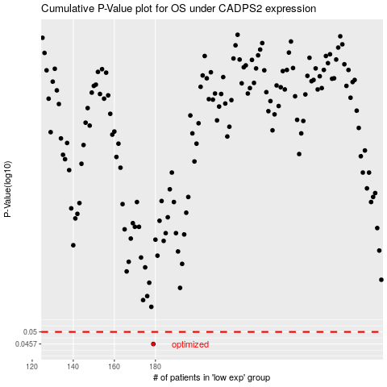

 |  |  |  |  |  | cases_OS | p_OS | rank | exp
 |  |  |  |  |  | 179 | 0.0457 | 271 | -0.36059135174
 |  |  |  |  |  |  | cases_RFS | p_RFS | rank | exp
 |  |  |  |  |  |  | 178 | 0.0457 | 97 | -0.36677600967

