CAGE1 _multivariate
Reported by Tex Li-Hsing Chi. tex@gate.sinica.edu.tw 2019-08-21

Table 2. The clinicopathological features of HNSCC cohort and CAGE1 expression. (Chi square test)
Cutoff at -0.204 (49.8%)
 |  | CAGE1 expression |  | CAGE1 expression |  | (Optimised)
 | Features | Low | (%) | High | (%) | Case no | P-value | Remark | Matthews
Gender | Female | 152 | 36.6 | 154 | 37.1 | 415 | 0.9766 | 0 | 0
2 | Male | 55 | 13.3 | 54 | 13
Age at diagnosis | <=65y | 140 | 33.7 | 134 | 32.3 | 415 | 0.5574 | 0 | 0
4 | >65y | 67 | 16.1 | 74 | 17.8
Clinical T Status | T1+T2 | 81 | 19.5 | 68 | 16.4 | 415 | 0.206 | 0 | 0
6 | T3+T4 | 126 | 30.4 | 140 | 33.7
Clinical N Status | N0 | 112 | 27 | 104 | 25.1 | 415 | 0.4599 | 0 | 0
8 | N1-3 | 95 | 22.9 | 104 | 25.1
Clinical M Status | M0 | 207 | 49.9 | 205 | 49.4 | 415 | 0.2482 | 0 | 0
10 | M1 | 0 | 0 | 3 | 0.7
Clinical Stage | Stage I+II | 55 | 13.3 | 47 | 11.3 | 415 | 0.4087 | 0 | 0
12 | Stage III+IV | 152 | 36.6 | 161 | 38.8
Surgical Margin status | Negative | 161 | 38.8 | 157 | 37.8 | 415 | 0.6429 | 0 | 0
14 | Positive | 46 | 11.1 | 51 | 12.3
Tobacco Exposure | Low | 78 | 18.8 | 83 | 20 | 415 | 0.6873 | 0 | 0
16 | High | 129 | 31.1 | 125 | 30.1

Table 3. Univariate/Multivariate Cox's proportional hazards regression analyses on OS time of CAGE1 gene expression in HNSCC

 |  | Univariate |  |  |  | Multivariate
 | Features | HR | CI95%(L) | CI95%(H) | P-value | HR | CI95%(L) | CI95%(H) | P-value
1 | Female | 1 |  |  |  | 1
Gender | Male | 1.157 | 0.843 | 1.587 | 0.367 | 1.202 | 0.86 | 1.679 | 0.282
11 | <=65y | 1 |  |  |  | 1
Age at diagnosis | >65y | 1.329 | 0.99 | 1.784 | 0.058 | 1.402 | 1.031 | 1.906 | 0.031
12 | T1+T2 | 1 |  |  |  | 1
Clinical T Status | T3+T4 | 1.409 | 1.028 | 1.931 | 0.033 | 2.166 | 1.144 | 4.101 | 0.018
13 | N0 | 1 |  |  |  | 1
Clinical N Status | N1-3 | 1.185 | 0.89 | 1.577 | 0.246 | 1.235 | 0.865 | 1.763 | 0.245
14 | M0 | 1 |  |  |  | 1
Clinical M Status | M1 | 4.097 | 1.009 | 16.644 | 0.049 | 8.837 | 1.909 | 40.91 | 0.005
15 | Stage I+II | 1 |  |  |  | 1
Clinical Stage | Stage III+IV | 1.245 | 0.882 | 1.759 | 0.213 | 0.514 | 0.239 | 1.104 | 0.088
16 | Negative | 1 |  |  |  | 1
Surgical Margin status | Positive | 1.591 | 1.155 | 2.191 | 0.004 | 1.656 | 1.198 | 2.291 | 0.002
17 | Low | 1 |  |  |  | 1
Tobacco Exposure | High | 1.364 | 1.008 | 1.844 | 0.044 | 1.456 | 1.057 | 2.006 | 0.022
18 | Low | 1 |  |  |  | 1
RNAseq(z-score) | High | 1.171 | 0.879 | 1.56 | 0.28 | 1.107 | 0.828 | 1.479 | 0.493

Table 4. Univariate/Multivariate Cox's proportional hazards regression analyses on RFS time of CAGE1 gene expression in HNSCC

 |  | Univariate |  |  |  | Multivariate
 | Features | HR | CI95%(L) | CI95%(H) | P-value | HR | CI95%(L) | CI95%(H) | P-value
1 | Female | 1 |  |  |  | 1
Gender | Male | 1.157 | 0.843 | 1.587 | 0.367 | 1.202 | 0.86 | 1.679 | 0.282
11 | <=65y | 1 |  |  |  | 1
Age at diagnosis | >65y | 1.329 | 0.99 | 1.784 | 0.058 | 1.402 | 1.031 | 1.906 | 0.031
12 | T1+T2 | 1 |  |  |  | 1
Clinical T Status | T3+T4 | 1.409 | 1.028 | 1.931 | 0.033 | 2.166 | 1.144 | 4.101 | 0.018
13 | N0 | 1 |  |  |  | 1
Clinical N Status | N1-3 | 1.185 | 0.89 | 1.577 | 0.246 | 1.235 | 0.865 | 1.763 | 0.245
14 | M0 | 1 |  |  |  | 1
Clinical M Status | M1 | 4.097 | 1.009 | 16.644 | 0.049 | 8.837 | 1.909 | 40.91 | 0.005
15 | Stage I+II | 1 |  |  |  | 1
Clinical Stage | Stage III+IV | 1.245 | 0.882 | 1.759 | 0.213 | 0.514 | 0.239 | 1.104 | 0.088
16 | Negative | 1 |  |  |  | 1
Surgical Margin status | Positive | 1.591 | 1.155 | 2.191 | 0.004 | 1.656 | 1.198 | 2.291 | 0.002
17 | Low | 1 |  |  |  | 1
Tobacco Exposure | High | 1.364 | 1.008 | 1.844 | 0.044 | 1.456 | 1.057 | 2.006 | 0.022
18 | Low | 1 |  |  |  | 1
RNAseq(z-score) | High | 1.171 | 0.879 | 1.56 | 0.28 | 1.107 | 0.828 | 1.479 | 0.493

Kaplan-Meier survival estimate: Cutoff at -0.204 (49.8%)



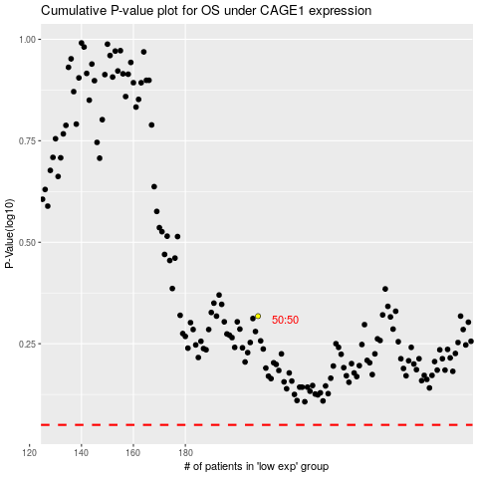

 |  |  |  |  |  | cases_OS | p_OS | rank | exp
 |  |  |  |  |  |  | cases_RFS | p_RFS | rank | exp

