CALB1 _multivariate
Reported by Tex Li-Hsing Chi. tex@gate.sinica.edu.tw 2019-08-21

Table 2. The clinicopathological features of HNSCC cohort and CALB1 expression. (Chi square test)
Cutoff at -0.296 (49.8%)
 |  | CALB1 expression |  | CALB1 expression |  | (Optimised)
 | Features | Low | (%) | High | (%) | Case no | P-value | Remark | Matthews
Gender | Female | 156 | 37.6 | 150 | 36.1 | 415 | 0.5222 | 0 | 0
2 | Male | 51 | 12.3 | 58 | 14
Age at diagnosis | <=65y | 133 | 32 | 141 | 34 | 415 | 0.5111 | 0 | 0
4 | >65y | 74 | 17.8 | 67 | 16.1
Clinical T Status | T1+T2 | 79 | 19 | 70 | 16.9 | 415 | 0.3924 | 0 | 0
6 | T3+T4 | 128 | 30.8 | 138 | 33.3
Clinical N Status | N0 | 106 | 25.5 | 110 | 26.5 | 415 | 0.8075 | 0 | 0
8 | N1-3 | 101 | 24.3 | 98 | 23.6
Clinical M Status | M0 | 204 | 49.2 | 208 | 50.1 | 415 | 0.1232 | 0 | 0
10 | M1 | 3 | 0.7 | 0 | 0
Clinical Stage | Stage I+II | 52 | 12.5 | 50 | 12 | 415 | 0.8871 | 0 | 0
12 | Stage III+IV | 155 | 37.3 | 158 | 38.1
Surgical Margin status | Negative | 159 | 38.3 | 159 | 38.3 | 415 | 1 | 0 | 0
14 | Positive | 48 | 11.6 | 49 | 11.8
Tobacco Exposure | Low | 96 | 23.1 | 65 | 15.7 | 415 | 0.0018 | 1 | 0
16 | High | 111 | 26.7 | 143 | 34.5

Table 3. Univariate/Multivariate Cox's proportional hazards regression analyses on OS time of CALB1 gene expression in HNSCC

 |  | Univariate |  |  |  | Multivariate
 | Features | HR | CI95%(L) | CI95%(H) | P-value | HR | CI95%(L) | CI95%(H) | P-value
1 | Female | 1 |  |  |  | 1
Gender | Male | 1.157 | 0.843 | 1.587 | 0.367 | 1.23 | 0.878 | 1.721 | 0.229
11 | <=65y | 1 |  |  |  | 1
Age at diagnosis | >65y | 1.329 | 0.99 | 1.784 | 0.058 | 1.356 | 0.995 | 1.848 | 0.054
12 | T1+T2 | 1 |  |  |  | 1
Clinical T Status | T3+T4 | 1.409 | 1.028 | 1.931 | 0.033 | 2.238 | 1.183 | 4.233 | 0.013
13 | N0 | 1 |  |  |  | 1
Clinical N Status | N1-3 | 1.185 | 0.89 | 1.577 | 0.246 | 1.218 | 0.853 | 1.739 | 0.278
14 | M0 | 1 |  |  |  | 1
Clinical M Status | M1 | 4.097 | 1.009 | 16.644 | 0.049 | 8.669 | 1.884 | 39.898 | 0.006
15 | Stage I+II | 1 |  |  |  | 1
Clinical Stage | Stage III+IV | 1.245 | 0.882 | 1.759 | 0.213 | 0.512 | 0.238 | 1.099 | 0.086
16 | Negative | 1 |  |  |  | 1
Surgical Margin status | Positive | 1.591 | 1.155 | 2.191 | 0.004 | 1.67 | 1.209 | 2.307 | 0.002
17 | Low | 1 |  |  |  | 1
Tobacco Exposure | High | 1.364 | 1.008 | 1.844 | 0.044 | 1.541 | 1.106 | 2.147 | 0.011
18 | Low | 1 |  |  |  | 1
RNAseq(z-score) | High | 0.862 | 0.647 | 1.148 | 0.309 | 0.805 | 0.594 | 1.091 | 0.162

Table 4. Univariate/Multivariate Cox's proportional hazards regression analyses on RFS time of CALB1 gene expression in HNSCC

 |  | Univariate |  |  |  | Multivariate
 | Features | HR | CI95%(L) | CI95%(H) | P-value | HR | CI95%(L) | CI95%(H) | P-value
1 | Female | 1 |  |  |  | 1
Gender | Male | 1.157 | 0.843 | 1.587 | 0.367 | 1.23 | 0.878 | 1.721 | 0.229
11 | <=65y | 1 |  |  |  | 1
Age at diagnosis | >65y | 1.329 | 0.99 | 1.784 | 0.058 | 1.356 | 0.995 | 1.848 | 0.054
12 | T1+T2 | 1 |  |  |  | 1
Clinical T Status | T3+T4 | 1.409 | 1.028 | 1.931 | 0.033 | 2.238 | 1.183 | 4.233 | 0.013
13 | N0 | 1 |  |  |  | 1
Clinical N Status | N1-3 | 1.185 | 0.89 | 1.577 | 0.246 | 1.218 | 0.853 | 1.739 | 0.278
14 | M0 | 1 |  |  |  | 1
Clinical M Status | M1 | 4.097 | 1.009 | 16.644 | 0.049 | 8.669 | 1.884 | 39.898 | 0.006
15 | Stage I+II | 1 |  |  |  | 1
Clinical Stage | Stage III+IV | 1.245 | 0.882 | 1.759 | 0.213 | 0.512 | 0.238 | 1.099 | 0.086
16 | Negative | 1 |  |  |  | 1
Surgical Margin status | Positive | 1.591 | 1.155 | 2.191 | 0.004 | 1.67 | 1.209 | 2.307 | 0.002
17 | Low | 1 |  |  |  | 1
Tobacco Exposure | High | 1.364 | 1.008 | 1.844 | 0.044 | 1.541 | 1.106 | 2.147 | 0.011
18 | Low | 1 |  |  |  | 1
RNAseq(z-score) | High | 0.862 | 0.647 | 1.148 | 0.309 | 0.805 | 0.594 | 1.091 | 0.162

Kaplan-Meier survival estimate: Cutoff at -0.296 (49.8%)



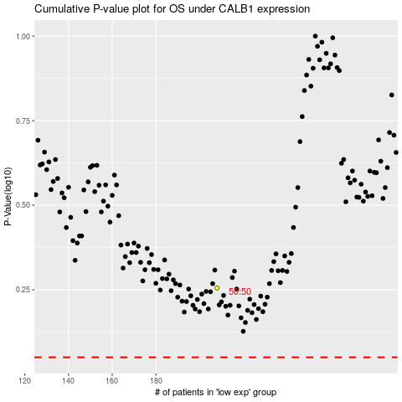

 |  |  |  |  |  | cases_OS | p_OS | rank | exp
 |  |  |  |  |  |  | cases_RFS | p_RFS | rank | exp

