CALCOCO2 _multivariate
Reported by Tex Li-Hsing Chi. tex@gate.sinica.edu.tw 2019-08-21

Table 2. The clinicopathological features of HNSCC cohort and CALCOCO2 expression. (Chi square test)
Cutoff at 0.16 (64.0%)
 |  | CALCOCO2 expression |  | CALCOCO2 expression |  | (Optimised)
 | Features | Low | (%) | High | (%) | Case no | P-value | Remark | Matthews
Gender | Female | 206 | 49.6 | 100 | 24.1 | 415 | 0.019 | 1 | 0
2 | Male | 59 | 14.2 | 50 | 12
Age at diagnosis | <=65y | 185 | 44.6 | 89 | 21.4 | 415 | 0.0397 | 1 | 0
4 | >65y | 80 | 19.3 | 61 | 14.7
Clinical T Status | T1+T2 | 101 | 24.3 | 48 | 11.6 | 415 | 0.254 | 0 | 0
6 | T3+T4 | 164 | 39.5 | 102 | 24.6
Clinical N Status | N0 | 147 | 35.4 | 69 | 16.6 | 415 | 0.0796 | 0 | 0
8 | N1-3 | 118 | 28.4 | 81 | 19.5
Clinical M Status | M0 | 263 | 63.4 | 149 | 35.9 | 415 | 1 | 0 | 0
10 | M1 | 2 | 0.5 | 1 | 0.2
Clinical Stage | Stage I+II | 69 | 16.6 | 33 | 8 | 415 | 0.4242 | 0 | 0
12 | Stage III+IV | 196 | 47.2 | 117 | 28.2
Surgical Margin status | Negative | 206 | 49.6 | 112 | 27 | 415 | 0.4722 | 0 | 0
14 | Positive | 59 | 14.2 | 38 | 9.2
Tobacco Exposure | Low | 97 | 23.4 | 64 | 15.4 | 415 | 0.2491 | 0 | 0
16 | High | 168 | 40.5 | 86 | 20.7

Table 3. Univariate/Multivariate Cox's proportional hazards regression analyses on OS time of CALCOCO2 gene expression in HNSCC

 |  | Univariate |  |  |  | Multivariate
 | Features | HR | CI95%(L) | CI95%(H) | P-value | HR | CI95%(L) | CI95%(H) | P-value
1 | Female | 1 |  |  |  | 1
Gender | Male | 1.157 | 0.843 | 1.587 | 0.367 | 1.166 | 0.836 | 1.628 | 0.366
11 | <=65y | 1 |  |  |  | 1
Age at diagnosis | >65y | 1.329 | 0.99 | 1.784 | 0.058 | 1.373 | 1.01 | 1.868 | 0.043
12 | T1+T2 | 1 |  |  |  | 1
Clinical T Status | T3+T4 | 1.409 | 1.028 | 1.931 | 0.033 | 2.173 | 1.149 | 4.109 | 0.017
13 | N0 | 1 |  |  |  | 1
Clinical N Status | N1-3 | 1.185 | 0.89 | 1.577 | 0.246 | 1.212 | 0.849 | 1.729 | 0.291
14 | M0 | 1 |  |  |  | 1
Clinical M Status | M1 | 4.097 | 1.009 | 16.644 | 0.049 | 9.204 | 2.007 | 42.215 | 0.004
15 | Stage I+II | 1 |  |  |  | 1
Clinical Stage | Stage III+IV | 1.245 | 0.882 | 1.759 | 0.213 | 0.517 | 0.241 | 1.111 | 0.091
16 | Negative | 1 |  |  |  | 1
Surgical Margin status | Positive | 1.591 | 1.155 | 2.191 | 0.004 | 1.626 | 1.175 | 2.249 | 0.003
17 | Low | 1 |  |  |  | 1
Tobacco Exposure | High | 1.364 | 1.008 | 1.844 | 0.044 | 1.481 | 1.074 | 2.041 | 0.016
18 | Low | 1 |  |  |  | 1
RNAseq(z-score) | High | 1.439 | 1.076 | 1.924 | 0.014 | 1.358 | 1.011 | 1.824 | 0.042

Table 4. Univariate/Multivariate Cox's proportional hazards regression analyses on RFS time of CALCOCO2 gene expression in HNSCC

 |  | Univariate |  |  |  | Multivariate
 | Features | HR | CI95%(L) | CI95%(H) | P-value | HR | CI95%(L) | CI95%(H) | P-value
1 | Female | 1 |  |  |  | 1
Gender | Male | 1.157 | 0.843 | 1.587 | 0.367 | 1.166 | 0.836 | 1.628 | 0.366
11 | <=65y | 1 |  |  |  | 1
Age at diagnosis | >65y | 1.329 | 0.99 | 1.784 | 0.058 | 1.373 | 1.01 | 1.868 | 0.043
12 | T1+T2 | 1 |  |  |  | 1
Clinical T Status | T3+T4 | 1.409 | 1.028 | 1.931 | 0.033 | 2.173 | 1.149 | 4.109 | 0.017
13 | N0 | 1 |  |  |  | 1
Clinical N Status | N1-3 | 1.185 | 0.89 | 1.577 | 0.246 | 1.212 | 0.849 | 1.729 | 0.291
14 | M0 | 1 |  |  |  | 1
Clinical M Status | M1 | 4.097 | 1.009 | 16.644 | 0.049 | 9.204 | 2.007 | 42.215 | 0.004
15 | Stage I+II | 1 |  |  |  | 1
Clinical Stage | Stage III+IV | 1.245 | 0.882 | 1.759 | 0.213 | 0.517 | 0.241 | 1.111 | 0.091
16 | Negative | 1 |  |  |  | 1
Surgical Margin status | Positive | 1.591 | 1.155 | 2.191 | 0.004 | 1.626 | 1.175 | 2.249 | 0.003
17 | Low | 1 |  |  |  | 1
Tobacco Exposure | High | 1.364 | 1.008 | 1.844 | 0.044 | 1.481 | 1.074 | 2.041 | 0.016
18 | Low | 1 |  |  |  | 1
RNAseq(z-score) | High | 1.439 | 1.076 | 1.924 | 0.014 | 1.358 | 1.011 | 1.824 | 0.042

Kaplan-Meier survival estimate: Cutoff at 0.16 (64.0%)

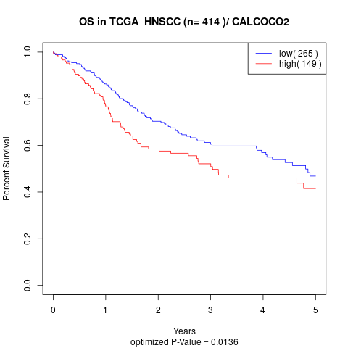

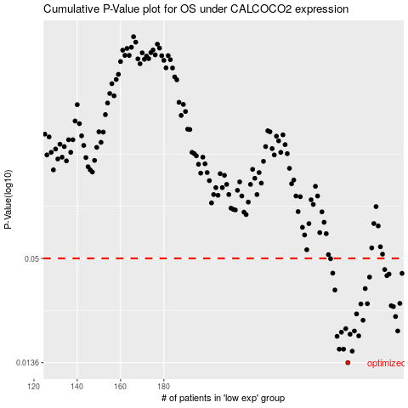

 |  |  |  |  |  | cases_OS | p_OS | rank | exp
 |  |  |  |  |  | 265 | 0.0136 | 296 | 0.15999557243
 |  |  |  |  |  | 267 | 0.0157 | 260 | 0.16326966307
 |  |  |  |  |  | 261 | 0.0161 | 76 | 0.12318862153
 |  |  |  |  |  | 263 | 0.0161 | 180 | 0.13793038541
 |  |  |  |  |  | 260 | 0.0189 | 101 | 0.12020025732
 |  |  |  |  |  | 270 | 0.019 | 225 | 0.19214020138
 |  |  |  |  |  | 266 | 0.0194 | 136 | 0.16059266116
 |  |  |  |  |  | 262 | 0.0199 | 167 | 0.13671787343
 |  |  |  |  |  | 268 | 0.0202 | 4 | 0.17643660542
 |  |  |  |  |  | 288 | 0.0202 | 204 | 0.31349102295
 |  |  |  |  |  | 264 | 0.0208 | 368 | 0.13965431688
 |  |  |  |  |  | 272 | 0.0231 | 349 | 0.19519476456
 |  |  |  |  |  | 287 | 0.0242 | 103 | 0.29545602264
 |  |  |  |  |  | 269 | 0.025 | 75 | 0.17720519491
 |  |  |  |  |  | 286 | 0.0274 | 147 | 0.29153292251
 |  |  |  |  |  | 285 | 0.0277 | 228 | 0.27606167195
 |  |  |  |  |  | 271 | 0.0283 | 134 | 0.19237627858
 |  |  |  |  |  | 274 | 0.0284 | 379 | 0.20195793023
 |  |  |  |  |  | 289 | 0.0285 | 239 | 0.31466929969
 |  |  |  |  |  | 259 | 0.0337 | 175 | 0.11321188534
 |  |  |  |  |  | 273 | 0.0343 | 381 | 0.19980987106
 |  |  |  |  |  | 275 | 0.0396 | 281 | 0.20749560374
 |  |  |  |  |  | 283 | 0.0403 | 280 | 0.25727495639
 |  |  |  |  |  | 284 | 0.0411 | 110 | 0.27514088973
 |  |  |  |  |  | 290 | 0.0415 | 386 | 0.32368517732
 |  |  |  |  |  | 258 | 0.0416 | 300 | 0.11242139178
 |  |  |  |  |  | 282 | 0.0435 | 246 | 0.24027236794
 |  |  |  |  |  | 257 | 0.0498 | 314 | 0.11207352269
 |  |  |  |  |  |  | cases_RFS | p_RFS | rank | exp
 |  |  |  |  |  |  | 264 | 0.0136 | 368 | 0.13965431688
 |  |  |  |  |  |  | 266 | 0.0157 | 136 | 0.16059266116
 |  |  |  |  |  |  | 260 | 0.0161 | 101 | 0.12020025732
 |  |  |  |  |  |  | 262 | 0.0161 | 167 | 0.13671787343
 |  |  |  |  |  |  | 259 | 0.0189 | 175 | 0.11321188534
 |  |  |  |  |  |  | 269 | 0.019 | 75 | 0.17720519491
 |  |  |  |  |  |  | 265 | 0.0194 | 296 | 0.15999557243
 |  |  |  |  |  |  | 261 | 0.0199 | 76 | 0.12318862153
 |  |  |  |  |  |  | 287 | 0.0202 | 103 | 0.29545602264
 |  |  |  |  |  |  | 267 | 0.0202 | 260 | 0.16326966307
 |  |  |  |  |  |  | 263 | 0.0208 | 180 | 0.13793038541
 |  |  |  |  |  |  | 271 | 0.0231 | 134 | 0.19237627858
 |  |  |  |  |  |  | 286 | 0.0242 | 147 | 0.29153292251
 |  |  |  |  |  |  | 268 | 0.025 | 4 | 0.17643660542
 |  |  |  |  |  |  | 285 | 0.0274 | 228 | 0.27606167195
 |  |  |  |  |  |  | 284 | 0.0277 | 110 | 0.27514088973
 |  |  |  |  |  |  | 270 | 0.0283 | 225 | 0.19214020138
 |  |  |  |  |  |  | 273 | 0.0284 | 381 | 0.19980987106
 |  |  |  |  |  |  | 288 | 0.0285 | 204 | 0.31349102295
 |  |  |  |  |  |  | 258 | 0.0337 | 300 | 0.11242139178
 |  |  |  |  |  |  | 272 | 0.0343 | 349 | 0.19519476456
 |  |  |  |  |  |  | 274 | 0.0396 | 379 | 0.20195793023
 |  |  |  |  |  |  | 282 | 0.0403 | 246 | 0.24027236794
 |  |  |  |  |  |  | 283 | 0.0411 | 280 | 0.25727495639
 |  |  |  |  |  |  | 289 | 0.0415 | 239 | 0.31466929969
 |  |  |  |  |  |  | 257 | 0.0416 | 314 | 0.11207352269
 |  |  |  |  |  |  | 281 | 0.0435 | 17 | 0.23905725991
 |  |  |  |  |  |  | 256 | 0.0498 | 304 | 0.10976483367

