CALD1 _multivariate
Reported by Tex Li-Hsing Chi. tex@gate.sinica.edu.tw 2019-08-21

Table 2. The clinicopathological features of HNSCC cohort and CALD1 expression. (Chi square test)
Cutoff at -0.293 (40.3%)
 |  | CALD1 expression |  | CALD1 expression |  | (Optimised)
 | Features | Low | (%) | High | (%) | Case no | P-value | Remark | Matthews
Gender | Female | 132 | 31.8 | 174 | 41.9 | 415 | 0.0571 | 0 | 0
2 | Male | 35 | 8.4 | 74 | 17.8
Age at diagnosis | <=65y | 115 | 27.7 | 159 | 38.3 | 415 | 0.3702 | 0 | 0
4 | >65y | 52 | 12.5 | 89 | 21.4
Clinical T Status | T1+T2 | 56 | 13.5 | 93 | 22.4 | 415 | 0.4704 | 0 | 0
6 | T3+T4 | 111 | 26.7 | 155 | 37.3
Clinical N Status | N0 | 85 | 20.5 | 131 | 31.6 | 415 | 0.7759 | 0 | 0
8 | N1-3 | 82 | 19.8 | 117 | 28.2
Clinical M Status | M0 | 164 | 39.5 | 248 | 59.8 | 415 | 0.0645 | 0 | 0
10 | M1 | 3 | 0.7 | 0 | 0
Clinical Stage | Stage I+II | 29 | 7 | 73 | 17.6 | 415 | 0.0073 | 1 | 0
12 | Stage III+IV | 138 | 33.3 | 175 | 42.2
Surgical Margin status | Negative | 123 | 29.6 | 195 | 47 | 415 | 0.2871 | 0 | 0
14 | Positive | 44 | 10.6 | 53 | 12.8
Tobacco Exposure | Low | 59 | 14.2 | 102 | 24.6 | 415 | 0.259 | 0 | 0
16 | High | 108 | 26 | 146 | 35.2

Table 3. Univariate/Multivariate Cox's proportional hazards regression analyses on OS time of CALD1 gene expression in HNSCC

 |  | Univariate |  |  |  | Multivariate
 | Features | HR | CI95%(L) | CI95%(H) | P-value | HR | CI95%(L) | CI95%(H) | P-value
1 | Female | 1 |  |  |  | 1
Gender | Male | 1.157 | 0.843 | 1.587 | 0.367 | 1.172 | 0.839 | 1.636 | 0.351
11 | <=65y | 1 |  |  |  | 1
Age at diagnosis | >65y | 1.329 | 0.99 | 1.784 | 0.058 | 1.412 | 1.038 | 1.919 | 0.028
12 | T1+T2 | 1 |  |  |  | 1
Clinical T Status | T3+T4 | 1.409 | 1.028 | 1.931 | 0.033 | 2.129 | 1.127 | 4.021 | 0.02
13 | N0 | 1 |  |  |  | 1
Clinical N Status | N1-3 | 1.185 | 0.89 | 1.577 | 0.246 | 1.241 | 0.869 | 1.771 | 0.235
14 | M0 | 1 |  |  |  | 1
Clinical M Status | M1 | 4.097 | 1.009 | 16.644 | 0.049 | 11.766 | 2.543 | 54.449 | 0.002
15 | Stage I+II | 1 |  |  |  | 1
Clinical Stage | Stage III+IV | 1.245 | 0.882 | 1.759 | 0.213 | 0.579 | 0.268 | 1.251 | 0.164
16 | Negative | 1 |  |  |  | 1
Surgical Margin status | Positive | 1.591 | 1.155 | 2.191 | 0.004 | 1.714 | 1.241 | 2.367 | 0.001
17 | Low | 1 |  |  |  | 1
Tobacco Exposure | High | 1.364 | 1.008 | 1.844 | 0.044 | 1.471 | 1.069 | 2.025 | 0.018
18 | Low | 1 |  |  |  | 1
RNAseq(z-score) | High | 1.386 | 1.027 | 1.871 | 0.033 | 1.547 | 1.133 | 2.114 | 0.006

Table 4. Univariate/Multivariate Cox's proportional hazards regression analyses on RFS time of CALD1 gene expression in HNSCC

 |  | Univariate |  |  |  | Multivariate
 | Features | HR | CI95%(L) | CI95%(H) | P-value | HR | CI95%(L) | CI95%(H) | P-value
1 | Female | 1 |  |  |  | 1
Gender | Male | 1.157 | 0.843 | 1.587 | 0.367 | 1.172 | 0.839 | 1.636 | 0.351
11 | <=65y | 1 |  |  |  | 1
Age at diagnosis | >65y | 1.329 | 0.99 | 1.784 | 0.058 | 1.412 | 1.038 | 1.919 | 0.028
12 | T1+T2 | 1 |  |  |  | 1
Clinical T Status | T3+T4 | 1.409 | 1.028 | 1.931 | 0.033 | 2.129 | 1.127 | 4.021 | 0.02
13 | N0 | 1 |  |  |  | 1
Clinical N Status | N1-3 | 1.185 | 0.89 | 1.577 | 0.246 | 1.241 | 0.869 | 1.771 | 0.235
14 | M0 | 1 |  |  |  | 1
Clinical M Status | M1 | 4.097 | 1.009 | 16.644 | 0.049 | 11.766 | 2.543 | 54.449 | 0.002
15 | Stage I+II | 1 |  |  |  | 1
Clinical Stage | Stage III+IV | 1.245 | 0.882 | 1.759 | 0.213 | 0.579 | 0.268 | 1.251 | 0.164
16 | Negative | 1 |  |  |  | 1
Surgical Margin status | Positive | 1.591 | 1.155 | 2.191 | 0.004 | 1.714 | 1.241 | 2.367 | 0.001
17 | Low | 1 |  |  |  | 1
Tobacco Exposure | High | 1.364 | 1.008 | 1.844 | 0.044 | 1.471 | 1.069 | 2.025 | 0.018
18 | Low | 1 |  |  |  | 1
RNAseq(z-score) | High | 1.386 | 1.027 | 1.871 | 0.033 | 1.547 | 1.133 | 2.114 | 0.006

Kaplan-Meier survival estimate: Cutoff at -0.293 (40.3%)

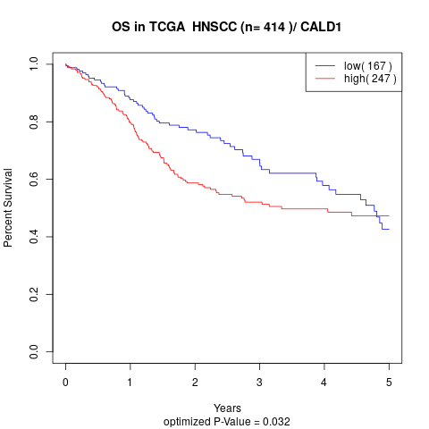

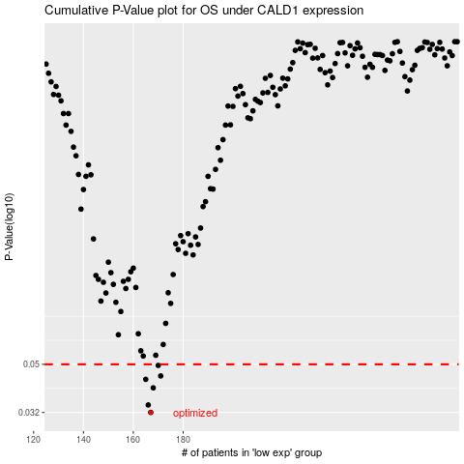

 |  |  |  |  |  | cases_OS | p_OS | rank | exp
 |  |  |  |  |  | 167 | 0.032 | 414 | -0.29305249397
 |  |  |  |  |  | 166 | 0.0343 | 313 | -0.31733116048
 |  |  |  |  |  | 168 | 0.0402 | 2 | -0.2911081663
 |  |  |  |  |  | 165 | 0.0435 | 399 | -0.31831505577
 |  |  |  |  |  | 171 | 0.0449 | 296 | -0.26496182659
 |  |  |  |  |  | 170 | 0.0495 | 252 | -0.26757746418
 |  |  |  |  |  |  | cases_RFS | p_RFS | rank | exp
 |  |  |  |  |  |  | 166 | 0.032 | 313 | -0.31733116048
 |  |  |  |  |  |  | 165 | 0.0343 | 399 | -0.31831505577
 |  |  |  |  |  |  | 167 | 0.0402 | 414 | -0.29305249397
 |  |  |  |  |  |  | 164 | 0.0435 | 149 | -0.31925682635
 |  |  |  |  |  |  | 170 | 0.0449 | 252 | -0.26757746418
 |  |  |  |  |  |  | 169 | 0.0495 | 147 | -0.27016426818

