CALM1 _multivariate
Reported by Tex Li-Hsing Chi. tex@gate.sinica.edu.tw 2019-08-21

Table 2. The clinicopathological features of HNSCC cohort and CALM1 expression. (Chi square test)
Cutoff at -0.156 (50.0%)
 |  | CALM1 expression |  | CALM1 expression |  | (Optimised)
 | Features | Low | (%) | High | (%) | Case no | P-value | Remark | Matthews
Gender | Female | 164 | 39.5 | 142 | 34.2 | 415 | 0.0153 | 1 | 0
2 | Male | 43 | 10.4 | 66 | 15.9
Age at diagnosis | <=65y | 140 | 33.7 | 134 | 32.3 | 415 | 0.5574 | 0 | 0
4 | >65y | 67 | 16.1 | 74 | 17.8
Clinical T Status | T1+T2 | 75 | 18.1 | 74 | 17.8 | 415 | 0.9707 | 0 | 0
6 | T3+T4 | 132 | 31.8 | 134 | 32.3
Clinical N Status | N0 | 104 | 25.1 | 112 | 27 | 415 | 0.5243 | 0 | 0
8 | N1-3 | 103 | 24.8 | 96 | 23.1
Clinical M Status | M0 | 206 | 49.6 | 206 | 49.6 | 415 | 1 | 0 | 0
10 | M1 | 1 | 0.2 | 2 | 0.5
Clinical Stage | Stage I+II | 48 | 11.6 | 54 | 13 | 415 | 0.5878 | 0 | 0
12 | Stage III+IV | 159 | 38.3 | 154 | 37.1
Surgical Margin status | Negative | 158 | 38.1 | 160 | 38.6 | 415 | 0.9081 | 0 | 0
14 | Positive | 49 | 11.8 | 48 | 11.6
Tobacco Exposure | Low | 78 | 18.8 | 83 | 20 | 415 | 0.6873 | 0 | 0
16 | High | 129 | 31.1 | 125 | 30.1

Table 3. Univariate/Multivariate Cox's proportional hazards regression analyses on OS time of CALM1 gene expression in HNSCC

 |  | Univariate |  |  |  | Multivariate
 | Features | HR | CI95%(L) | CI95%(H) | P-value | HR | CI95%(L) | CI95%(H) | P-value
1 | Female | 1 |  |  |  | 1
Gender | Male | 1.157 | 0.843 | 1.587 | 0.367 | 1.213 | 0.867 | 1.696 | 0.26
11 | <=65y | 1 |  |  |  | 1
Age at diagnosis | >65y | 1.329 | 0.99 | 1.784 | 0.058 | 1.393 | 1.024 | 1.893 | 0.035
12 | T1+T2 | 1 |  |  |  | 1
Clinical T Status | T3+T4 | 1.409 | 1.028 | 1.931 | 0.033 | 2.22 | 1.173 | 4.201 | 0.014
13 | N0 | 1 |  |  |  | 1
Clinical N Status | N1-3 | 1.185 | 0.89 | 1.577 | 0.246 | 1.238 | 0.867 | 1.767 | 0.239
14 | M0 | 1 |  |  |  | 1
Clinical M Status | M1 | 4.097 | 1.009 | 16.644 | 0.049 | 9.748 | 2.114 | 44.957 | 0.004
15 | Stage I+II | 1 |  |  |  | 1
Clinical Stage | Stage III+IV | 1.245 | 0.882 | 1.759 | 0.213 | 0.499 | 0.232 | 1.071 | 0.074
16 | Negative | 1 |  |  |  | 1
Surgical Margin status | Positive | 1.591 | 1.155 | 2.191 | 0.004 | 1.673 | 1.211 | 2.312 | 0.002
17 | Low | 1 |  |  |  | 1
Tobacco Exposure | High | 1.364 | 1.008 | 1.844 | 0.044 | 1.455 | 1.056 | 2.004 | 0.022
18 | Low | 1 |  |  |  | 1
RNAseq(z-score) | High | 0.969 | 0.727 | 1.292 | 0.832 | 0.926 | 0.691 | 1.24 | 0.605

Table 4. Univariate/Multivariate Cox's proportional hazards regression analyses on RFS time of CALM1 gene expression in HNSCC

 |  | Univariate |  |  |  | Multivariate
 | Features | HR | CI95%(L) | CI95%(H) | P-value | HR | CI95%(L) | CI95%(H) | P-value
1 | Female | 1 |  |  |  | 1
Gender | Male | 1.157 | 0.843 | 1.587 | 0.367 | 1.213 | 0.867 | 1.696 | 0.26
11 | <=65y | 1 |  |  |  | 1
Age at diagnosis | >65y | 1.329 | 0.99 | 1.784 | 0.058 | 1.393 | 1.024 | 1.893 | 0.035
12 | T1+T2 | 1 |  |  |  | 1
Clinical T Status | T3+T4 | 1.409 | 1.028 | 1.931 | 0.033 | 2.22 | 1.173 | 4.201 | 0.014
13 | N0 | 1 |  |  |  | 1
Clinical N Status | N1-3 | 1.185 | 0.89 | 1.577 | 0.246 | 1.238 | 0.867 | 1.767 | 0.239
14 | M0 | 1 |  |  |  | 1
Clinical M Status | M1 | 4.097 | 1.009 | 16.644 | 0.049 | 9.748 | 2.114 | 44.957 | 0.004
15 | Stage I+II | 1 |  |  |  | 1
Clinical Stage | Stage III+IV | 1.245 | 0.882 | 1.759 | 0.213 | 0.499 | 0.232 | 1.071 | 0.074
16 | Negative | 1 |  |  |  | 1
Surgical Margin status | Positive | 1.591 | 1.155 | 2.191 | 0.004 | 1.673 | 1.211 | 2.312 | 0.002
17 | Low | 1 |  |  |  | 1
Tobacco Exposure | High | 1.364 | 1.008 | 1.844 | 0.044 | 1.455 | 1.056 | 2.004 | 0.022
18 | Low | 1 |  |  |  | 1
RNAseq(z-score) | High | 0.969 | 0.727 | 1.292 | 0.832 | 0.926 | 0.691 | 1.24 | 0.605

Kaplan-Meier survival estimate: Cutoff at -0.156 (50.0%)



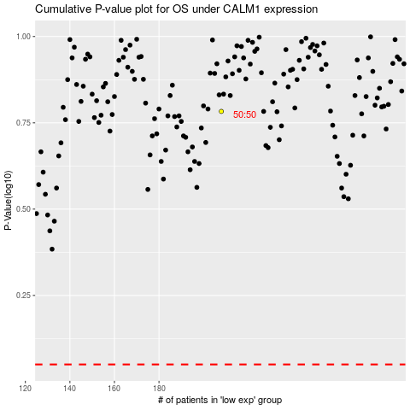

 |  |  |  |  |  | cases_OS | p_OS | rank | exp
 |  |  |  |  |  |  | cases_RFS | p_RFS | rank | exp

