CALML4 _multivariate
Reported by Tex Li-Hsing Chi. tex@gate.sinica.edu.tw 2019-08-21

Table 2. The clinicopathological features of HNSCC cohort and CALML4 expression. (Chi square test)
Cutoff at -0.269 (49.8%)
 |  | CALML4 expression |  | CALML4 expression |  | (Optimised)
 | Features | Low | (%) | High | (%) | Case no | P-value | Remark | Matthews
Gender | Female | 148 | 35.7 | 158 | 38.1 | 415 | 0.3567 | 0 | 0
2 | Male | 59 | 14.2 | 50 | 12
Age at diagnosis | <=65y | 130 | 31.3 | 144 | 34.7 | 415 | 0.2009 | 0 | 0
4 | >65y | 77 | 18.6 | 64 | 15.4
Clinical T Status | T1+T2 | 74 | 17.8 | 75 | 18.1 | 415 | 1 | 0 | 0
6 | T3+T4 | 133 | 32 | 133 | 32
Clinical N Status | N0 | 109 | 26.3 | 107 | 25.8 | 415 | 0.8812 | 0 | 0
8 | N1-3 | 98 | 23.6 | 101 | 24.3
Clinical M Status | M0 | 207 | 49.9 | 205 | 49.4 | 415 | 0.2482 | 0 | 0
10 | M1 | 0 | 0 | 3 | 0.7
Clinical Stage | Stage I+II | 55 | 13.3 | 47 | 11.3 | 415 | 0.4087 | 0 | 0
12 | Stage III+IV | 152 | 36.6 | 161 | 38.8
Surgical Margin status | Negative | 162 | 39 | 156 | 37.6 | 415 | 0.4867 | 0 | 0
14 | Positive | 45 | 10.8 | 52 | 12.5
Tobacco Exposure | Low | 92 | 22.2 | 69 | 16.6 | 415 | 0.0206 | 1 | 0
16 | High | 115 | 27.7 | 139 | 33.5

Table 3. Univariate/Multivariate Cox's proportional hazards regression analyses on OS time of CALML4 gene expression in HNSCC

 |  | Univariate |  |  |  | Multivariate
 | Features | HR | CI95%(L) | CI95%(H) | P-value | HR | CI95%(L) | CI95%(H) | P-value
1 | Female | 1 |  |  |  | 1
Gender | Male | 1.157 | 0.843 | 1.587 | 0.367 | 1.206 | 0.863 | 1.686 | 0.272
11 | <=65y | 1 |  |  |  | 1
Age at diagnosis | >65y | 1.329 | 0.99 | 1.784 | 0.058 | 1.394 | 1.025 | 1.896 | 0.034
12 | T1+T2 | 1 |  |  |  | 1
Clinical T Status | T3+T4 | 1.409 | 1.028 | 1.931 | 0.033 | 2.182 | 1.154 | 4.127 | 0.016
13 | N0 | 1 |  |  |  | 1
Clinical N Status | N1-3 | 1.185 | 0.89 | 1.577 | 0.246 | 1.241 | 0.87 | 1.77 | 0.234
14 | M0 | 1 |  |  |  | 1
Clinical M Status | M1 | 4.097 | 1.009 | 16.644 | 0.049 | 9.99 | 2.164 | 46.111 | 0.003
15 | Stage I+II | 1 |  |  |  | 1
Clinical Stage | Stage III+IV | 1.245 | 0.882 | 1.759 | 0.213 | 0.511 | 0.238 | 1.097 | 0.085
16 | Negative | 1 |  |  |  | 1
Surgical Margin status | Positive | 1.591 | 1.155 | 2.191 | 0.004 | 1.7 | 1.227 | 2.354 | 0.001
17 | Low | 1 |  |  |  | 1
Tobacco Exposure | High | 1.364 | 1.008 | 1.844 | 0.044 | 1.482 | 1.071 | 2.049 | 0.017
18 | Low | 1 |  |  |  | 1
RNAseq(z-score) | High | 0.974 | 0.731 | 1.297 | 0.856 | 0.882 | 0.657 | 1.183 | 0.402

Table 4. Univariate/Multivariate Cox's proportional hazards regression analyses on RFS time of CALML4 gene expression in HNSCC

 |  | Univariate |  |  |  | Multivariate
 | Features | HR | CI95%(L) | CI95%(H) | P-value | HR | CI95%(L) | CI95%(H) | P-value
1 | Female | 1 |  |  |  | 1
Gender | Male | 1.157 | 0.843 | 1.587 | 0.367 | 1.206 | 0.863 | 1.686 | 0.272
11 | <=65y | 1 |  |  |  | 1
Age at diagnosis | >65y | 1.329 | 0.99 | 1.784 | 0.058 | 1.394 | 1.025 | 1.896 | 0.034
12 | T1+T2 | 1 |  |  |  | 1
Clinical T Status | T3+T4 | 1.409 | 1.028 | 1.931 | 0.033 | 2.182 | 1.154 | 4.127 | 0.016
13 | N0 | 1 |  |  |  | 1
Clinical N Status | N1-3 | 1.185 | 0.89 | 1.577 | 0.246 | 1.241 | 0.87 | 1.77 | 0.234
14 | M0 | 1 |  |  |  | 1
Clinical M Status | M1 | 4.097 | 1.009 | 16.644 | 0.049 | 9.99 | 2.164 | 46.111 | 0.003
15 | Stage I+II | 1 |  |  |  | 1
Clinical Stage | Stage III+IV | 1.245 | 0.882 | 1.759 | 0.213 | 0.511 | 0.238 | 1.097 | 0.085
16 | Negative | 1 |  |  |  | 1
Surgical Margin status | Positive | 1.591 | 1.155 | 2.191 | 0.004 | 1.7 | 1.227 | 2.354 | 0.001
17 | Low | 1 |  |  |  | 1
Tobacco Exposure | High | 1.364 | 1.008 | 1.844 | 0.044 | 1.482 | 1.071 | 2.049 | 0.017
18 | Low | 1 |  |  |  | 1
RNAseq(z-score) | High | 0.974 | 0.731 | 1.297 | 0.856 | 0.882 | 0.657 | 1.183 | 0.402

Kaplan-Meier survival estimate: Cutoff at -0.269 (49.8%)



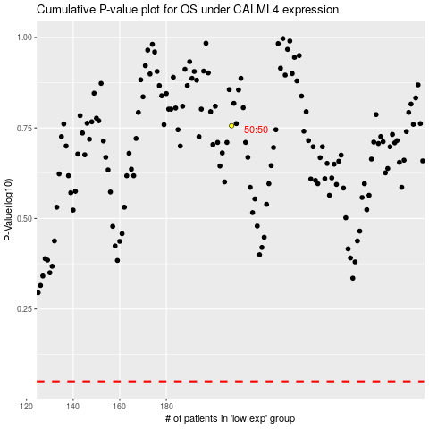

 |  |  |  |  |  | cases_OS | p_OS | rank | exp
 |  |  |  |  |  |  | cases_RFS | p_RFS | rank | exp

