CALML6 _multivariate
Reported by Tex Li-Hsing Chi. tex@gate.sinica.edu.tw 2019-08-21

Table 2. The clinicopathological features of HNSCC cohort and CALML6 expression. (Chi square test)
Cutoff at -0.108 (66.2%)
 |  | CALML6 expression |  | CALML6 expression |  | (Optimised)
 | Features | Low | (%) | High | (%) | Case no | P-value | Remark | Matthews
Gender | Female | 195 | 47 | 111 | 26.7 | 415 | 0.1239 | 0 | 0
2 | Male | 79 | 19 | 30 | 7.2
Age at diagnosis | <=65y | 180 | 43.4 | 94 | 22.7 | 415 | 0.9292 | 0 | 0
4 | >65y | 94 | 22.7 | 47 | 11.3
Clinical T Status | T1+T2 | 93 | 22.4 | 56 | 13.5 | 415 | 0.2921 | 0 | 0
6 | T3+T4 | 181 | 43.6 | 85 | 20.5
Clinical N Status | N0 | 140 | 33.7 | 76 | 18.3 | 415 | 0.6613 | 0 | 0
8 | N1-3 | 134 | 32.3 | 65 | 15.7
Clinical M Status | M0 | 271 | 65.3 | 141 | 34 | 415 | 0.5541 | 0 | 0
10 | M1 | 3 | 0.7 | 0 | 0
Clinical Stage | Stage I+II | 69 | 16.6 | 33 | 8 | 415 | 0.7809 | 0 | 0
12 | Stage III+IV | 205 | 49.4 | 108 | 26
Surgical Margin status | Negative | 214 | 51.6 | 104 | 25.1 | 415 | 0.3295 | 0 | 0
14 | Positive | 60 | 14.5 | 37 | 8.9
Tobacco Exposure | Low | 108 | 26 | 53 | 12.8 | 415 | 0.7504 | 0 | 0
16 | High | 166 | 40 | 88 | 21.2

Table 3. Univariate/Multivariate Cox's proportional hazards regression analyses on OS time of CALML6 gene expression in HNSCC

 |  | Univariate |  |  |  | Multivariate
 | Features | HR | CI95%(L) | CI95%(H) | P-value | HR | CI95%(L) | CI95%(H) | P-value
1 | Female | 1 |  |  |  | 1
Gender | Male | 1.157 | 0.843 | 1.587 | 0.367 | 1.183 | 0.846 | 1.653 | 0.325
11 | <=65y | 1 |  |  |  | 1
Age at diagnosis | >65y | 1.329 | 0.99 | 1.784 | 0.058 | 1.422 | 1.045 | 1.936 | 0.025
12 | T1+T2 | 1 |  |  |  | 1
Clinical T Status | T3+T4 | 1.409 | 1.028 | 1.931 | 0.033 | 2.053 | 1.083 | 3.891 | 0.028
13 | N0 | 1 |  |  |  | 1
Clinical N Status | N1-3 | 1.185 | 0.89 | 1.577 | 0.246 | 1.209 | 0.848 | 1.725 | 0.295
14 | M0 | 1 |  |  |  | 1
Clinical M Status | M1 | 4.097 | 1.009 | 16.644 | 0.049 | 7.994 | 1.735 | 36.832 | 0.008
15 | Stage I+II | 1 |  |  |  | 1
Clinical Stage | Stage III+IV | 1.245 | 0.882 | 1.759 | 0.213 | 0.547 | 0.254 | 1.178 | 0.123
16 | Negative | 1 |  |  |  | 1
Surgical Margin status | Positive | 1.591 | 1.155 | 2.191 | 0.004 | 1.691 | 1.223 | 2.337 | 0.001
17 | Low | 1 |  |  |  | 1
Tobacco Exposure | High | 1.364 | 1.008 | 1.844 | 0.044 | 1.542 | 1.112 | 2.14 | 0.009
18 | Low | 1 |  |  |  | 1
RNAseq(z-score) | High | 0.701 | 0.508 | 0.967 | 0.031 | 0.685 | 0.493 | 0.952 | 0.024

Table 4. Univariate/Multivariate Cox's proportional hazards regression analyses on RFS time of CALML6 gene expression in HNSCC

 |  | Univariate |  |  |  | Multivariate
 | Features | HR | CI95%(L) | CI95%(H) | P-value | HR | CI95%(L) | CI95%(H) | P-value
1 | Female | 1 |  |  |  | 1
Gender | Male | 1.157 | 0.843 | 1.587 | 0.367 | 1.183 | 0.846 | 1.653 | 0.325
11 | <=65y | 1 |  |  |  | 1
Age at diagnosis | >65y | 1.329 | 0.99 | 1.784 | 0.058 | 1.422 | 1.045 | 1.936 | 0.025
12 | T1+T2 | 1 |  |  |  | 1
Clinical T Status | T3+T4 | 1.409 | 1.028 | 1.931 | 0.033 | 2.053 | 1.083 | 3.891 | 0.028
13 | N0 | 1 |  |  |  | 1
Clinical N Status | N1-3 | 1.185 | 0.89 | 1.577 | 0.246 | 1.209 | 0.848 | 1.725 | 0.295
14 | M0 | 1 |  |  |  | 1
Clinical M Status | M1 | 4.097 | 1.009 | 16.644 | 0.049 | 7.994 | 1.735 | 36.832 | 0.008
15 | Stage I+II | 1 |  |  |  | 1
Clinical Stage | Stage III+IV | 1.245 | 0.882 | 1.759 | 0.213 | 0.547 | 0.254 | 1.178 | 0.123
16 | Negative | 1 |  |  |  | 1
Surgical Margin status | Positive | 1.591 | 1.155 | 2.191 | 0.004 | 1.691 | 1.223 | 2.337 | 0.001
17 | Low | 1 |  |  |  | 1
Tobacco Exposure | High | 1.364 | 1.008 | 1.844 | 0.044 | 1.542 | 1.112 | 2.14 | 0.009
18 | Low | 1 |  |  |  | 1
RNAseq(z-score) | High | 0.701 | 0.508 | 0.967 | 0.031 | 0.685 | 0.493 | 0.952 | 0.024

Kaplan-Meier survival estimate: Cutoff at -0.108 (66.2%)

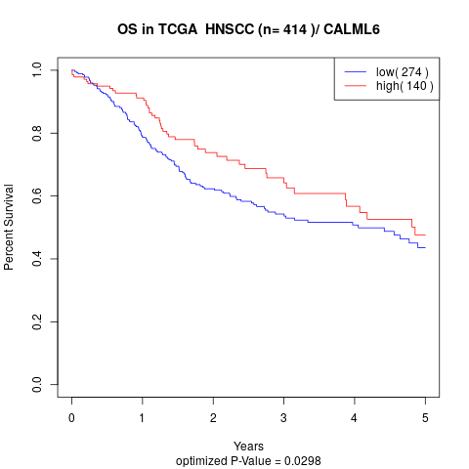

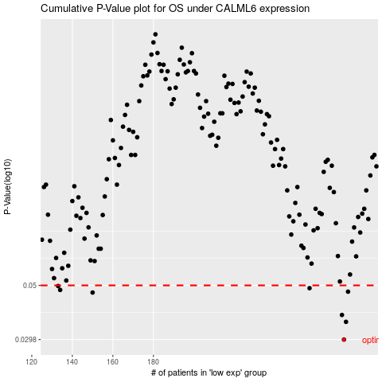

 |  |  |  |  |  | cases_OS | p_OS | rank | exp
 |  |  |  |  |  | 274 | 0.0298 | 15 | -0.10769174588
 |  |  |  |  |  | 275 | 0.0353 | 195 | -0.10768880107
 |  |  |  |  |  | 273 | 0.0377 | 107 | -0.10779363633
 |  |  |  |  |  | 150 | 0.0467 | 190 | -0.11478991758
 |  |  |  |  |  | 276 | 0.0471 | 136 | -0.10753095921
 |  |  |  |  |  | 134 | 0.0479 | 31 | -0.11521514824
 |  |  |  |  |  | 257 | 0.0487 | 397 | -0.10960705075
 |  |  |  |  |  | 133 | 0.0497 | 218 | -0.11521927098
 |  |  |  |  |  |  | cases_RFS | p_RFS | rank | exp
 |  |  |  |  |  |  | 273 | 0.0298 | 107 | -0.10779363633
 |  |  |  |  |  |  | 274 | 0.0353 | 15 | -0.10769174588
 |  |  |  |  |  |  | 272 | 0.0377 | 2 | -0.10812875578
 |  |  |  |  |  |  | 149 | 0.0467 | 223 | -0.11481406502
 |  |  |  |  |  |  | 275 | 0.0471 | 195 | -0.10768880107
 |  |  |  |  |  |  | 133 | 0.0479 | 218 | -0.11521927098
 |  |  |  |  |  |  | 256 | 0.0487 | 38 | -0.10967831517
 |  |  |  |  |  |  | 132 | 0.0497 | 137 | -0.11521985994

