CAMK2D _multivariate
Reported by Tex Li-Hsing Chi. tex@gate.sinica.edu.tw 2019-08-21

Table 2. The clinicopathological features of HNSCC cohort and CAMK2D expression. (Chi square test)
Cutoff at -0.056 (50.0%)
 |  | CAMK2D expression |  | CAMK2D expression |  | (Optimised)
 | Features | Low | (%) | High | (%) | Case no | P-value | Remark | Matthews
Gender | Female | 161 | 38.8 | 145 | 34.9 | 415 | 0.0792 | 0 | 0
2 | Male | 46 | 11.1 | 63 | 15.2
Age at diagnosis | <=65y | 130 | 31.3 | 144 | 34.7 | 415 | 0.2009 | 0 | 0
4 | >65y | 77 | 18.6 | 64 | 15.4
Clinical T Status | T1+T2 | 84 | 20.2 | 65 | 15.7 | 415 | 0.0603 | 0 | 0
6 | T3+T4 | 123 | 29.6 | 143 | 34.5
Clinical N Status | N0 | 109 | 26.3 | 107 | 25.8 | 415 | 0.8812 | 0 | 0
8 | N1-3 | 98 | 23.6 | 101 | 24.3
Clinical M Status | M0 | 205 | 49.4 | 207 | 49.9 | 415 | 0.6232 | 0 | 0
10 | M1 | 2 | 0.5 | 1 | 0.2
Clinical Stage | Stage I+II | 54 | 13 | 48 | 11.6 | 415 | 0.5498 | 0 | 0
12 | Stage III+IV | 153 | 36.9 | 160 | 38.6
Surgical Margin status | Negative | 153 | 36.9 | 165 | 39.8 | 415 | 0.2036 | 0 | 0
14 | Positive | 54 | 13 | 43 | 10.4
Tobacco Exposure | Low | 82 | 19.8 | 79 | 19 | 415 | 0.763 | 0 | 0
16 | High | 125 | 30.1 | 129 | 31.1

Table 3. Univariate/Multivariate Cox's proportional hazards regression analyses on OS time of CAMK2D gene expression in HNSCC

 |  | Univariate |  |  |  | Multivariate
 | Features | HR | CI95%(L) | CI95%(H) | P-value | HR | CI95%(L) | CI95%(H) | P-value
1 | Female | 1 |  |  |  | 1
Gender | Male | 1.157 | 0.843 | 1.587 | 0.367 | 1.215 | 0.868 | 1.699 | 0.256
11 | <=65y | 1 |  |  |  | 1
Age at diagnosis | >65y | 1.329 | 0.99 | 1.784 | 0.058 | 1.37 | 1.006 | 1.867 | 0.046
12 | T1+T2 | 1 |  |  |  | 1
Clinical T Status | T3+T4 | 1.409 | 1.028 | 1.931 | 0.033 | 2.243 | 1.184 | 4.25 | 0.013
13 | N0 | 1 |  |  |  | 1
Clinical N Status | N1-3 | 1.185 | 0.89 | 1.577 | 0.246 | 1.24 | 0.869 | 1.77 | 0.237
14 | M0 | 1 |  |  |  | 1
Clinical M Status | M1 | 4.097 | 1.009 | 16.644 | 0.049 | 9.453 | 2.062 | 43.329 | 0.004
15 | Stage I+II | 1 |  |  |  | 1
Clinical Stage | Stage III+IV | 1.245 | 0.882 | 1.759 | 0.213 | 0.5 | 0.233 | 1.075 | 0.076
16 | Negative | 1 |  |  |  | 1
Surgical Margin status | Positive | 1.591 | 1.155 | 2.191 | 0.004 | 1.653 | 1.195 | 2.287 | 0.002
17 | Low | 1 |  |  |  | 1
Tobacco Exposure | High | 1.364 | 1.008 | 1.844 | 0.044 | 1.451 | 1.054 | 1.999 | 0.023
18 | Low | 1 |  |  |  | 1
RNAseq(z-score) | High | 0.891 | 0.669 | 1.187 | 0.43 | 0.894 | 0.667 | 1.197 | 0.451

Table 4. Univariate/Multivariate Cox's proportional hazards regression analyses on RFS time of CAMK2D gene expression in HNSCC

 |  | Univariate |  |  |  | Multivariate
 | Features | HR | CI95%(L) | CI95%(H) | P-value | HR | CI95%(L) | CI95%(H) | P-value
1 | Female | 1 |  |  |  | 1
Gender | Male | 1.157 | 0.843 | 1.587 | 0.367 | 1.215 | 0.868 | 1.699 | 0.256
11 | <=65y | 1 |  |  |  | 1
Age at diagnosis | >65y | 1.329 | 0.99 | 1.784 | 0.058 | 1.37 | 1.006 | 1.867 | 0.046
12 | T1+T2 | 1 |  |  |  | 1
Clinical T Status | T3+T4 | 1.409 | 1.028 | 1.931 | 0.033 | 2.243 | 1.184 | 4.25 | 0.013
13 | N0 | 1 |  |  |  | 1
Clinical N Status | N1-3 | 1.185 | 0.89 | 1.577 | 0.246 | 1.24 | 0.869 | 1.77 | 0.237
14 | M0 | 1 |  |  |  | 1
Clinical M Status | M1 | 4.097 | 1.009 | 16.644 | 0.049 | 9.453 | 2.062 | 43.329 | 0.004
15 | Stage I+II | 1 |  |  |  | 1
Clinical Stage | Stage III+IV | 1.245 | 0.882 | 1.759 | 0.213 | 0.5 | 0.233 | 1.075 | 0.076
16 | Negative | 1 |  |  |  | 1
Surgical Margin status | Positive | 1.591 | 1.155 | 2.191 | 0.004 | 1.653 | 1.195 | 2.287 | 0.002
17 | Low | 1 |  |  |  | 1
Tobacco Exposure | High | 1.364 | 1.008 | 1.844 | 0.044 | 1.451 | 1.054 | 1.999 | 0.023
18 | Low | 1 |  |  |  | 1
RNAseq(z-score) | High | 0.891 | 0.669 | 1.187 | 0.43 | 0.894 | 0.667 | 1.197 | 0.451

Kaplan-Meier survival estimate: Cutoff at -0.056 (50.0%)



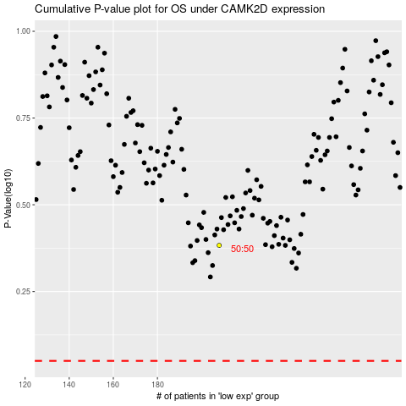

 |  |  |  |  |  | cases_OS | p_OS | rank | exp
 |  |  |  |  |  |  | cases_RFS | p_RFS | rank | exp

