CAMK2N2 _multivariate
Reported by Tex Li-Hsing Chi. tex@gate.sinica.edu.tw 2019-08-21

Table 2. The clinicopathological features of HNSCC cohort and CAMK2N2 expression. (Chi square test)
Cutoff at -0.235 (49.8%)
 |  | CAMK2N2 expression |  | CAMK2N2 expression |  | (Optimised)
 | Features | Low | (%) | High | (%) | Case no | P-value | Remark | Matthews
Gender | Female | 150 | 36.1 | 156 | 37.6 | 415 | 0.6344 | 0 | 0
2 | Male | 57 | 13.7 | 52 | 12.5
Age at diagnosis | <=65y | 133 | 32 | 141 | 34 | 415 | 0.5111 | 0 | 0
4 | >65y | 74 | 17.8 | 67 | 16.1
Clinical T Status | T1+T2 | 72 | 17.3 | 77 | 18.6 | 415 | 0.7095 | 0 | 0
6 | T3+T4 | 135 | 32.5 | 131 | 31.6
Clinical N Status | N0 | 110 | 26.5 | 106 | 25.5 | 415 | 0.7294 | 0 | 0
8 | N1-3 | 97 | 23.4 | 102 | 24.6
Clinical M Status | M0 | 206 | 49.6 | 206 | 49.6 | 415 | 1 | 0 | 0
10 | M1 | 1 | 0.2 | 2 | 0.5
Clinical Stage | Stage I+II | 51 | 12.3 | 51 | 12.3 | 415 | 1 | 0 | 0
12 | Stage III+IV | 156 | 37.6 | 157 | 37.8
Surgical Margin status | Negative | 162 | 39 | 156 | 37.6 | 415 | 0.4867 | 0 | 0
14 | Positive | 45 | 10.8 | 52 | 12.5
Tobacco Exposure | Low | 76 | 18.3 | 85 | 20.5 | 415 | 0.4207 | 0 | 0
16 | High | 131 | 31.6 | 123 | 29.6

Table 3. Univariate/Multivariate Cox's proportional hazards regression analyses on OS time of CAMK2N2 gene expression in HNSCC

 |  | Univariate |  |  |  | Multivariate
 | Features | HR | CI95%(L) | CI95%(H) | P-value | HR | CI95%(L) | CI95%(H) | P-value
1 | Female | 1 |  |  |  | 1
Gender | Male | 1.157 | 0.843 | 1.587 | 0.367 | 1.2 | 0.86 | 1.676 | 0.284
11 | <=65y | 1 |  |  |  | 1
Age at diagnosis | >65y | 1.329 | 0.99 | 1.784 | 0.058 | 1.397 | 1.028 | 1.9 | 0.033
12 | T1+T2 | 1 |  |  |  | 1
Clinical T Status | T3+T4 | 1.409 | 1.028 | 1.931 | 0.033 | 2.197 | 1.162 | 4.151 | 0.015
13 | N0 | 1 |  |  |  | 1
Clinical N Status | N1-3 | 1.185 | 0.89 | 1.577 | 0.246 | 1.266 | 0.887 | 1.808 | 0.193
14 | M0 | 1 |  |  |  | 1
Clinical M Status | M1 | 4.097 | 1.009 | 16.644 | 0.049 | 10.06 | 2.191 | 46.189 | 0.003
15 | Stage I+II | 1 |  |  |  | 1
Clinical Stage | Stage III+IV | 1.245 | 0.882 | 1.759 | 0.213 | 0.503 | 0.234 | 1.078 | 0.077
16 | Negative | 1 |  |  |  | 1
Surgical Margin status | Positive | 1.591 | 1.155 | 2.191 | 0.004 | 1.661 | 1.203 | 2.294 | 0.002
17 | Low | 1 |  |  |  | 1
Tobacco Exposure | High | 1.364 | 1.008 | 1.844 | 0.044 | 1.438 | 1.045 | 1.979 | 0.026
18 | Low | 1 |  |  |  | 1
RNAseq(z-score) | High | 0.773 | 0.579 | 1.031 | 0.08 | 0.77 | 0.576 | 1.029 | 0.077

Table 4. Univariate/Multivariate Cox's proportional hazards regression analyses on RFS time of CAMK2N2 gene expression in HNSCC

 |  | Univariate |  |  |  | Multivariate
 | Features | HR | CI95%(L) | CI95%(H) | P-value | HR | CI95%(L) | CI95%(H) | P-value
1 | Female | 1 |  |  |  | 1
Gender | Male | 1.157 | 0.843 | 1.587 | 0.367 | 1.2 | 0.86 | 1.676 | 0.284
11 | <=65y | 1 |  |  |  | 1
Age at diagnosis | >65y | 1.329 | 0.99 | 1.784 | 0.058 | 1.397 | 1.028 | 1.9 | 0.033
12 | T1+T2 | 1 |  |  |  | 1
Clinical T Status | T3+T4 | 1.409 | 1.028 | 1.931 | 0.033 | 2.197 | 1.162 | 4.151 | 0.015
13 | N0 | 1 |  |  |  | 1
Clinical N Status | N1-3 | 1.185 | 0.89 | 1.577 | 0.246 | 1.266 | 0.887 | 1.808 | 0.193
14 | M0 | 1 |  |  |  | 1
Clinical M Status | M1 | 4.097 | 1.009 | 16.644 | 0.049 | 10.06 | 2.191 | 46.189 | 0.003
15 | Stage I+II | 1 |  |  |  | 1
Clinical Stage | Stage III+IV | 1.245 | 0.882 | 1.759 | 0.213 | 0.503 | 0.234 | 1.078 | 0.077
16 | Negative | 1 |  |  |  | 1
Surgical Margin status | Positive | 1.591 | 1.155 | 2.191 | 0.004 | 1.661 | 1.203 | 2.294 | 0.002
17 | Low | 1 |  |  |  | 1
Tobacco Exposure | High | 1.364 | 1.008 | 1.844 | 0.044 | 1.438 | 1.045 | 1.979 | 0.026
18 | Low | 1 |  |  |  | 1
RNAseq(z-score) | High | 0.773 | 0.579 | 1.031 | 0.08 | 0.77 | 0.576 | 1.029 | 0.077

Kaplan-Meier survival estimate: Cutoff at -0.235 (49.8%)



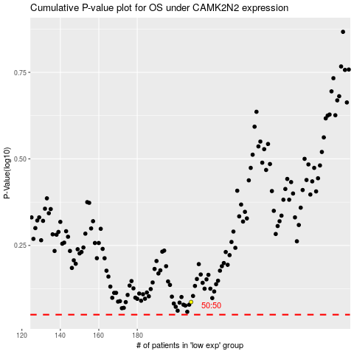

 |  |  |  |  |  | cases_OS | p_OS | rank | exp
 |  |  |  |  |  |  | cases_RFS | p_RFS | rank | exp

