CAMKK1 _multivariate
Reported by Tex Li-Hsing Chi. tex@gate.sinica.edu.tw 2019-08-21

Table 2. The clinicopathological features of HNSCC cohort and CAMKK1 expression. (Chi square test)
Cutoff at -0.49 (32.6%)
 |  | CAMKK1 expression |  | CAMKK1 expression |  | (Optimised)
 | Features | Low | (%) | High | (%) | Case no | P-value | Remark | Matthews
Gender | Female | 98 | 23.6 | 208 | 50.1 | 415 | 0.804 | 0 | 0
2 | Male | 37 | 8.9 | 72 | 17.3
Age at diagnosis | <=65y | 87 | 21 | 187 | 45.1 | 415 | 0.718 | 0 | 0
4 | >65y | 48 | 11.6 | 93 | 22.4
Clinical T Status | T1+T2 | 55 | 13.3 | 94 | 22.7 | 415 | 0.1878 | 0 | 0
6 | T3+T4 | 80 | 19.3 | 186 | 44.8
Clinical N Status | N0 | 69 | 16.6 | 147 | 35.4 | 415 | 0.8725 | 0 | 0
8 | N1-3 | 66 | 15.9 | 133 | 32
Clinical M Status | M0 | 135 | 32.5 | 277 | 66.7 | 415 | 0.5541 | 0 | 0
10 | M1 | 0 | 0 | 3 | 0.7
Clinical Stage | Stage I+II | 38 | 9.2 | 64 | 15.4 | 415 | 0.2932 | 0 | 0
12 | Stage III+IV | 97 | 23.4 | 216 | 52
Surgical Margin status | Negative | 100 | 24.1 | 218 | 52.5 | 415 | 0.3896 | 0 | 0
14 | Positive | 35 | 8.4 | 62 | 14.9
Tobacco Exposure | Low | 67 | 16.1 | 94 | 22.7 | 415 | 0.0019 | 1 | 0
16 | High | 68 | 16.4 | 186 | 44.8

Table 3. Univariate/Multivariate Cox's proportional hazards regression analyses on OS time of CAMKK1 gene expression in HNSCC

 |  | Univariate |  |  |  | Multivariate
 | Features | HR | CI95%(L) | CI95%(H) | P-value | HR | CI95%(L) | CI95%(H) | P-value
1 | Female | 1 |  |  |  | 1
Gender | Male | 1.157 | 0.843 | 1.587 | 0.367 | 1.22 | 0.872 | 1.706 | 0.246
11 | <=65y | 1 |  |  |  | 1
Age at diagnosis | >65y | 1.329 | 0.99 | 1.784 | 0.058 | 1.328 | 0.974 | 1.809 | 0.073
12 | T1+T2 | 1 |  |  |  | 1
Clinical T Status | T3+T4 | 1.409 | 1.028 | 1.931 | 0.033 | 2.272 | 1.199 | 4.304 | 0.012
13 | N0 | 1 |  |  |  | 1
Clinical N Status | N1-3 | 1.185 | 0.89 | 1.577 | 0.246 | 1.187 | 0.83 | 1.696 | 0.348
14 | M0 | 1 |  |  |  | 1
Clinical M Status | M1 | 4.097 | 1.009 | 16.644 | 0.049 | 11.398 | 2.464 | 52.731 | 0.002
15 | Stage I+II | 1 |  |  |  | 1
Clinical Stage | Stage III+IV | 1.245 | 0.882 | 1.759 | 0.213 | 0.506 | 0.236 | 1.087 | 0.081
16 | Negative | 1 |  |  |  | 1
Surgical Margin status | Positive | 1.591 | 1.155 | 2.191 | 0.004 | 1.656 | 1.198 | 2.288 | 0.002
17 | Low | 1 |  |  |  | 1
Tobacco Exposure | High | 1.364 | 1.008 | 1.844 | 0.044 | 1.581 | 1.137 | 2.199 | 0.006
18 | Low | 1 |  |  |  | 1
RNAseq(z-score) | High | 0.712 | 0.527 | 0.963 | 0.028 | 0.66 | 0.481 | 0.905 | 0.01

Table 4. Univariate/Multivariate Cox's proportional hazards regression analyses on RFS time of CAMKK1 gene expression in HNSCC

 |  | Univariate |  |  |  | Multivariate
 | Features | HR | CI95%(L) | CI95%(H) | P-value | HR | CI95%(L) | CI95%(H) | P-value
1 | Female | 1 |  |  |  | 1
Gender | Male | 1.157 | 0.843 | 1.587 | 0.367 | 1.22 | 0.872 | 1.706 | 0.246
11 | <=65y | 1 |  |  |  | 1
Age at diagnosis | >65y | 1.329 | 0.99 | 1.784 | 0.058 | 1.328 | 0.974 | 1.809 | 0.073
12 | T1+T2 | 1 |  |  |  | 1
Clinical T Status | T3+T4 | 1.409 | 1.028 | 1.931 | 0.033 | 2.272 | 1.199 | 4.304 | 0.012
13 | N0 | 1 |  |  |  | 1
Clinical N Status | N1-3 | 1.185 | 0.89 | 1.577 | 0.246 | 1.187 | 0.83 | 1.696 | 0.348
14 | M0 | 1 |  |  |  | 1
Clinical M Status | M1 | 4.097 | 1.009 | 16.644 | 0.049 | 11.398 | 2.464 | 52.731 | 0.002
15 | Stage I+II | 1 |  |  |  | 1
Clinical Stage | Stage III+IV | 1.245 | 0.882 | 1.759 | 0.213 | 0.506 | 0.236 | 1.087 | 0.081
16 | Negative | 1 |  |  |  | 1
Surgical Margin status | Positive | 1.591 | 1.155 | 2.191 | 0.004 | 1.656 | 1.198 | 2.288 | 0.002
17 | Low | 1 |  |  |  | 1
Tobacco Exposure | High | 1.364 | 1.008 | 1.844 | 0.044 | 1.581 | 1.137 | 2.199 | 0.006
18 | Low | 1 |  |  |  | 1
RNAseq(z-score) | High | 0.712 | 0.527 | 0.963 | 0.028 | 0.66 | 0.481 | 0.905 | 0.01

Kaplan-Meier survival estimate: Cutoff at -0.49 (32.6%)



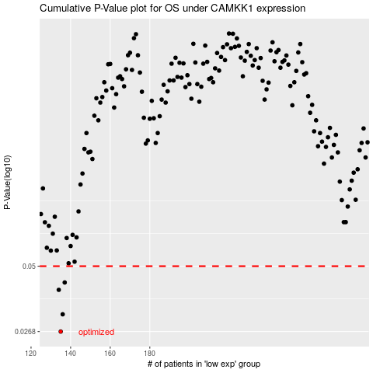

 |  |  |  |  |  | cases_OS | p_OS | rank | exp
 |  |  |  |  |  | 135 | 0.0268 | 101 | -0.4895851471
 |  |  |  |  |  | 136 | 0.0316 | 109 | -0.48652486379
 |  |  |  |  |  | 134 | 0.0399 | 198 | -0.49164449673
 |  |  |  |  |  | 137 | 0.0428 | 272 | -0.48377016379
 |  |  |  |  |  |  | cases_RFS | p_RFS | rank | exp
 |  |  |  |  |  |  | 134 | 0.0268 | 198 | -0.49164449673
 |  |  |  |  |  |  | 135 | 0.0316 | 101 | -0.4895851471
 |  |  |  |  |  |  | 133 | 0.0399 | 241 | -0.51081094872
 |  |  |  |  |  |  | 136 | 0.0428 | 109 | -0.48652486379

