CAMLG _multivariate
Reported by Tex Li-Hsing Chi. tex@gate.sinica.edu.tw 2019-08-21

Table 2. The clinicopathological features of HNSCC cohort and CAMLG expression. (Chi square test)
Cutoff at -0.262 (49.8%)
 |  | CAMLG expression |  | CAMLG expression |  | (Optimised)
 | Features | Low | (%) | High | (%) | Case no | P-value | Remark | Matthews
Gender | Female | 147 | 35.4 | 159 | 38.3 | 415 | 0.2523 | 0 | 0
2 | Male | 60 | 14.5 | 49 | 11.8
Age at diagnosis | <=65y | 138 | 33.3 | 136 | 32.8 | 415 | 0.8634 | 0 | 0
4 | >65y | 69 | 16.6 | 72 | 17.3
Clinical T Status | T1+T2 | 76 | 18.3 | 73 | 17.6 | 415 | 0.8092 | 0 | 0
6 | T3+T4 | 131 | 31.6 | 135 | 32.5
Clinical N Status | N0 | 105 | 25.3 | 111 | 26.7 | 415 | 0.6598 | 0 | 0
8 | N1-3 | 102 | 24.6 | 97 | 23.4
Clinical M Status | M0 | 206 | 49.6 | 206 | 49.6 | 415 | 1 | 0 | 0
10 | M1 | 1 | 0.2 | 2 | 0.5
Clinical Stage | Stage I+II | 53 | 12.8 | 49 | 11.8 | 415 | 0.7113 | 0 | 0
12 | Stage III+IV | 154 | 37.1 | 159 | 38.3
Surgical Margin status | Negative | 165 | 39.8 | 153 | 36.9 | 415 | 0.1639 | 0 | 0
14 | Positive | 42 | 10.1 | 55 | 13.3
Tobacco Exposure | Low | 84 | 20.2 | 77 | 18.6 | 415 | 0.4816 | 0 | 0
16 | High | 123 | 29.6 | 131 | 31.6

Table 3. Univariate/Multivariate Cox's proportional hazards regression analyses on OS time of CAMLG gene expression in HNSCC

 |  | Univariate |  |  |  | Multivariate
 | Features | HR | CI95%(L) | CI95%(H) | P-value | HR | CI95%(L) | CI95%(H) | P-value
1 | Female | 1 |  |  |  | 1
Gender | Male | 1.157 | 0.843 | 1.587 | 0.367 | 1.201 | 0.86 | 1.678 | 0.283
11 | <=65y | 1 |  |  |  | 1
Age at diagnosis | >65y | 1.329 | 0.99 | 1.784 | 0.058 | 1.398 | 1.028 | 1.901 | 0.033
12 | T1+T2 | 1 |  |  |  | 1
Clinical T Status | T3+T4 | 1.409 | 1.028 | 1.931 | 0.033 | 2.209 | 1.169 | 4.175 | 0.015
13 | N0 | 1 |  |  |  | 1
Clinical N Status | N1-3 | 1.185 | 0.89 | 1.577 | 0.246 | 1.25 | 0.876 | 1.784 | 0.218
14 | M0 | 1 |  |  |  | 1
Clinical M Status | M1 | 4.097 | 1.009 | 16.644 | 0.049 | 9.272 | 2.022 | 42.514 | 0.004
15 | Stage I+II | 1 |  |  |  | 1
Clinical Stage | Stage III+IV | 1.245 | 0.882 | 1.759 | 0.213 | 0.503 | 0.234 | 1.079 | 0.077
16 | Negative | 1 |  |  |  | 1
Surgical Margin status | Positive | 1.591 | 1.155 | 2.191 | 0.004 | 1.646 | 1.189 | 2.279 | 0.003
17 | Low | 1 |  |  |  | 1
Tobacco Exposure | High | 1.364 | 1.008 | 1.844 | 0.044 | 1.455 | 1.056 | 2.005 | 0.022
18 | Low | 1 |  |  |  | 1
RNAseq(z-score) | High | 1.142 | 0.857 | 1.52 | 0.364 | 1.113 | 0.833 | 1.486 | 0.47

Table 4. Univariate/Multivariate Cox's proportional hazards regression analyses on RFS time of CAMLG gene expression in HNSCC

 |  | Univariate |  |  |  | Multivariate
 | Features | HR | CI95%(L) | CI95%(H) | P-value | HR | CI95%(L) | CI95%(H) | P-value
1 | Female | 1 |  |  |  | 1
Gender | Male | 1.157 | 0.843 | 1.587 | 0.367 | 1.201 | 0.86 | 1.678 | 0.283
11 | <=65y | 1 |  |  |  | 1
Age at diagnosis | >65y | 1.329 | 0.99 | 1.784 | 0.058 | 1.398 | 1.028 | 1.901 | 0.033
12 | T1+T2 | 1 |  |  |  | 1
Clinical T Status | T3+T4 | 1.409 | 1.028 | 1.931 | 0.033 | 2.209 | 1.169 | 4.175 | 0.015
13 | N0 | 1 |  |  |  | 1
Clinical N Status | N1-3 | 1.185 | 0.89 | 1.577 | 0.246 | 1.25 | 0.876 | 1.784 | 0.218
14 | M0 | 1 |  |  |  | 1
Clinical M Status | M1 | 4.097 | 1.009 | 16.644 | 0.049 | 9.272 | 2.022 | 42.514 | 0.004
15 | Stage I+II | 1 |  |  |  | 1
Clinical Stage | Stage III+IV | 1.245 | 0.882 | 1.759 | 0.213 | 0.503 | 0.234 | 1.079 | 0.077
16 | Negative | 1 |  |  |  | 1
Surgical Margin status | Positive | 1.591 | 1.155 | 2.191 | 0.004 | 1.646 | 1.189 | 2.279 | 0.003
17 | Low | 1 |  |  |  | 1
Tobacco Exposure | High | 1.364 | 1.008 | 1.844 | 0.044 | 1.455 | 1.056 | 2.005 | 0.022
18 | Low | 1 |  |  |  | 1
RNAseq(z-score) | High | 1.142 | 0.857 | 1.52 | 0.364 | 1.113 | 0.833 | 1.486 | 0.47

Kaplan-Meier survival estimate: Cutoff at -0.262 (49.8%)



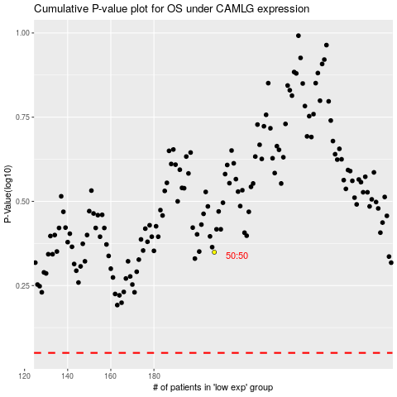

 |  |  |  |  |  | cases_OS | p_OS | rank | exp
 |  |  |  |  |  |  | cases_RFS | p_RFS | rank | exp

