CAMTA1 _multivariate
Reported by Tex Li-Hsing Chi. tex@gate.sinica.edu.tw 2019-08-21

Table 2. The clinicopathological features of HNSCC cohort and CAMTA1 expression. (Chi square test)
Cutoff at -0.263 (50.0%)
 |  | CAMTA1 expression |  | CAMTA1 expression |  | (Optimised)
 | Features | Low | (%) | High | (%) | Case no | P-value | Remark | Matthews
Gender | Female | 142 | 34.2 | 164 | 39.5 | 415 | 0.0238 | 1 | 0
2 | Male | 65 | 15.7 | 44 | 10.6
Age at diagnosis | <=65y | 124 | 29.9 | 150 | 36.1 | 415 | 0.0116 | 1 | 0
4 | >65y | 83 | 20 | 58 | 14
Clinical T Status | T1+T2 | 76 | 18.3 | 73 | 17.6 | 415 | 0.8092 | 0 | 0
6 | T3+T4 | 131 | 31.6 | 135 | 32.5
Clinical N Status | N0 | 112 | 27 | 104 | 25.1 | 415 | 0.4599 | 0 | 0
8 | N1-3 | 95 | 22.9 | 104 | 25.1
Clinical M Status | M0 | 206 | 49.6 | 206 | 49.6 | 415 | 1 | 0 | 0
10 | M1 | 1 | 0.2 | 2 | 0.5
Clinical Stage | Stage I+II | 57 | 13.7 | 45 | 10.8 | 415 | 0.1998 | 0 | 0
12 | Stage III+IV | 150 | 36.1 | 163 | 39.3
Surgical Margin status | Negative | 162 | 39 | 156 | 37.6 | 415 | 0.4867 | 0 | 0
14 | Positive | 45 | 10.8 | 52 | 12.5
Tobacco Exposure | Low | 88 | 21.2 | 73 | 17.6 | 415 | 0.1314 | 0 | 0
16 | High | 119 | 28.7 | 135 | 32.5

Table 3. Univariate/Multivariate Cox's proportional hazards regression analyses on OS time of CAMTA1 gene expression in HNSCC

 |  | Univariate |  |  |  | Multivariate
 | Features | HR | CI95%(L) | CI95%(H) | P-value | HR | CI95%(L) | CI95%(H) | P-value
1 | Female | 1 |  |  |  | 1
Gender | Male | 1.157 | 0.843 | 1.587 | 0.367 | 1.187 | 0.847 | 1.663 | 0.319
11 | <=65y | 1 |  |  |  | 1
Age at diagnosis | >65y | 1.329 | 0.99 | 1.784 | 0.058 | 1.374 | 1.008 | 1.873 | 0.044
12 | T1+T2 | 1 |  |  |  | 1
Clinical T Status | T3+T4 | 1.409 | 1.028 | 1.931 | 0.033 | 2.163 | 1.141 | 4.102 | 0.018
13 | N0 | 1 |  |  |  | 1
Clinical N Status | N1-3 | 1.185 | 0.89 | 1.577 | 0.246 | 1.237 | 0.867 | 1.765 | 0.24
14 | M0 | 1 |  |  |  | 1
Clinical M Status | M1 | 4.097 | 1.009 | 16.644 | 0.049 | 9.465 | 2.065 | 43.382 | 0.004
15 | Stage I+II | 1 |  |  |  | 1
Clinical Stage | Stage III+IV | 1.245 | 0.882 | 1.759 | 0.213 | 0.516 | 0.24 | 1.112 | 0.091
16 | Negative | 1 |  |  |  | 1
Surgical Margin status | Positive | 1.591 | 1.155 | 2.191 | 0.004 | 1.673 | 1.211 | 2.311 | 0.002
17 | Low | 1 |  |  |  | 1
Tobacco Exposure | High | 1.364 | 1.008 | 1.844 | 0.044 | 1.455 | 1.056 | 2.005 | 0.022
18 | Low | 1 |  |  |  | 1
RNAseq(z-score) | High | 0.862 | 0.647 | 1.149 | 0.312 | 0.913 | 0.68 | 1.227 | 0.547

Table 4. Univariate/Multivariate Cox's proportional hazards regression analyses on RFS time of CAMTA1 gene expression in HNSCC

 |  | Univariate |  |  |  | Multivariate
 | Features | HR | CI95%(L) | CI95%(H) | P-value | HR | CI95%(L) | CI95%(H) | P-value
1 | Female | 1 |  |  |  | 1
Gender | Male | 1.157 | 0.843 | 1.587 | 0.367 | 1.187 | 0.847 | 1.663 | 0.319
11 | <=65y | 1 |  |  |  | 1
Age at diagnosis | >65y | 1.329 | 0.99 | 1.784 | 0.058 | 1.374 | 1.008 | 1.873 | 0.044
12 | T1+T2 | 1 |  |  |  | 1
Clinical T Status | T3+T4 | 1.409 | 1.028 | 1.931 | 0.033 | 2.163 | 1.141 | 4.102 | 0.018
13 | N0 | 1 |  |  |  | 1
Clinical N Status | N1-3 | 1.185 | 0.89 | 1.577 | 0.246 | 1.237 | 0.867 | 1.765 | 0.24
14 | M0 | 1 |  |  |  | 1
Clinical M Status | M1 | 4.097 | 1.009 | 16.644 | 0.049 | 9.465 | 2.065 | 43.382 | 0.004
15 | Stage I+II | 1 |  |  |  | 1
Clinical Stage | Stage III+IV | 1.245 | 0.882 | 1.759 | 0.213 | 0.516 | 0.24 | 1.112 | 0.091
16 | Negative | 1 |  |  |  | 1
Surgical Margin status | Positive | 1.591 | 1.155 | 2.191 | 0.004 | 1.673 | 1.211 | 2.311 | 0.002
17 | Low | 1 |  |  |  | 1
Tobacco Exposure | High | 1.364 | 1.008 | 1.844 | 0.044 | 1.455 | 1.056 | 2.005 | 0.022
18 | Low | 1 |  |  |  | 1
RNAseq(z-score) | High | 0.862 | 0.647 | 1.149 | 0.312 | 0.913 | 0.68 | 1.227 | 0.547

Kaplan-Meier survival estimate: Cutoff at -0.263 (50.0%)



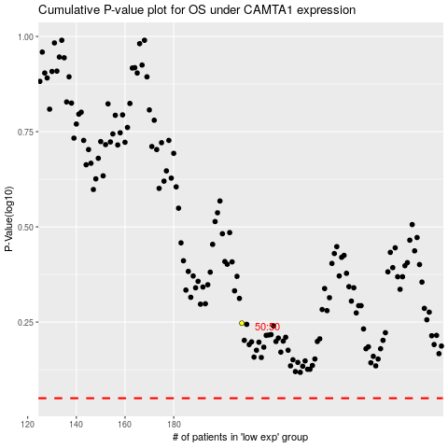

 |  |  |  |  |  | cases_OS | p_OS | rank | exp
 |  |  |  |  |  |  | cases_RFS | p_RFS | rank | exp

