CANT1 _multivariate
Reported by Tex Li-Hsing Chi. tex@gate.sinica.edu.tw 2019-08-21

Table 2. The clinicopathological features of HNSCC cohort and CANT1 expression. (Chi square test)
Cutoff at -0.095 (50.0%)
 |  | CANT1 expression |  | CANT1 expression |  | (Optimised)
 | Features | Low | (%) | High | (%) | Case no | P-value | Remark | Matthews
Gender | Female | 157 | 37.8 | 149 | 35.9 | 415 | 0.3881 | 0 | 0
2 | Male | 50 | 12 | 59 | 14.2
Age at diagnosis | <=65y | 132 | 31.8 | 142 | 34.2 | 415 | 0.3874 | 0 | 0
4 | >65y | 75 | 18.1 | 66 | 15.9
Clinical T Status | T1+T2 | 75 | 18.1 | 74 | 17.8 | 415 | 0.9707 | 0 | 0
6 | T3+T4 | 132 | 31.8 | 134 | 32.3
Clinical N Status | N0 | 115 | 27.7 | 101 | 24.3 | 415 | 0.184 | 1 | 0
8 | N1-3 | 92 | 22.2 | 107 | 25.8
Clinical M Status | M0 | 207 | 49.9 | 205 | 49.4 | 415 | 0.2482 | 0 | 0
10 | M1 | 0 | 0 | 3 | 0.7
Clinical Stage | Stage I+II | 48 | 11.6 | 54 | 13 | 415 | 0.5878 | 0 | 0
12 | Stage III+IV | 159 | 38.3 | 154 | 37.1
Surgical Margin status | Negative | 160 | 38.6 | 158 | 38.1 | 415 | 0.8167 | 0 | 0
14 | Positive | 47 | 11.3 | 50 | 12
Tobacco Exposure | Low | 76 | 18.3 | 85 | 20.5 | 415 | 0.4207 | 0 | 0
16 | High | 131 | 31.6 | 123 | 29.6

Table 3. Univariate/Multivariate Cox's proportional hazards regression analyses on OS time of CANT1 gene expression in HNSCC

 |  | Univariate |  |  |  | Multivariate
 | Features | HR | CI95%(L) | CI95%(H) | P-value | HR | CI95%(L) | CI95%(H) | P-value
1 | Female | 1 |  |  |  | 1
Gender | Male | 1.157 | 0.843 | 1.587 | 0.367 | 1.197 | 0.857 | 1.672 | 0.291
11 | <=65y | 1 |  |  |  | 1
Age at diagnosis | >65y | 1.329 | 0.99 | 1.784 | 0.058 | 1.399 | 1.029 | 1.902 | 0.032
12 | T1+T2 | 1 |  |  |  | 1
Clinical T Status | T3+T4 | 1.409 | 1.028 | 1.931 | 0.033 | 2.157 | 1.14 | 4.082 | 0.018
13 | N0 | 1 |  |  |  | 1
Clinical N Status | N1-3 | 1.185 | 0.89 | 1.577 | 0.246 | 1.212 | 0.848 | 1.733 | 0.291
14 | M0 | 1 |  |  |  | 1
Clinical M Status | M1 | 4.097 | 1.009 | 16.644 | 0.049 | 8.555 | 1.853 | 39.508 | 0.006
15 | Stage I+II | 1 |  |  |  | 1
Clinical Stage | Stage III+IV | 1.245 | 0.882 | 1.759 | 0.213 | 0.521 | 0.242 | 1.119 | 0.095
16 | Negative | 1 |  |  |  | 1
Surgical Margin status | Positive | 1.591 | 1.155 | 2.191 | 0.004 | 1.681 | 1.216 | 2.323 | 0.002
17 | Low | 1 |  |  |  | 1
Tobacco Exposure | High | 1.364 | 1.008 | 1.844 | 0.044 | 1.479 | 1.071 | 2.042 | 0.017
18 | Low | 1 |  |  |  | 1
RNAseq(z-score) | High | 1.202 | 0.903 | 1.602 | 0.208 | 1.194 | 0.892 | 1.598 | 0.234

Table 4. Univariate/Multivariate Cox's proportional hazards regression analyses on RFS time of CANT1 gene expression in HNSCC

 |  | Univariate |  |  |  | Multivariate
 | Features | HR | CI95%(L) | CI95%(H) | P-value | HR | CI95%(L) | CI95%(H) | P-value
1 | Female | 1 |  |  |  | 1
Gender | Male | 1.157 | 0.843 | 1.587 | 0.367 | 1.197 | 0.857 | 1.672 | 0.291
11 | <=65y | 1 |  |  |  | 1
Age at diagnosis | >65y | 1.329 | 0.99 | 1.784 | 0.058 | 1.399 | 1.029 | 1.902 | 0.032
12 | T1+T2 | 1 |  |  |  | 1
Clinical T Status | T3+T4 | 1.409 | 1.028 | 1.931 | 0.033 | 2.157 | 1.14 | 4.082 | 0.018
13 | N0 | 1 |  |  |  | 1
Clinical N Status | N1-3 | 1.185 | 0.89 | 1.577 | 0.246 | 1.212 | 0.848 | 1.733 | 0.291
14 | M0 | 1 |  |  |  | 1
Clinical M Status | M1 | 4.097 | 1.009 | 16.644 | 0.049 | 8.555 | 1.853 | 39.508 | 0.006
15 | Stage I+II | 1 |  |  |  | 1
Clinical Stage | Stage III+IV | 1.245 | 0.882 | 1.759 | 0.213 | 0.521 | 0.242 | 1.119 | 0.095
16 | Negative | 1 |  |  |  | 1
Surgical Margin status | Positive | 1.591 | 1.155 | 2.191 | 0.004 | 1.681 | 1.216 | 2.323 | 0.002
17 | Low | 1 |  |  |  | 1
Tobacco Exposure | High | 1.364 | 1.008 | 1.844 | 0.044 | 1.479 | 1.071 | 2.042 | 0.017
18 | Low | 1 |  |  |  | 1
RNAseq(z-score) | High | 1.202 | 0.903 | 1.602 | 0.208 | 1.194 | 0.892 | 1.598 | 0.234

Kaplan-Meier survival estimate: Cutoff at -0.095 (50.0%)



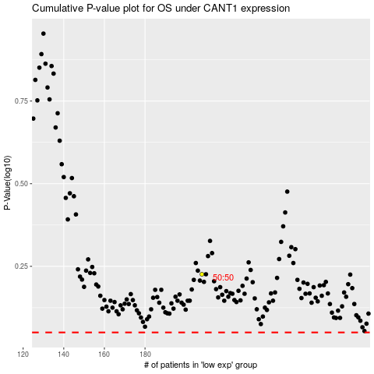

 |  |  |  |  |  | cases_OS | p_OS | rank | exp
 |  |  |  |  |  |  | cases_RFS | p_RFS | rank | exp

