CAP1 _multivariate
Reported by Tex Li-Hsing Chi. tex@gate.sinica.edu.tw 2019-08-21

Table 2. The clinicopathological features of HNSCC cohort and CAP1 expression. (Chi square test)
Cutoff at -0.016 (50.0%)
 |  | CAP1 expression |  | CAP1 expression |  | (Optimised)
 | Features | Low | (%) | High | (%) | Case no | P-value | Remark | Matthews
Gender | Female | 161 | 38.8 | 145 | 34.9 | 415 | 0.0792 | 0 | 0
2 | Male | 46 | 11.1 | 63 | 15.2
Age at diagnosis | <=65y | 142 | 34.2 | 132 | 31.8 | 415 | 0.3167 | 0 | 0
4 | >65y | 65 | 15.7 | 76 | 18.3
Clinical T Status | T1+T2 | 72 | 17.3 | 77 | 18.6 | 415 | 0.7095 | 0 | 0
6 | T3+T4 | 135 | 32.5 | 131 | 31.6
Clinical N Status | N0 | 108 | 26 | 108 | 26 | 415 | 1 | 0 | 0
8 | N1-3 | 99 | 23.9 | 100 | 24.1
Clinical M Status | M0 | 206 | 49.6 | 206 | 49.6 | 415 | 1 | 0 | 0
10 | M1 | 1 | 0.2 | 2 | 0.5
Clinical Stage | Stage I+II | 44 | 10.6 | 58 | 14 | 415 | 0.1459 | 0 | 0
12 | Stage III+IV | 163 | 39.3 | 150 | 36.1
Surgical Margin status | Negative | 158 | 38.1 | 160 | 38.6 | 415 | 0.9081 | 0 | 0
14 | Positive | 49 | 11.8 | 48 | 11.6
Tobacco Exposure | Low | 71 | 17.1 | 90 | 21.7 | 415 | 0.0698 | 0 | 0
16 | High | 136 | 32.8 | 118 | 28.4

Table 3. Univariate/Multivariate Cox's proportional hazards regression analyses on OS time of CAP1 gene expression in HNSCC

 |  | Univariate |  |  |  | Multivariate
 | Features | HR | CI95%(L) | CI95%(H) | P-value | HR | CI95%(L) | CI95%(H) | P-value
1 | Female | 1 |  |  |  | 1
Gender | Male | 1.157 | 0.843 | 1.587 | 0.367 | 1.181 | 0.845 | 1.65 | 0.329
11 | <=65y | 1 |  |  |  | 1
Age at diagnosis | >65y | 1.329 | 0.99 | 1.784 | 0.058 | 1.408 | 1.035 | 1.916 | 0.029
12 | T1+T2 | 1 |  |  |  | 1
Clinical T Status | T3+T4 | 1.409 | 1.028 | 1.931 | 0.033 | 2.15 | 1.137 | 4.068 | 0.019
13 | N0 | 1 |  |  |  | 1
Clinical N Status | N1-3 | 1.185 | 0.89 | 1.577 | 0.246 | 1.247 | 0.874 | 1.778 | 0.224
14 | M0 | 1 |  |  |  | 1
Clinical M Status | M1 | 4.097 | 1.009 | 16.644 | 0.049 | 8.569 | 1.859 | 39.488 | 0.006
15 | Stage I+II | 1 |  |  |  | 1
Clinical Stage | Stage III+IV | 1.245 | 0.882 | 1.759 | 0.213 | 0.534 | 0.248 | 1.15 | 0.109
16 | Negative | 1 |  |  |  | 1
Surgical Margin status | Positive | 1.591 | 1.155 | 2.191 | 0.004 | 1.669 | 1.209 | 2.306 | 0.002
17 | Low | 1 |  |  |  | 1
Tobacco Exposure | High | 1.364 | 1.008 | 1.844 | 0.044 | 1.47 | 1.066 | 2.026 | 0.019
18 | Low | 1 |  |  |  | 1
RNAseq(z-score) | High | 1.2 | 0.899 | 1.601 | 0.216 | 1.23 | 0.916 | 1.652 | 0.168

Table 4. Univariate/Multivariate Cox's proportional hazards regression analyses on RFS time of CAP1 gene expression in HNSCC

 |  | Univariate |  |  |  | Multivariate
 | Features | HR | CI95%(L) | CI95%(H) | P-value | HR | CI95%(L) | CI95%(H) | P-value
1 | Female | 1 |  |  |  | 1
Gender | Male | 1.157 | 0.843 | 1.587 | 0.367 | 1.181 | 0.845 | 1.65 | 0.329
11 | <=65y | 1 |  |  |  | 1
Age at diagnosis | >65y | 1.329 | 0.99 | 1.784 | 0.058 | 1.408 | 1.035 | 1.916 | 0.029
12 | T1+T2 | 1 |  |  |  | 1
Clinical T Status | T3+T4 | 1.409 | 1.028 | 1.931 | 0.033 | 2.15 | 1.137 | 4.068 | 0.019
13 | N0 | 1 |  |  |  | 1
Clinical N Status | N1-3 | 1.185 | 0.89 | 1.577 | 0.246 | 1.247 | 0.874 | 1.778 | 0.224
14 | M0 | 1 |  |  |  | 1
Clinical M Status | M1 | 4.097 | 1.009 | 16.644 | 0.049 | 8.569 | 1.859 | 39.488 | 0.006
15 | Stage I+II | 1 |  |  |  | 1
Clinical Stage | Stage III+IV | 1.245 | 0.882 | 1.759 | 0.213 | 0.534 | 0.248 | 1.15 | 0.109
16 | Negative | 1 |  |  |  | 1
Surgical Margin status | Positive | 1.591 | 1.155 | 2.191 | 0.004 | 1.669 | 1.209 | 2.306 | 0.002
17 | Low | 1 |  |  |  | 1
Tobacco Exposure | High | 1.364 | 1.008 | 1.844 | 0.044 | 1.47 | 1.066 | 2.026 | 0.019
18 | Low | 1 |  |  |  | 1
RNAseq(z-score) | High | 1.2 | 0.899 | 1.601 | 0.216 | 1.23 | 0.916 | 1.652 | 0.168

Kaplan-Meier survival estimate: Cutoff at -0.016 (50.0%)



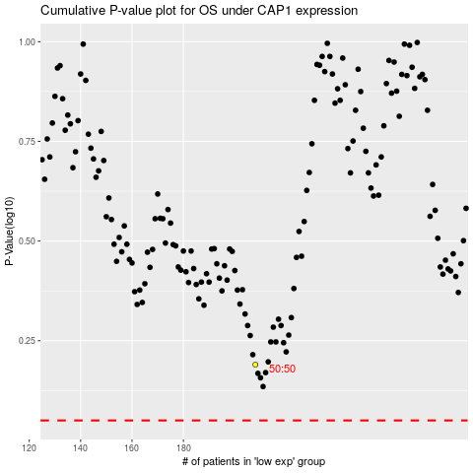

 |  |  |  |  |  | cases_OS | p_OS | rank | exp
 |  |  |  |  |  |  | cases_RFS | p_RFS | rank | exp

