CAP2 _multivariate
Reported by Tex Li-Hsing Chi. tex@gate.sinica.edu.tw 2019-08-21

Table 2. The clinicopathological features of HNSCC cohort and CAP2 expression. (Chi square test)
Cutoff at -0.192 (50.0%)
 |  | CAP2 expression |  | CAP2 expression |  | (Optimised)
 | Features | Low | (%) | High | (%) | Case no | P-value | Remark | Matthews
Gender | Female | 155 | 37.3 | 151 | 36.4 | 415 | 0.6768 | 0 | 0
2 | Male | 52 | 12.5 | 57 | 13.7
Age at diagnosis | <=65y | 128 | 30.8 | 146 | 35.2 | 415 | 0.0904 | 0 | 0
4 | >65y | 79 | 19 | 62 | 14.9
Clinical T Status | T1+T2 | 68 | 16.4 | 81 | 19.5 | 415 | 0.2336 | 0 | 0
6 | T3+T4 | 139 | 33.5 | 127 | 30.6
Clinical N Status | N0 | 112 | 27 | 104 | 25.1 | 415 | 0.4599 | 0 | 0
8 | N1-3 | 95 | 22.9 | 104 | 25.1
Clinical M Status | M0 | 206 | 49.6 | 206 | 49.6 | 415 | 1 | 0 | 0
10 | M1 | 1 | 0.2 | 2 | 0.5
Clinical Stage | Stage I+II | 45 | 10.8 | 57 | 13.7 | 415 | 0.2202 | 0 | 0
12 | Stage III+IV | 162 | 39 | 151 | 36.4
Surgical Margin status | Negative | 153 | 36.9 | 165 | 39.8 | 415 | 0.2036 | 0 | 0
14 | Positive | 54 | 13 | 43 | 10.4
Tobacco Exposure | Low | 75 | 18.1 | 86 | 20.7 | 415 | 0.3141 | 0 | 0
16 | High | 132 | 31.8 | 122 | 29.4

Table 3. Univariate/Multivariate Cox's proportional hazards regression analyses on OS time of CAP2 gene expression in HNSCC

 |  | Univariate |  |  |  | Multivariate
 | Features | HR | CI95%(L) | CI95%(H) | P-value | HR | CI95%(L) | CI95%(H) | P-value
1 | Female | 1 |  |  |  | 1
Gender | Male | 1.157 | 0.843 | 1.587 | 0.367 | 1.205 | 0.863 | 1.683 | 0.274
11 | <=65y | 1 |  |  |  | 1
Age at diagnosis | >65y | 1.329 | 0.99 | 1.784 | 0.058 | 1.416 | 1.039 | 1.93 | 0.028
12 | T1+T2 | 1 |  |  |  | 1
Clinical T Status | T3+T4 | 1.409 | 1.028 | 1.931 | 0.033 | 2.186 | 1.156 | 4.133 | 0.016
13 | N0 | 1 |  |  |  | 1
Clinical N Status | N1-3 | 1.185 | 0.89 | 1.577 | 0.246 | 1.231 | 0.862 | 1.758 | 0.253
14 | M0 | 1 |  |  |  | 1
Clinical M Status | M1 | 4.097 | 1.009 | 16.644 | 0.049 | 9.003 | 1.959 | 41.38 | 0.005
15 | Stage I+II | 1 |  |  |  | 1
Clinical Stage | Stage III+IV | 1.245 | 0.882 | 1.759 | 0.213 | 0.517 | 0.24 | 1.113 | 0.092
16 | Negative | 1 |  |  |  | 1
Surgical Margin status | Positive | 1.591 | 1.155 | 2.191 | 0.004 | 1.686 | 1.22 | 2.33 | 0.002
17 | Low | 1 |  |  |  | 1
Tobacco Exposure | High | 1.364 | 1.008 | 1.844 | 0.044 | 1.464 | 1.063 | 2.016 | 0.02
18 | Low | 1 |  |  |  | 1
RNAseq(z-score) | High | 1.077 | 0.809 | 1.436 | 0.61 | 1.145 | 0.855 | 1.533 | 0.364

Table 4. Univariate/Multivariate Cox's proportional hazards regression analyses on RFS time of CAP2 gene expression in HNSCC

 |  | Univariate |  |  |  | Multivariate
 | Features | HR | CI95%(L) | CI95%(H) | P-value | HR | CI95%(L) | CI95%(H) | P-value
1 | Female | 1 |  |  |  | 1
Gender | Male | 1.157 | 0.843 | 1.587 | 0.367 | 1.205 | 0.863 | 1.683 | 0.274
11 | <=65y | 1 |  |  |  | 1
Age at diagnosis | >65y | 1.329 | 0.99 | 1.784 | 0.058 | 1.416 | 1.039 | 1.93 | 0.028
12 | T1+T2 | 1 |  |  |  | 1
Clinical T Status | T3+T4 | 1.409 | 1.028 | 1.931 | 0.033 | 2.186 | 1.156 | 4.133 | 0.016
13 | N0 | 1 |  |  |  | 1
Clinical N Status | N1-3 | 1.185 | 0.89 | 1.577 | 0.246 | 1.231 | 0.862 | 1.758 | 0.253
14 | M0 | 1 |  |  |  | 1
Clinical M Status | M1 | 4.097 | 1.009 | 16.644 | 0.049 | 9.003 | 1.959 | 41.38 | 0.005
15 | Stage I+II | 1 |  |  |  | 1
Clinical Stage | Stage III+IV | 1.245 | 0.882 | 1.759 | 0.213 | 0.517 | 0.24 | 1.113 | 0.092
16 | Negative | 1 |  |  |  | 1
Surgical Margin status | Positive | 1.591 | 1.155 | 2.191 | 0.004 | 1.686 | 1.22 | 2.33 | 0.002
17 | Low | 1 |  |  |  | 1
Tobacco Exposure | High | 1.364 | 1.008 | 1.844 | 0.044 | 1.464 | 1.063 | 2.016 | 0.02
18 | Low | 1 |  |  |  | 1
RNAseq(z-score) | High | 1.077 | 0.809 | 1.436 | 0.61 | 1.145 | 0.855 | 1.533 | 0.364

Kaplan-Meier survival estimate: Cutoff at -0.192 (50.0%)

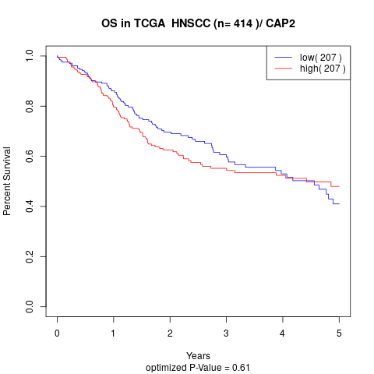

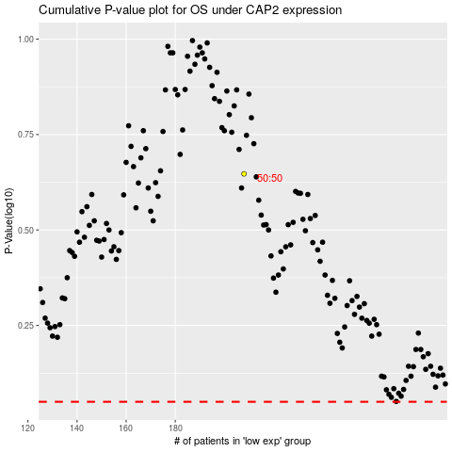

 |  |  |  |  |  | cases_OS | p_OS | rank | exp
 |  |  |  |  |  |  | cases_RFS | p_RFS | rank | exp

