CAPN11 _multivariate
Reported by Tex Li-Hsing Chi. tex@gate.sinica.edu.tw 2019-08-21

Table 2. The clinicopathological features of HNSCC cohort and CAPN11 expression. (Chi square test)
Cutoff at -0.034 (62.6%)
 |  | CAPN11 expression |  | CAPN11 expression |  | (Optimised)
 | Features | Low | (%) | High | (%) | Case no | P-value | Remark | Matthews
Gender | Female | 188 | 45.3 | 118 | 28.4 | 415 | 0.4591 | 0 | 0
2 | Male | 72 | 17.3 | 37 | 8.9
Age at diagnosis | <=65y | 174 | 41.9 | 100 | 24.1 | 415 | 0.6938 | 0 | 0
4 | >65y | 86 | 20.7 | 55 | 13.3
Clinical T Status | T1+T2 | 95 | 22.9 | 54 | 13 | 415 | 0.8077 | 0 | 0
6 | T3+T4 | 165 | 39.8 | 101 | 24.3
Clinical N Status | N0 | 125 | 30.1 | 91 | 21.9 | 415 | 0.046 | 1 | 0
8 | N1-3 | 135 | 32.5 | 64 | 15.4
Clinical M Status | M0 | 258 | 62.2 | 154 | 37.1 | 415 | 1 | 0 | 0
10 | M1 | 2 | 0.5 | 1 | 0.2
Clinical Stage | Stage I+II | 64 | 15.4 | 38 | 9.2 | 415 | 1 | 0 | 0
12 | Stage III+IV | 196 | 47.2 | 117 | 28.2
Surgical Margin status | Negative | 201 | 48.4 | 117 | 28.2 | 415 | 0.7194 | 0 | 0
14 | Positive | 59 | 14.2 | 38 | 9.2
Tobacco Exposure | Low | 97 | 23.4 | 64 | 15.4 | 415 | 0.4662 | 0 | 0
16 | High | 163 | 39.3 | 91 | 21.9

Table 3. Univariate/Multivariate Cox's proportional hazards regression analyses on OS time of CAPN11 gene expression in HNSCC

 |  | Univariate |  |  |  | Multivariate
 | Features | HR | CI95%(L) | CI95%(H) | P-value | HR | CI95%(L) | CI95%(H) | P-value
1 | Female | 1 |  |  |  | 1
Gender | Male | 1.157 | 0.843 | 1.587 | 0.367 | 1.176 | 0.842 | 1.643 | 0.342
11 | <=65y | 1 |  |  |  | 1
Age at diagnosis | >65y | 1.329 | 0.99 | 1.784 | 0.058 | 1.419 | 1.044 | 1.928 | 0.025
12 | T1+T2 | 1 |  |  |  | 1
Clinical T Status | T3+T4 | 1.409 | 1.028 | 1.931 | 0.033 | 2.196 | 1.16 | 4.155 | 0.016
13 | N0 | 1 |  |  |  | 1
Clinical N Status | N1-3 | 1.185 | 0.89 | 1.577 | 0.246 | 1.137 | 0.792 | 1.633 | 0.485
14 | M0 | 1 |  |  |  | 1
Clinical M Status | M1 | 4.097 | 1.009 | 16.644 | 0.049 | 9.864 | 2.149 | 45.279 | 0.003
15 | Stage I+II | 1 |  |  |  | 1
Clinical Stage | Stage III+IV | 1.245 | 0.882 | 1.759 | 0.213 | 0.521 | 0.243 | 1.119 | 0.095
16 | Negative | 1 |  |  |  | 1
Surgical Margin status | Positive | 1.591 | 1.155 | 2.191 | 0.004 | 1.723 | 1.245 | 2.385 | 0.001
17 | Low | 1 |  |  |  | 1
Tobacco Exposure | High | 1.364 | 1.008 | 1.844 | 0.044 | 1.465 | 1.063 | 2.021 | 0.02
18 | Low | 1 |  |  |  | 1
RNAseq(z-score) | High | 0.703 | 0.514 | 0.961 | 0.027 | 0.688 | 0.499 | 0.949 | 0.023

Table 4. Univariate/Multivariate Cox's proportional hazards regression analyses on RFS time of CAPN11 gene expression in HNSCC

 |  | Univariate |  |  |  | Multivariate
 | Features | HR | CI95%(L) | CI95%(H) | P-value | HR | CI95%(L) | CI95%(H) | P-value
1 | Female | 1 |  |  |  | 1
Gender | Male | 1.157 | 0.843 | 1.587 | 0.367 | 1.176 | 0.842 | 1.643 | 0.342
11 | <=65y | 1 |  |  |  | 1
Age at diagnosis | >65y | 1.329 | 0.99 | 1.784 | 0.058 | 1.419 | 1.044 | 1.928 | 0.025
12 | T1+T2 | 1 |  |  |  | 1
Clinical T Status | T3+T4 | 1.409 | 1.028 | 1.931 | 0.033 | 2.196 | 1.16 | 4.155 | 0.016
13 | N0 | 1 |  |  |  | 1
Clinical N Status | N1-3 | 1.185 | 0.89 | 1.577 | 0.246 | 1.137 | 0.792 | 1.633 | 0.485
14 | M0 | 1 |  |  |  | 1
Clinical M Status | M1 | 4.097 | 1.009 | 16.644 | 0.049 | 9.864 | 2.149 | 45.279 | 0.003
15 | Stage I+II | 1 |  |  |  | 1
Clinical Stage | Stage III+IV | 1.245 | 0.882 | 1.759 | 0.213 | 0.521 | 0.243 | 1.119 | 0.095
16 | Negative | 1 |  |  |  | 1
Surgical Margin status | Positive | 1.591 | 1.155 | 2.191 | 0.004 | 1.723 | 1.245 | 2.385 | 0.001
17 | Low | 1 |  |  |  | 1
Tobacco Exposure | High | 1.364 | 1.008 | 1.844 | 0.044 | 1.465 | 1.063 | 2.021 | 0.02
18 | Low | 1 |  |  |  | 1
RNAseq(z-score) | High | 0.703 | 0.514 | 0.961 | 0.027 | 0.688 | 0.499 | 0.949 | 0.023

Kaplan-Meier survival estimate: Cutoff at -0.034 (62.6%)

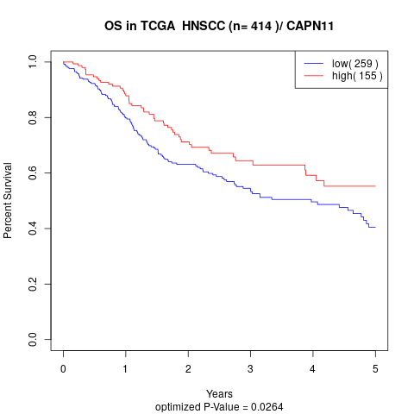

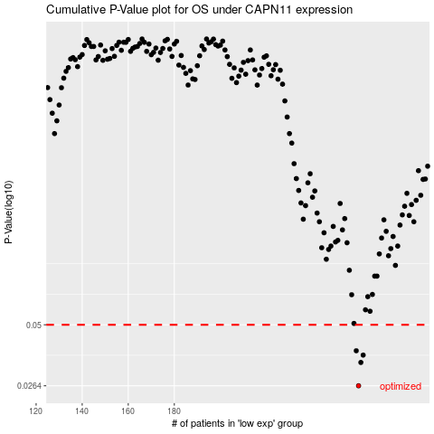

 |  |  |  |  |  | cases_OS | p_OS | rank | exp
 |  |  |  |  |  | 260 | 0.0264 | 166 | -0.034308657664
 |  |  |  |  |  | 261 | 0.0337 | 46 | -0.028287007322
 |  |  |  |  |  | 262 | 0.0364 | 177 | -0.028187016818
 |  |  |  |  |  | 259 | 0.0381 | 216 | -0.039108201849
 |  |  |  |  |  |  | cases_RFS | p_RFS | rank | exp
 |  |  |  |  |  |  | 259 | 0.0264 | 216 | -0.039108201849
 |  |  |  |  |  |  | 260 | 0.0337 | 166 | -0.034308657664
 |  |  |  |  |  |  | 261 | 0.0364 | 46 | -0.028287007322
 |  |  |  |  |  |  | 258 | 0.0381 | 221 | -0.04098580131

