CAPN13 _multivariate
Reported by Tex Li-Hsing Chi. tex@gate.sinica.edu.tw 2019-08-21

Table 2. The clinicopathological features of HNSCC cohort and CAPN13 expression. (Chi square test)
Cutoff at -0.273 (49.8%)
 |  | CAPN13 expression |  | CAPN13 expression |  | (Optimised)
 | Features | Low | (%) | High | (%) | Case no | P-value | Remark | Matthews
Gender | Female | 149 | 35.9 | 157 | 37.8 | 415 | 0.4848 | 0 | 0
2 | Male | 58 | 14 | 51 | 12.3
Age at diagnosis | <=65y | 133 | 32 | 141 | 34 | 415 | 0.5111 | 0 | 0
4 | >65y | 74 | 17.8 | 67 | 16.1
Clinical T Status | T1+T2 | 76 | 18.3 | 73 | 17.6 | 415 | 0.8092 | 0 | 0
6 | T3+T4 | 131 | 31.6 | 135 | 32.5
Clinical N Status | N0 | 102 | 24.6 | 114 | 27.5 | 415 | 0.3031 | 0 | 0
8 | N1-3 | 105 | 25.3 | 94 | 22.7
Clinical M Status | M0 | 204 | 49.2 | 208 | 50.1 | 415 | 0.1232 | 0 | 0
10 | M1 | 3 | 0.7 | 0 | 0
Clinical Stage | Stage I+II | 48 | 11.6 | 54 | 13 | 415 | 0.5878 | 0 | 0
12 | Stage III+IV | 159 | 38.3 | 154 | 37.1
Surgical Margin status | Negative | 159 | 38.3 | 159 | 38.3 | 415 | 1 | 0 | 0
14 | Positive | 48 | 11.6 | 49 | 11.8
Tobacco Exposure | Low | 93 | 22.4 | 68 | 16.4 | 415 | 0.0118 | 1 | 0
16 | High | 114 | 27.5 | 140 | 33.7

Table 3. Univariate/Multivariate Cox's proportional hazards regression analyses on OS time of CAPN13 gene expression in HNSCC

 |  | Univariate |  |  |  | Multivariate
 | Features | HR | CI95%(L) | CI95%(H) | P-value | HR | CI95%(L) | CI95%(H) | P-value
1 | Female | 1 |  |  |  | 1
Gender | Male | 1.157 | 0.843 | 1.587 | 0.367 | 1.189 | 0.851 | 1.662 | 0.31
11 | <=65y | 1 |  |  |  | 1
Age at diagnosis | >65y | 1.329 | 0.99 | 1.784 | 0.058 | 1.392 | 1.024 | 1.893 | 0.035
12 | T1+T2 | 1 |  |  |  | 1
Clinical T Status | T3+T4 | 1.409 | 1.028 | 1.931 | 0.033 | 2.213 | 1.171 | 4.183 | 0.014
13 | N0 | 1 |  |  |  | 1
Clinical N Status | N1-3 | 1.185 | 0.89 | 1.577 | 0.246 | 1.233 | 0.864 | 1.76 | 0.248
14 | M0 | 1 |  |  |  | 1
Clinical M Status | M1 | 4.097 | 1.009 | 16.644 | 0.049 | 8.739 | 1.897 | 40.256 | 0.005
15 | Stage I+II | 1 |  |  |  | 1
Clinical Stage | Stage III+IV | 1.245 | 0.882 | 1.759 | 0.213 | 0.499 | 0.232 | 1.072 | 0.075
16 | Negative | 1 |  |  |  | 1
Surgical Margin status | Positive | 1.591 | 1.155 | 2.191 | 0.004 | 1.683 | 1.218 | 2.326 | 0.002
17 | Low | 1 |  |  |  | 1
Tobacco Exposure | High | 1.364 | 1.008 | 1.844 | 0.044 | 1.533 | 1.097 | 2.141 | 0.012
18 | Low | 1 |  |  |  | 1
RNAseq(z-score) | High | 0.908 | 0.681 | 1.209 | 0.507 | 0.842 | 0.622 | 1.14 | 0.265

Table 4. Univariate/Multivariate Cox's proportional hazards regression analyses on RFS time of CAPN13 gene expression in HNSCC

 |  | Univariate |  |  |  | Multivariate
 | Features | HR | CI95%(L) | CI95%(H) | P-value | HR | CI95%(L) | CI95%(H) | P-value
1 | Female | 1 |  |  |  | 1
Gender | Male | 1.157 | 0.843 | 1.587 | 0.367 | 1.189 | 0.851 | 1.662 | 0.31
11 | <=65y | 1 |  |  |  | 1
Age at diagnosis | >65y | 1.329 | 0.99 | 1.784 | 0.058 | 1.392 | 1.024 | 1.893 | 0.035
12 | T1+T2 | 1 |  |  |  | 1
Clinical T Status | T3+T4 | 1.409 | 1.028 | 1.931 | 0.033 | 2.213 | 1.171 | 4.183 | 0.014
13 | N0 | 1 |  |  |  | 1
Clinical N Status | N1-3 | 1.185 | 0.89 | 1.577 | 0.246 | 1.233 | 0.864 | 1.76 | 0.248
14 | M0 | 1 |  |  |  | 1
Clinical M Status | M1 | 4.097 | 1.009 | 16.644 | 0.049 | 8.739 | 1.897 | 40.256 | 0.005
15 | Stage I+II | 1 |  |  |  | 1
Clinical Stage | Stage III+IV | 1.245 | 0.882 | 1.759 | 0.213 | 0.499 | 0.232 | 1.072 | 0.075
16 | Negative | 1 |  |  |  | 1
Surgical Margin status | Positive | 1.591 | 1.155 | 2.191 | 0.004 | 1.683 | 1.218 | 2.326 | 0.002
17 | Low | 1 |  |  |  | 1
Tobacco Exposure | High | 1.364 | 1.008 | 1.844 | 0.044 | 1.533 | 1.097 | 2.141 | 0.012
18 | Low | 1 |  |  |  | 1
RNAseq(z-score) | High | 0.908 | 0.681 | 1.209 | 0.507 | 0.842 | 0.622 | 1.14 | 0.265

Kaplan-Meier survival estimate: Cutoff at -0.273 (49.8%)



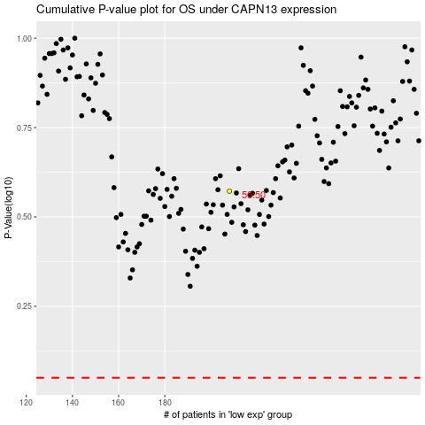

 |  |  |  |  |  | cases_OS | p_OS | rank | exp
 |  |  |  |  |  |  | cases_RFS | p_RFS | rank | exp

