CAPN3 _multivariate
Reported by Tex Li-Hsing Chi. tex@gate.sinica.edu.tw 2019-08-21

Table 2. The clinicopathological features of HNSCC cohort and CAPN3 expression. (Chi square test)
Cutoff at -0.191 (50.0%)
 |  | CAPN3 expression |  | CAPN3 expression |  | (Optimised)
 | Features | Low | (%) | High | (%) | Case no | P-value | Remark | Matthews
Gender | Female | 160 | 38.6 | 146 | 35.2 | 415 | 0.1254 | 0 | 0
2 | Male | 47 | 11.3 | 62 | 14.9
Age at diagnosis | <=65y | 139 | 33.5 | 135 | 32.5 | 415 | 0.7044 | 0 | 0
4 | >65y | 68 | 16.4 | 73 | 17.6
Clinical T Status | T1+T2 | 65 | 15.7 | 84 | 20.2 | 415 | 0.0711 | 0 | 0
6 | T3+T4 | 142 | 34.2 | 124 | 29.9
Clinical N Status | N0 | 105 | 25.3 | 111 | 26.7 | 415 | 0.6598 | 0 | 0
8 | N1-3 | 102 | 24.6 | 97 | 23.4
Clinical M Status | M0 | 207 | 49.9 | 205 | 49.4 | 415 | 0.2482 | 0 | 0
10 | M1 | 0 | 0 | 3 | 0.7
Clinical Stage | Stage I+II | 42 | 10.1 | 60 | 14.5 | 415 | 0.0561 | 0 | 0
12 | Stage III+IV | 165 | 39.8 | 148 | 35.7
Surgical Margin status | Negative | 163 | 39.3 | 155 | 37.3 | 415 | 0.3537 | 0 | 0
14 | Positive | 44 | 10.6 | 53 | 12.8
Tobacco Exposure | Low | 75 | 18.1 | 86 | 20.7 | 415 | 0.3141 | 0 | 0
16 | High | 132 | 31.8 | 122 | 29.4

Table 3. Univariate/Multivariate Cox's proportional hazards regression analyses on OS time of CAPN3 gene expression in HNSCC

 |  | Univariate |  |  |  | Multivariate
 | Features | HR | CI95%(L) | CI95%(H) | P-value | HR | CI95%(L) | CI95%(H) | P-value
1 | Female | 1 |  |  |  | 1
Gender | Male | 1.157 | 0.843 | 1.587 | 0.367 | 1.193 | 0.853 | 1.669 | 0.301
11 | <=65y | 1 |  |  |  | 1
Age at diagnosis | >65y | 1.329 | 0.99 | 1.784 | 0.058 | 1.387 | 1.02 | 1.886 | 0.037
12 | T1+T2 | 1 |  |  |  | 1
Clinical T Status | T3+T4 | 1.409 | 1.028 | 1.931 | 0.033 | 2.198 | 1.162 | 4.158 | 0.015
13 | N0 | 1 |  |  |  | 1
Clinical N Status | N1-3 | 1.185 | 0.89 | 1.577 | 0.246 | 1.242 | 0.87 | 1.771 | 0.233
14 | M0 | 1 |  |  |  | 1
Clinical M Status | M1 | 4.097 | 1.009 | 16.644 | 0.049 | 8.972 | 1.938 | 41.532 | 0.005
15 | Stage I+II | 1 |  |  |  | 1
Clinical Stage | Stage III+IV | 1.245 | 0.882 | 1.759 | 0.213 | 0.511 | 0.238 | 1.097 | 0.085
16 | Negative | 1 |  |  |  | 1
Surgical Margin status | Positive | 1.591 | 1.155 | 2.191 | 0.004 | 1.661 | 1.201 | 2.297 | 0.002
17 | Low | 1 |  |  |  | 1
Tobacco Exposure | High | 1.364 | 1.008 | 1.844 | 0.044 | 1.456 | 1.056 | 2.005 | 0.022
18 | Low | 1 |  |  |  | 1
RNAseq(z-score) | High | 1.136 | 0.851 | 1.517 | 0.385 | 1.083 | 0.806 | 1.455 | 0.596

Table 4. Univariate/Multivariate Cox's proportional hazards regression analyses on RFS time of CAPN3 gene expression in HNSCC

 |  | Univariate |  |  |  | Multivariate
 | Features | HR | CI95%(L) | CI95%(H) | P-value | HR | CI95%(L) | CI95%(H) | P-value
1 | Female | 1 |  |  |  | 1
Gender | Male | 1.157 | 0.843 | 1.587 | 0.367 | 1.193 | 0.853 | 1.669 | 0.301
11 | <=65y | 1 |  |  |  | 1
Age at diagnosis | >65y | 1.329 | 0.99 | 1.784 | 0.058 | 1.387 | 1.02 | 1.886 | 0.037
12 | T1+T2 | 1 |  |  |  | 1
Clinical T Status | T3+T4 | 1.409 | 1.028 | 1.931 | 0.033 | 2.198 | 1.162 | 4.158 | 0.015
13 | N0 | 1 |  |  |  | 1
Clinical N Status | N1-3 | 1.185 | 0.89 | 1.577 | 0.246 | 1.242 | 0.87 | 1.771 | 0.233
14 | M0 | 1 |  |  |  | 1
Clinical M Status | M1 | 4.097 | 1.009 | 16.644 | 0.049 | 8.972 | 1.938 | 41.532 | 0.005
15 | Stage I+II | 1 |  |  |  | 1
Clinical Stage | Stage III+IV | 1.245 | 0.882 | 1.759 | 0.213 | 0.511 | 0.238 | 1.097 | 0.085
16 | Negative | 1 |  |  |  | 1
Surgical Margin status | Positive | 1.591 | 1.155 | 2.191 | 0.004 | 1.661 | 1.201 | 2.297 | 0.002
17 | Low | 1 |  |  |  | 1
Tobacco Exposure | High | 1.364 | 1.008 | 1.844 | 0.044 | 1.456 | 1.056 | 2.005 | 0.022
18 | Low | 1 |  |  |  | 1
RNAseq(z-score) | High | 1.136 | 0.851 | 1.517 | 0.385 | 1.083 | 0.806 | 1.455 | 0.596

Kaplan-Meier survival estimate: Cutoff at -0.191 (50.0%)



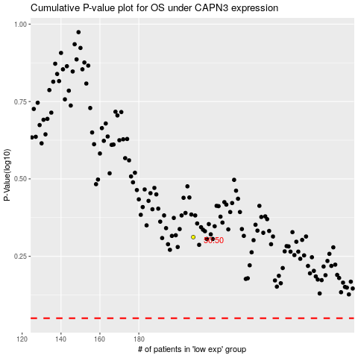

 |  |  |  |  |  | cases_OS | p_OS | rank | exp
 |  |  |  |  |  |  | cases_RFS | p_RFS | rank | exp

