CAPN6 _multivariate
Reported by Tex Li-Hsing Chi. tex@gate.sinica.edu.tw 2019-08-21

Table 2. The clinicopathological features of HNSCC cohort and CAPN6 expression. (Chi square test)
Cutoff at -0.183 (50.0%)
 |  | CAPN6 expression |  | CAPN6 expression |  | (Optimised)
 | Features | Low | (%) | High | (%) | Case no | P-value | Remark | Matthews
Gender | Female | 159 | 38.3 | 147 | 35.4 | 415 | 0.1905 | 0 | 0
2 | Male | 48 | 11.6 | 61 | 14.7
Age at diagnosis | <=65y | 129 | 31.1 | 145 | 34.9 | 415 | 0.1372 | 0 | 0
4 | >65y | 78 | 18.8 | 63 | 15.2
Clinical T Status | T1+T2 | 63 | 15.2 | 86 | 20.7 | 415 | 0.0268 | 1 | 0
6 | T3+T4 | 144 | 34.7 | 122 | 29.4
Clinical N Status | N0 | 114 | 27.5 | 102 | 24.6 | 415 | 0.2576 | 1 | 0
8 | N1-3 | 93 | 22.4 | 106 | 25.5
Clinical M Status | M0 | 204 | 49.2 | 208 | 50.1 | 415 | 0.1232 | 0 | 0
10 | M1 | 3 | 0.7 | 0 | 0
Clinical Stage | Stage I+II | 44 | 10.6 | 58 | 14 | 415 | 0.1459 | 0 | 0
12 | Stage III+IV | 163 | 39.3 | 150 | 36.1
Surgical Margin status | Negative | 157 | 37.8 | 161 | 38.8 | 415 | 0.729 | 0 | 0
14 | Positive | 50 | 12 | 47 | 11.3
Tobacco Exposure | Low | 89 | 21.4 | 72 | 17.3 | 415 | 0.0872 | 0 | 0
16 | High | 118 | 28.4 | 136 | 32.8

Table 3. Univariate/Multivariate Cox's proportional hazards regression analyses on OS time of CAPN6 gene expression in HNSCC

 |  | Univariate |  |  |  | Multivariate
 | Features | HR | CI95%(L) | CI95%(H) | P-value | HR | CI95%(L) | CI95%(H) | P-value
1 | Female | 1 |  |  |  | 1
Gender | Male | 1.157 | 0.843 | 1.587 | 0.367 | 1.18 | 0.843 | 1.65 | 0.335
11 | <=65y | 1 |  |  |  | 1
Age at diagnosis | >65y | 1.329 | 0.99 | 1.784 | 0.058 | 1.411 | 1.036 | 1.921 | 0.029
12 | T1+T2 | 1 |  |  |  | 1
Clinical T Status | T3+T4 | 1.409 | 1.028 | 1.931 | 0.033 | 2.227 | 1.177 | 4.214 | 0.014
13 | N0 | 1 |  |  |  | 1
Clinical N Status | N1-3 | 1.185 | 0.89 | 1.577 | 0.246 | 1.229 | 0.861 | 1.755 | 0.257
14 | M0 | 1 |  |  |  | 1
Clinical M Status | M1 | 4.097 | 1.009 | 16.644 | 0.049 | 10.119 | 2.186 | 46.836 | 0.003
15 | Stage I+II | 1 |  |  |  | 1
Clinical Stage | Stage III+IV | 1.245 | 0.882 | 1.759 | 0.213 | 0.508 | 0.237 | 1.091 | 0.082
16 | Negative | 1 |  |  |  | 1
Surgical Margin status | Positive | 1.591 | 1.155 | 2.191 | 0.004 | 1.676 | 1.213 | 2.315 | 0.002
17 | Low | 1 |  |  |  | 1
Tobacco Exposure | High | 1.364 | 1.008 | 1.844 | 0.044 | 1.423 | 1.031 | 1.965 | 0.032
18 | Low | 1 |  |  |  | 1
RNAseq(z-score) | High | 1.109 | 0.831 | 1.478 | 0.482 | 1.138 | 0.844 | 1.533 | 0.397

Table 4. Univariate/Multivariate Cox's proportional hazards regression analyses on RFS time of CAPN6 gene expression in HNSCC

 |  | Univariate |  |  |  | Multivariate
 | Features | HR | CI95%(L) | CI95%(H) | P-value | HR | CI95%(L) | CI95%(H) | P-value
1 | Female | 1 |  |  |  | 1
Gender | Male | 1.157 | 0.843 | 1.587 | 0.367 | 1.18 | 0.843 | 1.65 | 0.335
11 | <=65y | 1 |  |  |  | 1
Age at diagnosis | >65y | 1.329 | 0.99 | 1.784 | 0.058 | 1.411 | 1.036 | 1.921 | 0.029
12 | T1+T2 | 1 |  |  |  | 1
Clinical T Status | T3+T4 | 1.409 | 1.028 | 1.931 | 0.033 | 2.227 | 1.177 | 4.214 | 0.014
13 | N0 | 1 |  |  |  | 1
Clinical N Status | N1-3 | 1.185 | 0.89 | 1.577 | 0.246 | 1.229 | 0.861 | 1.755 | 0.257
14 | M0 | 1 |  |  |  | 1
Clinical M Status | M1 | 4.097 | 1.009 | 16.644 | 0.049 | 10.119 | 2.186 | 46.836 | 0.003
15 | Stage I+II | 1 |  |  |  | 1
Clinical Stage | Stage III+IV | 1.245 | 0.882 | 1.759 | 0.213 | 0.508 | 0.237 | 1.091 | 0.082
16 | Negative | 1 |  |  |  | 1
Surgical Margin status | Positive | 1.591 | 1.155 | 2.191 | 0.004 | 1.676 | 1.213 | 2.315 | 0.002
17 | Low | 1 |  |  |  | 1
Tobacco Exposure | High | 1.364 | 1.008 | 1.844 | 0.044 | 1.423 | 1.031 | 1.965 | 0.032
18 | Low | 1 |  |  |  | 1
RNAseq(z-score) | High | 1.109 | 0.831 | 1.478 | 0.482 | 1.138 | 0.844 | 1.533 | 0.397

Kaplan-Meier survival estimate: Cutoff at -0.183 (50.0%)



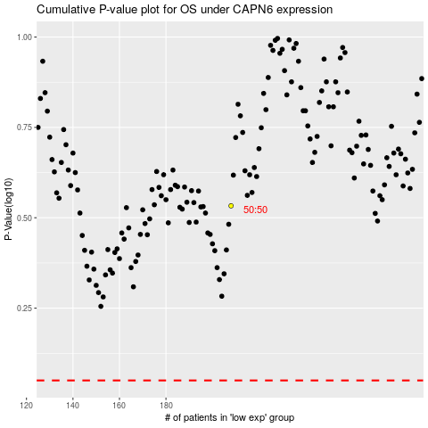

 |  |  |  |  |  | cases_OS | p_OS | rank | exp
 |  |  |  |  |  |  | cases_RFS | p_RFS | rank | exp

