CAPN8 _multivariate
Reported by Tex Li-Hsing Chi. tex@gate.sinica.edu.tw 2019-08-21

Table 2. The clinicopathological features of HNSCC cohort and CAPN8 expression. (Chi square test)
Cutoff at -0.275 (50.0%)
 |  | CAPN8 expression |  | CAPN8 expression |  | (Optimised)
 | Features | Low | (%) | High | (%) | Case no | P-value | Remark | Matthews
Gender | Female | 147 | 35.4 | 159 | 38.3 | 415 | 0.2523 | 0 | 0
2 | Male | 60 | 14.5 | 49 | 11.8
Age at diagnosis | <=65y | 142 | 34.2 | 132 | 31.8 | 415 | 0.3167 | 0 | 0
4 | >65y | 65 | 15.7 | 76 | 18.3
Clinical T Status | T1+T2 | 73 | 17.6 | 76 | 18.3 | 415 | 0.8666 | 0 | 0
6 | T3+T4 | 134 | 32.3 | 132 | 31.8
Clinical N Status | N0 | 113 | 27.2 | 103 | 24.8 | 415 | 0.3495 | 1 | 0
8 | N1-3 | 94 | 22.7 | 105 | 25.3
Clinical M Status | M0 | 207 | 49.9 | 205 | 49.4 | 415 | 0.2482 | 0 | 0
10 | M1 | 0 | 0 | 3 | 0.7
Clinical Stage | Stage I+II | 49 | 11.8 | 53 | 12.8 | 415 | 0.7535 | 0 | 0
12 | Stage III+IV | 158 | 38.1 | 155 | 37.3
Surgical Margin status | Negative | 162 | 39 | 156 | 37.6 | 415 | 0.4867 | 0 | 0
14 | Positive | 45 | 10.8 | 52 | 12.5
Tobacco Exposure | Low | 92 | 22.2 | 69 | 16.6 | 415 | 0.0206 | 1 | 0
16 | High | 115 | 27.7 | 139 | 33.5

Table 3. Univariate/Multivariate Cox's proportional hazards regression analyses on OS time of CAPN8 gene expression in HNSCC

 |  | Univariate |  |  |  | Multivariate
 | Features | HR | CI95%(L) | CI95%(H) | P-value | HR | CI95%(L) | CI95%(H) | P-value
1 | Female | 1 |  |  |  | 1
Gender | Male | 1.157 | 0.843 | 1.587 | 0.367 | 1.194 | 0.854 | 1.669 | 0.3
11 | <=65y | 1 |  |  |  | 1
Age at diagnosis | >65y | 1.329 | 0.99 | 1.784 | 0.058 | 1.413 | 1.036 | 1.927 | 0.029
12 | T1+T2 | 1 |  |  |  | 1
Clinical T Status | T3+T4 | 1.409 | 1.028 | 1.931 | 0.033 | 2.187 | 1.157 | 4.137 | 0.016
13 | N0 | 1 |  |  |  | 1
Clinical N Status | N1-3 | 1.185 | 0.89 | 1.577 | 0.246 | 1.25 | 0.876 | 1.786 | 0.219
14 | M0 | 1 |  |  |  | 1
Clinical M Status | M1 | 4.097 | 1.009 | 16.644 | 0.049 | 9.827 | 2.132 | 45.3 | 0.003
15 | Stage I+II | 1 |  |  |  | 1
Clinical Stage | Stage III+IV | 1.245 | 0.882 | 1.759 | 0.213 | 0.505 | 0.235 | 1.084 | 0.079
16 | Negative | 1 |  |  |  | 1
Surgical Margin status | Positive | 1.591 | 1.155 | 2.191 | 0.004 | 1.668 | 1.208 | 2.305 | 0.002
17 | Low | 1 |  |  |  | 1
Tobacco Exposure | High | 1.364 | 1.008 | 1.844 | 0.044 | 1.479 | 1.069 | 2.046 | 0.018
18 | Low | 1 |  |  |  | 1
RNAseq(z-score) | High | 0.997 | 0.746 | 1.332 | 0.982 | 0.905 | 0.671 | 1.22 | 0.512

Table 4. Univariate/Multivariate Cox's proportional hazards regression analyses on RFS time of CAPN8 gene expression in HNSCC

 |  | Univariate |  |  |  | Multivariate
 | Features | HR | CI95%(L) | CI95%(H) | P-value | HR | CI95%(L) | CI95%(H) | P-value
1 | Female | 1 |  |  |  | 1
Gender | Male | 1.157 | 0.843 | 1.587 | 0.367 | 1.194 | 0.854 | 1.669 | 0.3
11 | <=65y | 1 |  |  |  | 1
Age at diagnosis | >65y | 1.329 | 0.99 | 1.784 | 0.058 | 1.413 | 1.036 | 1.927 | 0.029
12 | T1+T2 | 1 |  |  |  | 1
Clinical T Status | T3+T4 | 1.409 | 1.028 | 1.931 | 0.033 | 2.187 | 1.157 | 4.137 | 0.016
13 | N0 | 1 |  |  |  | 1
Clinical N Status | N1-3 | 1.185 | 0.89 | 1.577 | 0.246 | 1.25 | 0.876 | 1.786 | 0.219
14 | M0 | 1 |  |  |  | 1
Clinical M Status | M1 | 4.097 | 1.009 | 16.644 | 0.049 | 9.827 | 2.132 | 45.3 | 0.003
15 | Stage I+II | 1 |  |  |  | 1
Clinical Stage | Stage III+IV | 1.245 | 0.882 | 1.759 | 0.213 | 0.505 | 0.235 | 1.084 | 0.079
16 | Negative | 1 |  |  |  | 1
Surgical Margin status | Positive | 1.591 | 1.155 | 2.191 | 0.004 | 1.668 | 1.208 | 2.305 | 0.002
17 | Low | 1 |  |  |  | 1
Tobacco Exposure | High | 1.364 | 1.008 | 1.844 | 0.044 | 1.479 | 1.069 | 2.046 | 0.018
18 | Low | 1 |  |  |  | 1
RNAseq(z-score) | High | 0.997 | 0.746 | 1.332 | 0.982 | 0.905 | 0.671 | 1.22 | 0.512

Kaplan-Meier survival estimate: Cutoff at -0.275 (50.0%)

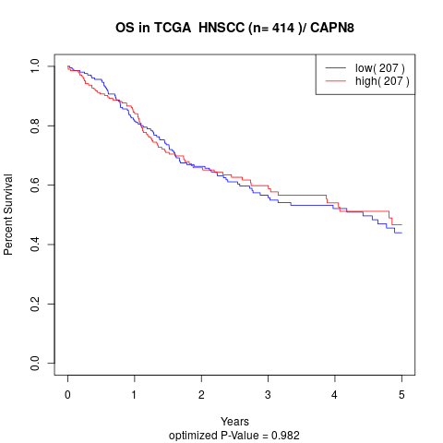

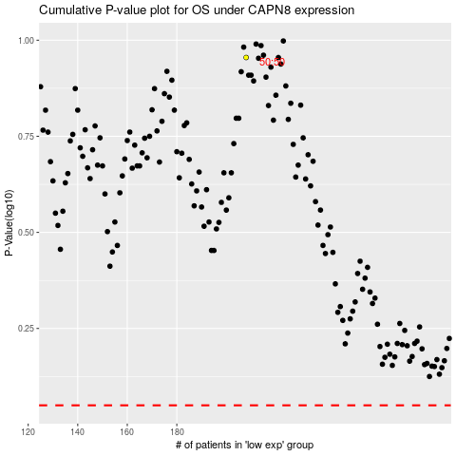

 |  |  |  |  |  | cases_OS | p_OS | rank | exp
 |  |  |  |  |  |  | cases_RFS | p_RFS | rank | exp

