CAPNS1 _multivariate
Reported by Tex Li-Hsing Chi. tex@gate.sinica.edu.tw 2019-08-21

Table 2. The clinicopathological features of HNSCC cohort and CAPNS1 expression. (Chi square test)
Cutoff at -0.222 (50.0%)
 |  | CAPNS1 expression |  | CAPNS1 expression |  | (Optimised)
 | Features | Low | (%) | High | (%) | Case no | P-value | Remark | Matthews
Gender | Female | 155 | 37.3 | 151 | 36.4 | 415 | 0.6768 | 0 | 0
2 | Male | 52 | 12.5 | 57 | 13.7
Age at diagnosis | <=65y | 146 | 35.2 | 128 | 30.8 | 415 | 0.0672 | 0 | 0
4 | >65y | 61 | 14.7 | 80 | 19.3
Clinical T Status | T1+T2 | 72 | 17.3 | 77 | 18.6 | 415 | 0.7095 | 0 | 0
6 | T3+T4 | 135 | 32.5 | 131 | 31.6
Clinical N Status | N0 | 111 | 26.7 | 105 | 25.3 | 415 | 0.5875 | 0 | 0
8 | N1-3 | 96 | 23.1 | 103 | 24.8
Clinical M Status | M0 | 206 | 49.6 | 206 | 49.6 | 415 | 1 | 0 | 0
10 | M1 | 1 | 0.2 | 2 | 0.5
Clinical Stage | Stage I+II | 51 | 12.3 | 51 | 12.3 | 415 | 1 | 0 | 0
12 | Stage III+IV | 156 | 37.6 | 157 | 37.8
Surgical Margin status | Negative | 149 | 35.9 | 169 | 40.7 | 415 | 0.0278 | 1 | 0
14 | Positive | 58 | 14 | 39 | 9.4
Tobacco Exposure | Low | 71 | 17.1 | 90 | 21.7 | 415 | 0.0698 | 0 | 0
16 | High | 136 | 32.8 | 118 | 28.4

Table 3. Univariate/Multivariate Cox's proportional hazards regression analyses on OS time of CAPNS1 gene expression in HNSCC

 |  | Univariate |  |  |  | Multivariate
 | Features | HR | CI95%(L) | CI95%(H) | P-value | HR | CI95%(L) | CI95%(H) | P-value
1 | Female | 1 |  |  |  | 1
Gender | Male | 1.157 | 0.843 | 1.587 | 0.367 | 1.203 | 0.861 | 1.679 | 0.279
11 | <=65y | 1 |  |  |  | 1
Age at diagnosis | >65y | 1.329 | 0.99 | 1.784 | 0.058 | 1.38 | 1.015 | 1.877 | 0.04
12 | T1+T2 | 1 |  |  |  | 1
Clinical T Status | T3+T4 | 1.409 | 1.028 | 1.931 | 0.033 | 2.23 | 1.179 | 4.219 | 0.014
13 | N0 | 1 |  |  |  | 1
Clinical N Status | N1-3 | 1.185 | 0.89 | 1.577 | 0.246 | 1.23 | 0.862 | 1.755 | 0.255
14 | M0 | 1 |  |  |  | 1
Clinical M Status | M1 | 4.097 | 1.009 | 16.644 | 0.049 | 9.17 | 1.998 | 42.086 | 0.004
15 | Stage I+II | 1 |  |  |  | 1
Clinical Stage | Stage III+IV | 1.245 | 0.882 | 1.759 | 0.213 | 0.499 | 0.233 | 1.072 | 0.075
16 | Negative | 1 |  |  |  | 1
Surgical Margin status | Positive | 1.591 | 1.155 | 2.191 | 0.004 | 1.69 | 1.223 | 2.337 | 0.001
17 | Low | 1 |  |  |  | 1
Tobacco Exposure | High | 1.364 | 1.008 | 1.844 | 0.044 | 1.459 | 1.059 | 2.011 | 0.021
18 | Low | 1 |  |  |  | 1
RNAseq(z-score) | High | 1.125 | 0.844 | 1.5 | 0.421 | 1.143 | 0.855 | 1.529 | 0.366

Table 4. Univariate/Multivariate Cox's proportional hazards regression analyses on RFS time of CAPNS1 gene expression in HNSCC

 |  | Univariate |  |  |  | Multivariate
 | Features | HR | CI95%(L) | CI95%(H) | P-value | HR | CI95%(L) | CI95%(H) | P-value
1 | Female | 1 |  |  |  | 1
Gender | Male | 1.157 | 0.843 | 1.587 | 0.367 | 1.203 | 0.861 | 1.679 | 0.279
11 | <=65y | 1 |  |  |  | 1
Age at diagnosis | >65y | 1.329 | 0.99 | 1.784 | 0.058 | 1.38 | 1.015 | 1.877 | 0.04
12 | T1+T2 | 1 |  |  |  | 1
Clinical T Status | T3+T4 | 1.409 | 1.028 | 1.931 | 0.033 | 2.23 | 1.179 | 4.219 | 0.014
13 | N0 | 1 |  |  |  | 1
Clinical N Status | N1-3 | 1.185 | 0.89 | 1.577 | 0.246 | 1.23 | 0.862 | 1.755 | 0.255
14 | M0 | 1 |  |  |  | 1
Clinical M Status | M1 | 4.097 | 1.009 | 16.644 | 0.049 | 9.17 | 1.998 | 42.086 | 0.004
15 | Stage I+II | 1 |  |  |  | 1
Clinical Stage | Stage III+IV | 1.245 | 0.882 | 1.759 | 0.213 | 0.499 | 0.233 | 1.072 | 0.075
16 | Negative | 1 |  |  |  | 1
Surgical Margin status | Positive | 1.591 | 1.155 | 2.191 | 0.004 | 1.69 | 1.223 | 2.337 | 0.001
17 | Low | 1 |  |  |  | 1
Tobacco Exposure | High | 1.364 | 1.008 | 1.844 | 0.044 | 1.459 | 1.059 | 2.011 | 0.021
18 | Low | 1 |  |  |  | 1
RNAseq(z-score) | High | 1.125 | 0.844 | 1.5 | 0.421 | 1.143 | 0.855 | 1.529 | 0.366

Kaplan-Meier survival estimate: Cutoff at -0.222 (50.0%)



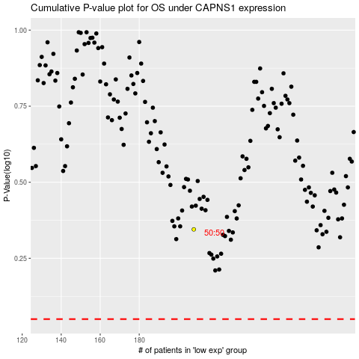

 |  |  |  |  |  | cases_OS | p_OS | rank | exp
 |  |  |  |  |  |  | cases_RFS | p_RFS | rank | exp

